Chart 26
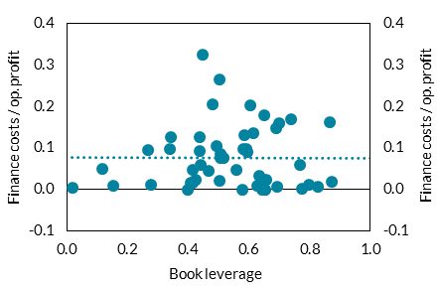
Finance costs for large corporates are generally modest relative to operating profits

Chart Title: Leverage and debt service burdens of large corporates
Source: Companies Registration Office
Note: Book liabilities-to-assets ratio versus net finance costs over annual operating profit. The dotted line refers to the average finance cost to operating profit ratio.

Data cannot be provided as the Central Bank of Ireland does not have permission to share this information.

 | ratio | ratio

Chart 28
Insolvencies have risen significantly among Accommodation & Food and Other Services firms

Chart Title: Share of active Irish companies entering insolvent liquidation each year by sector
Source: Companies Registration Office, CRIF Vision-Net and CSO.
Note: The share of active Irish companies entering insolvent liquidation each year by sector, 2015 to 2023. ‘IQR’ refers to the interquartile range of sectoral insolvency rates. Active public and private limited company counts by sector are sourced from the CSO’s Business Demography statistical release.

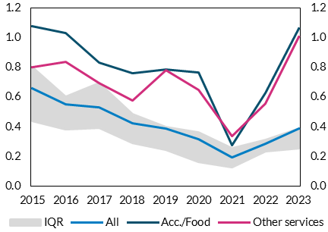
Date | IQR | All | Acc./Food | Other services
2015 | 0.36 | 0.66 | 1.08 | 0.80 | per cent | per cent
2016 | 0.22 | 0.55 | 1.03 | 0.84
2017 | 0.30 | 0.53 | 0.83 | 0.69
2018 | 0.19 | 0.43 | 0.76 | 0.57
2019 | 0.16 | 0.39 | 0.78 | 0.78
2020 | 0.20 | 0.32 | 0.76 | 0.65
2021 | 0.13 | 0.19 | 0.27 | 0.33
2022 | 0.08 | 0.29 | 0.63 | 0.56
2023 | 0.13 | 0.39 | 1.06 | 1.00

Chart 29
Domestic bank profitability rose significantly in 2023

Chart Title: Domestic bank RoE and RoE decomposition
Source: Central Bank of Ireland
Note: Domestic bank return on equity (RoE) and the percentage contribution of its components. ‘NFCI’ refers to Net Fee and Commission Income.

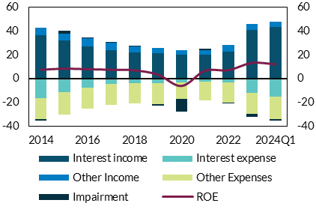
Date | Interest income | Interest expense | NFCI Income | Other Income | Other Expenses | Impairment | ROE | per cent | per cent
2014 | 36.25 | -16.73 | 0.00 | 6.41 | -17.79 | -1.33 | 7.37
2015 | 31.66 | -11.34 | 0.00 | 6.07 | -19.43 | 2.61 | 8.26
2016 | 26.83 | -7.59 | 0.00 | 6.86 | -17.83 | 0.77 | 7.79
2017 | 23.82 | -4.57 | 0.00 | 6.03 | -17.63 | 0.12 | 7.37
2018 | 21.85 | -3.81 | 0.00 | 5.26 | -17.02 | 0.57 | 6.85
2019 | 21.38 | -3.89 | 0.00 | 4.23 | -17.72 | -1.06 | 3.25
2020 | 19.95 | -3.17 | 0.00 | 3.64 | -13.80 | -10.98 | -6.23
2021 | 19.66 | -2.90 | 0.00 | 4.28 | -15.55 | 1.33 | 6.50
2022 | 22.37 | -3.64 | 0.00 | 5.60 | -16.68 | -0.89 | 7.01
2023 | 40.86 | -12.01 | 0.00 | 5.19 | -17.85 | -2.35 | 13.12
2024Q1 | 43.04 | -15.12 | 0.00 | 4.77 | -19.47 | -0.76 | 11.97

Chart 31
Irish households have been slow to move to higher yielding term deposit accounts

Chart Title: Overnight share of household deposits
Source: European Central Bank
Note: The share of overnight deposits is calculated by dividing the volume of overnight deposits by the sum of overnight, term and notice deposits. [25th, 75th] represents the 25th and 75th percentile shares respectively of a select number of countries where data is available for all time periods.

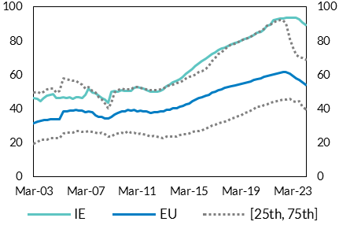
Date | IE | EU | [25th] Pct | [75th] Pct
Mar-03 | 46.36 | 31.77 | 19.61 | 49.82 | per cent | per cent
Jun-03 | 46.12 | 32.49 | 20.39 | 49.95
Sep-03 | 44.73 | 33.04 | 21.92 | 49.08
Dec-03 | 46.40 | 33.42 | 22.00 | 50.11
Mar-04 | 48.00 | 33.47 | 21.95 | 51.55
Jun-04 | 48.32 | 34.15 | 22.90 | 51.83
Sep-04 | 48.92 | 34.02 | 22.86 | 52.18
Dec-04 | 46.38 | 34.17 | 22.91 | 49.83
Mar-05 | 46.52 | 34.14 | 22.63 | 50.53
Jun-05 | 46.77 | 38.78 | 25.64 | 58.07
Sep-05 | 46.52 | 38.71 | 25.92 | 57.73
Dec-05 | 46.87 | 39.24 | 26.29 | 57.21
Mar-06 | 46.05 | 38.87 | 26.16 | 56.50
Jun-06 | 46.72 | 39.49 | 27.09 | 56.59
Sep-06 | 46.94 | 38.89 | 27.01 | 55.45
Dec-06 | 46.61 | 39.01 | 26.74 | 54.37
Mar-07 | 48.23 | 38.23 | 26.64 | 51.87
Jun-07 | 52.00 | 38.76 | 27.23 | 52.78
Sep-07 | 49.57 | 37.90 | 26.45 | 50.39
Dec-07 | 49.29 | 36.20 | 26.05 | 49.65
Mar-08 | 47.85 | 35.21 | 25.58 | 46.89
Jun-08 | 46.47 | 35.14 | 26.09 | 45.35
Sep-08 | 45.60 | 34.30 | 25.11 | 43.00
Dec-08 | 43.62 | 34.26 | 23.98 | 40.62
Mar-09 | 50.16 | 35.22 | 23.61 | 43.75
Jun-09 | 50.42 | 36.81 | 25.31 | 49.92
Sep-09 | 50.32 | 37.57 | 25.68 | 51.11
Dec-09 | 51.02 | 38.76 | 25.93 | 51.96
Mar-10 | 50.66 | 38.77 | 25.79 | 51.34
Jun-10 | 50.48 | 39.58 | 26.78 | 51.45
Sep-10 | 50.69 | 39.19 | 26.15 | 51.54
Dec-10 | 52.44 | 39.31 | 26.13 | 52.86
Mar-11 | 52.84 | 38.78 | 25.26 | 52.98
Jun-11 | 52.49 | 39.01 | 25.60 | 52.69
Sep-11 | 51.86 | 38.63 | 24.97 | 52.07
Dec-11 | 51.08 | 38.42 | 24.65 | 51.47
Mar-12 | 50.38 | 37.52 | 23.55 | 50.96
Jun-12 | 49.97 | 38.24 | 24.06 | 50.98
Sep-12 | 50.12 | 38.25 | 23.88 | 51.17
Dec-12 | 50.70 | 38.37 | 23.23 | 51.58
Mar-13 | 51.45 | 38.56 | 22.96 | 51.95
Jun-13 | 53.34 | 39.39 | 23.63 | 53.36
Sep-13 | 54.51 | 39.66 | 23.77 | 54.01
Dec-13 | 55.75 | 40.25 | 23.96 | 54.54
Mar-14 | 56.76 | 40.37 | 23.80 | 55.02
Jun-14 | 57.75 | 41.24 | 24.57 | 55.81
Sep-14 | 59.12 | 41.61 | 24.95 | 56.50
Dec-14 | 60.97 | 42.64 | 25.19 | 57.94
Mar-15 | 62.32 | 43.35 | 25.48 | 58.75
Jun-15 | 63.47 | 44.65 | 26.50 | 59.62
Sep-15 | 65.22 | 45.33 | 26.82 | 60.28
Dec-15 | 66.82 | 46.35 | 27.19 | 61.56
Mar-16 | 68.16 | 46.71 | 27.45 | 62.24
Jun-16 | 69.64 | 47.78 | 28.49 | 63.55
Sep-16 | 71.22 | 48.43 | 29.37 | 65.32
Dec-16 | 72.42 | 49.63 | 30.07 | 67.99
Mar-17 | 73.43 | 50.16 | 30.83 | 70.13
Jun-17 | 74.64 | 51.04 | 31.75 | 72.29
Sep-17 | 75.45 | 51.49 | 32.13 | 73.39
Dec-17 | 76.23 | 52.26 | 32.75 | 74.93
Mar-18 | 77.05 | 52.74 | 33.16 | 76.36
Jun-18 | 77.98 | 53.53 | 34.63 | 77.88
Sep-18 | 78.82 | 53.83 | 35.08 | 78.54
Dec-18 | 79.49 | 54.45 | 35.96 | 79.53
Mar-19 | 80.29 | 54.73 | 36.43 | 80.35
Jun-19 | 81.11 | 55.34 | 37.72 | 81.26
Sep-19 | 81.67 | 55.62 | 38.19 | 81.77
Dec-19 | 82.34 | 56.27 | 39.05 | 82.60
Mar-20 | 83.47 | 56.90 | 39.96 | 83.72
Jun-20 | 84.68 | 57.69 | 41.27 | 84.98
Sep-20 | 85.42 | 58.17 | 41.53 | 85.74
Dec-20 | 86.73 | 58.97 | 42.30 | 87.01
Mar-21 | 88.95 | 59.40 | 42.80 | 88.90
Jun-21 | 89.59 | 60.04 | 43.84 | 89.68
Sep-21 | 92.07 | 60.46 | 44.12 | 91.00
Dec-21 | 92.86 | 60.96 | 44.77 | 91.80
Mar-22 | 93.13 | 61.23 | 45.04 | 92.22
Jun-22 | 93.44 | 61.68 | 45.68 | 92.39
Sep-22 | 93.60 | 61.71 | 45.65 | 90.32
Dec-22 | 93.57 | 60.89 | 45.79 | 81.35
Mar-23 | 93.67 | 59.32 | 44.82 | 75.98
Jun-23 | 93.53 | 58.18 | 44.03 | 72.10
Sep-23 | 92.70 | 57.10 | 44.39 | 70.72
Dec-23 | 90.90 | 55.54 | 41.31 | 70.01
Mar-24 | 89.62 | 54.31 | 39.78 | 69.05

Chart 32
Credit risk has increased since origination for a sizeable share of loan exposures

Chart Title: IFRS 9 Stage 2 and Stage 3 ratios of domestic Irish and EU banks
Source: Central Bank of Ireland; European Banking Authority
Note: IE (EU)-S2 is the ratio of IFRS 9 Stage 2 exposures to all loans and advances subject to impairment and IE (EU)–S3 is the ratio of IFRS Stage 3 exposures to all loans and advances subject to impairment. IE data is available up to Q1 2024 while EU data is available to Q4 2023.

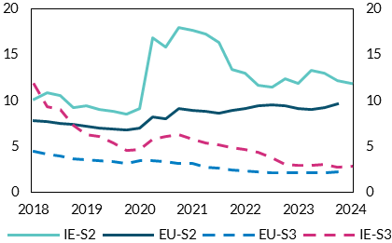
Date | EU-S2 | IE-S2 | EU-S3 | IE-S3
Mar-18 | 7.85 | 10.20 | 4.50 | 11.79 | per cent | per cent
Jun-18 | 7.68 | 10.84 | 4.14 | 9.33
Sep-18 | 7.54 | 10.57 | 3.97 | 8.99
Dec-18 | 7.39 | 9.27 | 3.67 | 7.36
Mar-19 | 7.18 | 9.47 | 3.57 | 6.29
Jun-19 | 6.98 | 8.99 | 3.43 | 6.10
Sep-19 | 6.94 | 8.83 | 3.30 | 5.39
Dec-19 | 6.76 | 8.48 | 3.12 | 4.56
Mar-20 | 7.01 | 9.09 | 3.42 | 4.65
Jun-20 | 8.20 | 16.87 | 3.44 | 5.80
Sep-20 | 8.01 | 15.86 | 3.37 | 6.04
Dec-20 | 9.10 | 17.95 | 3.16 | 6.25
Mar-21 | 8.98 | 17.67 | 3.12 | 5.79
Jun-21 | 8.82 | 17.31 | 2.77 | 5.40
Sep-21 | 8.67 | 16.35 | 2.63 | 5.12
Dec-21 | 8.92 | 13.36 | 2.44 | 4.91
Mar-22 | 9.11 | 12.97 | 2.37 | 4.65
Jun-22 | 9.46 | 11.66 | 2.20 | 4.40
Sep-22 | 9.58 | 11.48 | 2.15 | 3.74
Dec-22 | 9.41 | 12.37 | 2.14 | 3.09
Mar-23 | 9.13 | 11.89 | 2.11 | 2.90
Jun-23 | 9.06 | 13.31 | 2.14 | 2.96
Sep-23 | 9.21 | 13.02 | 2.16 | 2.99
Dec-23 | 9.60 | 12.18 | 2.19 | 2.75
Mar-24 |  | 11.91 |  | 2.83

Chart 34
Domestic banks are distributing most of their increased profits

Chart Title: Post-tax profits and payout ratio
Source: Banks’ annual reports
Note: After-tax profit is the yearly sum of after-tax profits of the domestic banks. The payout ratio is the sum of all dividends and share buybacks in a given year divided by total after-tax profit.

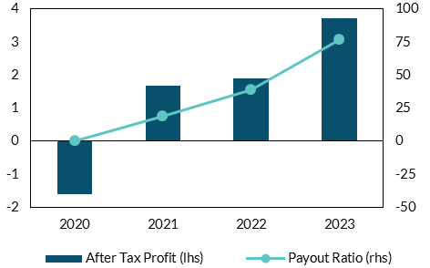
Date | After Tax Profit | Payout Ratio
2020 | -1.61 | 0.00 | per cent | per cent
2021 | 1.68 | 18.87
2022 | 1.89 | 38.78
2023 | 3.73 | 76.47

Chart 39
Solvency coverage movements over 2023 were widely dispersed

Chart title: Solvency coverage of insurers and reinsurers 2022YE and 2023YE
Source: Central Bank of Ireland.
Notes: The scatter chart shows the solvency coverage of individual firms at 2022YE (x-axis) versus their coverage at 2023YE (y-axis). A position below the diagonal line means a fall in coverage over the period. Only firms with PRISM impact rating of Medium Low and above are shown. Firms with solvency coverage of greater than 300 per cent are not shown.

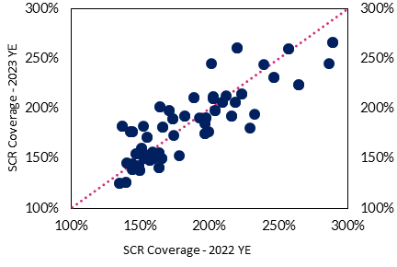
 |  | 2022 YE | 2023 YE
 | Company 1 | 157% | 148%
 | Company 2 | 144% | 176%
 | Company 3 | 135% | 125%
 | Company 4 | 144% | 139%
 | Company 5 | 219% | 206%
 | Company 6 | 163% | 153%
 | Company 7 | 140% | 126%
 | Company 8 | 307% | 312%
 | Company 9 | 163% | 141%
 | Company 10 | 166% | 150%
 | Company 11 | 155% | 171%
 | Company 12 | 150% | 138%
 | Company 13 | 171% | 198%
 | Company 14 | 151% | 160%
 | Company 15 | 257% | 260%
 | Company 16 | 224% | 215%
 | Company 17 | 189% | 211%
 | Company 18 | 203% | 212%
 | Company 19 | 157% | 154%
 | Company 20 | 174% | 173%
 | Company 21 | 153% | 150%
 | Company 22 | 286% | 245%
 | Company 23 | 178% | 153%
 | Company 24 | 229% | 181%
 | Company 25 | 159% | 157%
 | Company 26 | 159% | 150%
 | Company 27 | 201% | 245%
 | Company 28 | 160% | 150%
 | Company 29 | 152% | 182%
 | Company 30 | 239% | 244%
 | Company 31 | 199% | 177%
 | Company 32 | 193% | 190%
 | Company 33 | 212% | 212%
 | Company 34 | 233% | 194%
 | Company 35 | 289% | 266%
 | Company 36 | 174% | 190%
 | Company 37 | 198% | 190%
 | Company 38 | 140% | 145%
 | Company 39 | 149% | 142%
 | Company 40 | 220% | 261%
 | Company 41 | 182% | 192%
 | Company 42 | 210% | 207%
 | Company 43 | 147% | 154%
 | Company 44 | 143% | 177%
 | Company 45 | 197% | 185%
 | Company 46 | 144% | 144%
 | Company 47 | 164% | 155%
 | Company 48 | 204% | 198%
 | Company 49 | 197% | 175%
 | Company 50 | 167% | 181%
 | Company 51 | 151% | 157%
 | Company 52 | 137% | 182%
 | Company 53 | 216% | 193%
 | Company 54 | 164% | 202%
 | Company 55 | 203% | 210%
 | Company 56 | 247% | 231%
 | Company 57 | 264% | 224%
 | Company 58 | 256% | 307%
 | Company 59 | 197% | 166%

Chart 40
Disinflationary trend in home insurance costs, while motor insurance inflation trending upwards

Chart title: Annual percentage change in consumer price sub-indices for home insurance costs and home maintenance and repair costs
Source: CSO
Note: The chart shows monthly data for the percentage change over the previous 12 months for selected CPI sub-indices. Last observation April 2023.

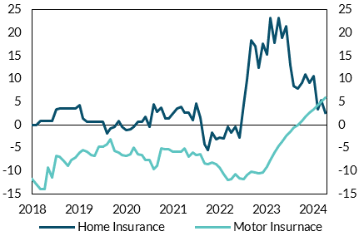
Month | Maintenance and repair of the dwelling | Insurance connected with the dwelling
2018 January | 1.5 | -0.1 | per cent | per cent
2018 February | 1.9 | 0
2018 March | 1.9 | 0.9
2018 April | 2.4 | 0.9
2018 May | 2.5 | 0.9
2018 June | 2.8 | 0.9
2018 July | 3 | 3.4
2018 August | 3.2 | 3.5
2018 September | 2.7 | 3.5
2018 October | 2.5 | 3.5
2018 November | 2.7 | 3.5
2018 December | 2.7 | 3.5
2019 January | 2.5 | 4.1
2019 February | 2.8 | 1.4
2019 March | 3.1 | 0.6
2019 April | 2.8 | 0.6
2019 May | 3 | 0.6
2019 June | 3 | 0.6
2019 July | 2.7 | 0.6
2019 August | 2.3 | -1.9
2019 September | 2.9 | -0.8
2019 October | 3 | -0.5
2019 November | 3 | 0.7
2019 December | 3.1 | -0.5
2020 January | 3.1 | -1.1
2020 February | 3.1 | -0.8
2020 March | 2.2 | -0.5
2020 April | 2.1 | 0.7
2020 May | 1.5 | 0.7
2020 June | 1.8 | 1.8
2020 July | 1.6 | -0.5
2020 August | 2.1 | 4.3
2020 September | 1.1 | 2.9
2020 October | 0.7 | 3.7
2020 November | 1.1 | 1.4
2020 December | 1.7 | 1.3
2021 January | 1.8 | 2.6
2021 February | 1.9 | 3.5
2021 March | 2.6 | 4
2021 April | 2.4 | 2.8
2021 May | 2.5 | 2.8
2021 June | 3.7 | 1.1
2021 July | 4.3 | 4.6
2021 August | 4.8 | 1.4
2021 September | 6.8 | -4.3
2021 October | 7.2 | -5.4
2021 November | 6.5 | -1.8
2021 December | 6.5 | -3.2
2022 January | 6.7 | -2.8
2022 February | 6.8 | -3.1
2022 March | 6.5 | -0.5
2022 April | 6.9 | -1.8
2022 May | 7.2 | -0.5
2022 June | 5.9 | -2.8
2022 July | 5.8 | 4.4
2022 August | 5.9 | 9.8
2022 September | 5.3 | 18.3
2022 October | 4.9 | 17.2
2022 November | 5.3 | 12.4
2022 December | 6.8 | 17.9
2023 January | 6.7 | 15.3
2023 February | 6.2 | 23.2
2023 March | 7.6 | 17.9
2023 April | 7.4 | 23.3
2023 May | 7.5 | 18.9
2023 June | 6.9 | 21.5
2023 July | 6.8 | 13
2023 August | 6.3 | 8.5
2023 September | 5 | 7.9
2023 October | 5.2 | 9.1
2023 November | 5 | 11
2023 December | 3.4 | 9.2
2024 January | 3.4 | 10.5
2024 February | 2.9 | 3.3
2024 March | 1.6 | 5.3
2024 April | 1.5 | 2.7

Chart 41
Excluding ‘excess’ CT receipts the budget would remain in deficit until 2027

Chart Title: Government’s GG balance forecast
Source: Stability Programme Update 2024
Notes: Underlying GGB excludes estimates of excess CT |  |  |  |  |  |  | per cent of GNI* | per cent of GNI*
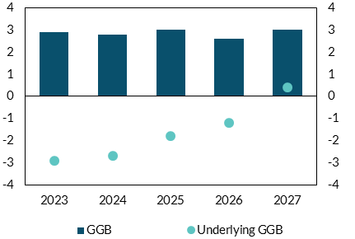
 |  | 2023 | 2024 | 2025 | 2026 | 2027
 | GGB | 2.9 | 2.8 | 3 | 2.6 | 3
 | Underlying GGB | -2.9 | -2.7 | -1.8 | -1.2 | 0.4

Chart 42
Debt dynamics are expected to remain favourable in to the medium term

Chart Title: Factors driving change in Government’s GG debt forecast
Source: Stability Programme Update 2024
Notes: PB = Primary Balance; i-g = Interest Growth Differential; DDA = Deficit Debt Adjustment; Total = total change in debt ratio

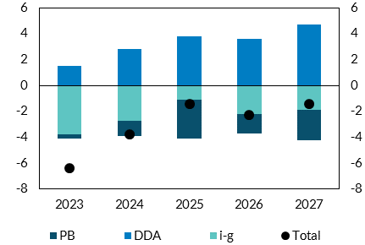
 |  | 2023 | 2024 | 2025 | 2026 | 2027 | per cent of GNI* | per cent of GNI*
 | PB | -4.1 | -3.9 | -4.1 | -3.7 | -4.2
 | i-g | -3.8 | -2.7 | -1.1 | -2.2 | -1.9
 | DDA | 1.5 | 2.8 | 3.8 | 3.6 | 4.7
 | Total | -6.4 | -3.8 | -1.4 | -2.3 | -1.4

