Chart 43
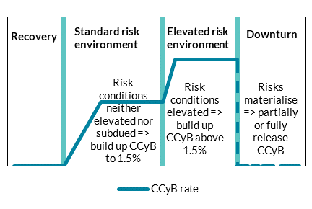
The calibration of the CCyB at 1.5 per cent reflects the Central Bank's strategy for the buffer

Chart Title: The Central Bank's high-level strategy for the CCyB
Source: A framework for macroprudential capital.
Notes: Stylised representation, does not refer to specific figures

Chart 44
The 1.5 per cent CCyB rate supports resilience, providing macroprudential space to respond to shocks with a buffer release if required.

Chart Title: CET1 capital requirement and ratio of domestic banks - 2022 & 2024
Source: Central Bank of Ireland
Notes: Aggregate position of domestic banks. Minimum requirement includes Pillar 1 and Pillar 2 requirement. CBR stands for Combined Buffer Requirement and includes the capital conservation buffer, O-SII buffer and CCyB rates. In 2022Q1 the CCyB rate on Irish exposures was 0 per cent. 2024Q1 position reflects the impact of announced macroprudential capital buffer requirements.

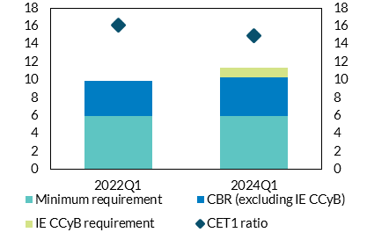
 | 2022Q1 | 2024Q1
CET1 ratio | 16.09 | 14.93
Minimum requirement | 5.96 | 5.93
CBR (excluding IE CCyB) | 3.89 | 4.33
IE CCyB requirement | - | 1.04

