Chart 68
Chart: Risk-based capital ratios are high in a historic context, and stable in recent quarters

Chart Title: Fully-loaded Common Equity Tier 1 capital ratios for domestic retail banks
Source: Central Bank of Ireland.
Notes: Avg. is the asset-weighted system average. 25 pct. And 75 pct. correspond to the 25th and 75th percentiles respectively. “Fully loaded” definition of capital as defined by Capital Requirements Directive CRD IV is used for the five domestic retail banks included in the sample. Last observation at 2019Q3.

Date | Avg. | 25 pct. | 75 pct.
2014-03-31 | 7.661 | 6.577 | 11.150
2014-06-30 | 7.783 | 7.369 | 11.152 | per cent | per cent
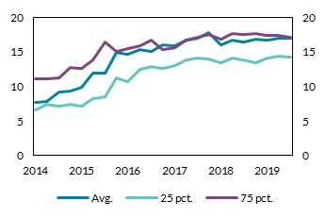
2014-09-30 | 9.130 | 7.182 | 11.274
2014-12-30 | 9.365 | 7.398 | 12.733
2015-03-30 | 9.837 | 7.191 | 12.557
2015-06-30 | 11.847 | 8.290 | 13.802
2015-09-30 | 11.850 | 8.550 | 16.339
2015-12-30 | 14.862 | 11.280 | 15.051
2016-03-30 | 14.642 | 10.664 | 15.441
2016-06-30 | 15.250 | 12.488 | 15.920
2016-09-30 | 15.056 | 12.874 | 16.712
2016-12-30 | 15.936 | 12.612 | 15.329
2017-03-30 | 15.852 | 13.066 | 15.561
2017-06-30 | 16.744 | 13.774 | 16.668
2017-09-30 | 16.949 | 14.140 | 17.124
2017-12-30 | 17.709 | 14.010 | 17.482
2018-03-30 | 16.064 | 13.438 | 16.773
2018-06-30 | 16.674 | 14.069 | 17.582
2018-09-30 | 16.384 | 13.870 | 17.533
2018-12-30 | 16.773 | 13.387 | 17.675
2019-03-30 | 16.655 | 14.041 | 17.401
2019-06-30 | 16.994 | 14.371 | 17.341
2019-09-30 | 16.969 | 14.188 | 17.151

Chart 73
Chart: NPL ratios have continued to decline

Chart Title: NPL ratios for Irish retail banks
Source: Central Bank of Ireland.
Notes: Avg. is the asset-weighted system average. 25 pct. And 75 pct. correspond to the 25th and 75th percentiles respectively. Five domestic retail banks included in the sample. Last observation at 2019Q3.

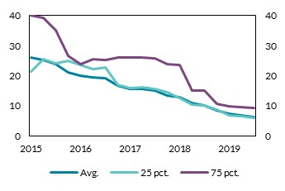
 |  |  |  | per cent | per cent
Date | Avg. | 25 pct. | 75 pct.
2015-03-30 | 25.91 | 21.27 | 40.05
2015-06-30 | 25.12 | 25.46 | 39.10
2015-09-30 | 23.85 | 24.08 | 35.19
2015-12-30 | 21.21 | 24.93 | 26.64
2016-03-30 | 20.01 | 23.54 | 23.97
2016-06-30 | 19.32 | 22.28 | 25.36
2016-09-30 | 19.11 | 22.73 | 25.16
2016-12-30 | 16.60 | 16.96 | 25.95
2017-03-30 | 15.52 | 15.79 | 25.97
2017-06-30 | 15.71 | 16.23 | 25.92
2017-09-30 | 15.07 | 15.55 | 25.87
2017-12-30 | 13.42 | 14.45 | 23.88
2018-03-30 | 12.86 | 12.71 | 23.45
2018-06-30 | 11.02 | 10.41 | 15.06
2018-09-30 | 10.23 | 10.14 | 15.06
2018-12-30 | 8.33 | 8.64 | 10.59
2019-03-30 | 7.38 | 6.90 | 9.94
2019-06-30 | 6.86 | 6.48 | 9.48
2019-09-30 | 6.22 | 5.98 | 9.35

Chart 74
Chart: Provision coverage on NPLs has fallen in recent years, in line with improving economic conditions

Provision coverage ratio on NPLs for five retail banks
Source: Central Bank of Ireland.
Notes: Data for five retail banks. PCR is measured as the ratio of provision levels to outstanding loan amount for NPLs. UTP refers to loans deemed Unlikely to Pay despite not being in arrears.

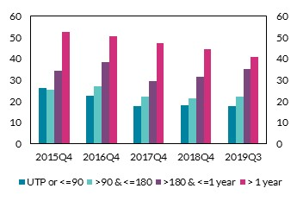
 |  | 2015Q4 | 2016Q4 | 2017Q4 | 2018Q4 | 2019Q3 | provision coverage ratio (PCR) | provision coverage ratio (PCR)
 | UTP or <=90 | 26.168085706 | 22.472921634 | 17.837746602 | 18.035491334 | 17.75199135
 | >90 & <=180 | 25.476853351 | 26.792908989 | 22.289776607 | 21.364896253 | 22.119713346
 | >180 & <=1 year | 34.288789812 | 38.223334938 | 29.226882043 | 31.501362836 | 35.260509311
 | > 1 year | 52.433893818 | 50.466796657 | 47.204281035 | 44.278629406 | 40.912362077

Chart 79
Chart : Costs have risen by almost a quarter since 2015, while income levels are slightly down

Chart title: Evolution of the cost-to-income ratio and its components since 2015
Source: Central Bank of Ireland.
Notes: Five retail banks included. Asset-weighted average reported. Costs and income indexed to a value of 100 in 2015 Q1. Data are quarterly. Last observation at 2019Q3.

Date | Costs | Income
2015-03-30 | 100.0 | 100.0
2015-06-30 | 102.0 | 105.1 | index = 100 at 2015Q1 | index = 100 at 2015Q1
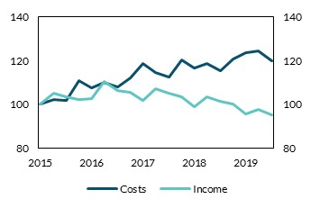
2015-09-30 | 102.0 | 103.4
2015-12-30 | 110.6 | 102.1
2016-03-30 | 107.5 | 102.6
2016-06-30 | 110.2 | 110.4
2016-09-30 | 108.1 | 106.2
2016-12-30 | 111.9 | 105.7
2017-03-30 | 118.5 | 101.8
2017-06-30 | 114.4 | 107.2
2017-09-30 | 112.6 | 104.9
2017-12-30 | 120.0 | 103.6
2018-03-30 | 116.6 | 99.0
2018-06-30 | 118.5 | 103.5
2018-09-30 | 115.5 | 101.3
2018-12-30 | 120.5 | 100.2
2019-03-30 | 123.7 | 95.9
2019-06-30 | 124.3 | 97.6
2019-09-30 | 119.7 | 95.3

Chart 80
Chart: Retail banks have moved closer to their MREL targets, improving their resolvability
Chart Title: MREL stocks and shortfalls from MREL targets in the Irish retail banking sector.
Source: Central Bank of Ireland.
Notes: 2019 figures show progress during the year up to 31 October 2019. Data on five domestic retail banks used.

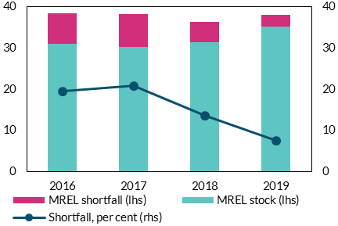
 |  |  |  |  | € billion | per cent
 |  | MREL stock (lhs) | MREL shortfall (lhs) | Shortfall, per cent (rhs)
 | 2016 | 31.02 | 7.49 | 19.44
 | 2017 | 30.31 | 7.97 | 20.81
 | 2018 | 31.40 | 4.95 | 13.62
 | 2019 | 35.29 | 2.87 | 7.52

Chart 81
Chart: Households are continuing to reduce their debts
Chart Title: Household sector debt to disposable income and weighted average interest rates on outstanding loans
Source: CSO and Central Bank of Ireland
Notes: Interest rate calculated as a weighted average of interest rates on all household debt types. Last observation 2019Q2.

 | Debt to disposable income (lhs) | Average interest rate (rhs) | Interest payment to disposable income (rhs)
2003Q1 | 108.98 | 5.28 | 22.28
2003Q2 | 112.36 | 4.94 | 21.55 | per cent | per cent
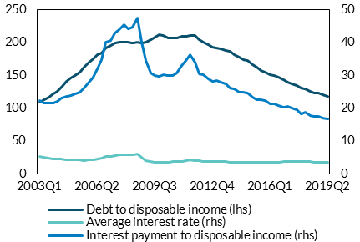
2003Q3 | 116.66 | 4.73 | 21.57
2003Q4 | 121.01 | 4.59 | 21.56
2004Q1 | 125.54 | 4.50 | 22.07
2004Q2 | 132.31 | 4.42 | 23.05
2004Q3 | 140.46 | 4.32 | 23.58
2004Q4 | 145.42 | 4.27 | 23.89
2005Q1 | 149.17 | 4.24 | 24.28
2005Q2 | 154.75 | 4.16 | 24.82
2005Q3 | 162.09 | 4.11 | 26.00
2005Q4 | 168.00 | 4.21 | 27.50
2006Q1 | 174.79 | 4.38 | 29.46
2006Q2 | 181.26 | 4.61 | 32.04
2006Q3 | 184.09 | 4.82 | 34.83
2006Q4 | 191.46 | 5.16 | 39.94
2007Q1 | 195.52 | 5.39 | 40.65
2007Q2 | 198.49 | 5.64 | 42.95
2007Q3 | 199.84 | 5.76 | 43.88
2007Q4 | 200.46 | 5.74 | 45.40
2008Q1 | 200.67 | 5.68 | 44.15
2008Q2 | 199.59 | 5.79 | 44.74
2008Q3 | 200.70 | 6.02 | 47.52
2008Q4 | 198.72 | 4.95 | 40.09
2009Q1 | 200.64 | 4.10 | 34.59
2009Q2 | 204.10 | 3.63 | 30.64
2009Q3 | 208.41 | 3.53 | 29.96
2009Q4 | 211.22 | 3.45 | 29.73
2010Q1 | 210.43 | 3.48 | 30.06
2010Q2 | 207.23 | 3.53 | 29.84
2010Q3 | 206.78 | 3.62 | 29.98
2010Q4 | 207.00 | 3.71 | 30.58
2011Q1 | 209.08 | 3.82 | 32.95
2011Q2 | 209.24 | 4.00 | 34.46
2011Q3 | 210.60 | 4.21 | 36.29
2011Q4 | 210.30 | 4.05 | 34.00
2012Q1 | 204.03 | 3.88 | 30.48
2012Q2 | 200.73 | 3.78 | 30.17
2012Q3 | 196.67 | 3.67 | 28.87
2012Q4 | 192.70 | 3.66 | 28.22
2013Q1 | 191.94 | 3.70 | 28.50
2013Q2 | 190.09 | 3.64 | 27.76
2013Q3 | 188.20 | 3.65 | 27.33
2013Q4 | 186.58 | 3.57 | 26.22
2014Q1 | 181.76 | 3.56 | 25.78
2014Q2 | 177.73 | 3.54 | 24.92
2014Q3 | 173.74 | 3.57 | 24.73
2014Q4 | 172.19 | 3.59 | 24.55
2015Q1 | 165.79 | 3.58 | 23.37
2015Q2 | 162.07 | 3.57 | 22.49
2015Q3 | 157.16 | 3.62 | 22.46
2015Q4 | 154.43 | 3.61 | 22.21
2016Q1 | 151.21 | 3.59 | 21.35
2016Q2 | 149.82 | 3.61 | 21.25
2016Q3 | 147.12 | 3.62 | 20.86
2016Q4 | 142.91 | 3.63 | 20.19
2017Q1 | 139.94 | 3.73 | 20.45
2017Q2 | 137.12 | 3.69 | 19.93
2017Q3 | 134.85 | 3.72 | 19.48
2017Q4 | 130.29 | 3.66 | 18.15
2018Q1 | 128.82 | 3.65 | 18.82
2018Q2 | 125.59 | 3.63 | 17.81
2018Q3 | 123.29 | 3.62 | 17.49
2018Q4 | 122.71 | 3.62 | 17.45
2019Q1 | 119.95 | 3.61 | 17.05
2019Q2 | 117.30 | 3.62 | 16.69

Chart 100
Chart: Investment by funds is particularly important in the financing of CRE

Irish assets held by Irish investment funds as a share of each market
Source: Central Bank of Ireland, Centralised Securities Database.
Note: Data for 2019Q2. Asset holdings exclude equities issued by Irish-authorised investment funds. Counterparty basis may not reflect the ultimate beneficiary’s domicile. DTC refers to ‘Deposit Taking Corporations’ and GOV refers to Governments. Assets exclude equities issued by Irish-authorised investment funds. Market oustanding in a given category calculated as a sum of market outstanding values for each security in a given category in which Irish-authorised investment funds have an exposure. Market oustanding value for commercial real estate (CRE) based on data from Cushman & Wakefield.

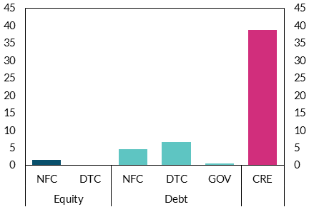
Equity | NFC | 1.62 | per cent | per cent
Equity | DTC | 0.14
Debt | NFC | 4.72
Debt | DTC | 6.65
Debt | GOV | 0.5
 | CRE | 38.81

Chart 101
Chart: Irish-resident funds that invest in CRE have a tail of highly-levered entities

Distribution of leverage in Irish-domiciled real estate funds
Source: Central Bank of Ireland and European Central Bank.
Note: Data for 2019Q2. Financial leverage ratio is total assets under management divided by total net asset value minus 1, and can be biased where non-equity liabilities are used by funds for purposes other than leverage. Aside from shareholder loans, as discussed, this bias is expected to be small for Irish real estate funds. Bars show the 90th, 75th, 50th, 25th and 10th percentiles of leverage of real estate funds domiciled in Ireland. Irish real estate funds are those investment funds resident in Ireland which hold Irish real estate. Adjusted leverage metric calculated assuming that shareholder loans would be equivalent to equity.

 |  |  | ratio | ratio
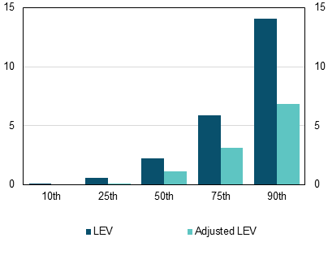

Percentile | LEV | Adjusted LEV
10th | 0 | 0
25th | 0.59 | 0.02
50th | 2.26 | 1.16
75th | 5.87 | 3.16
90th | 14.12 | 6.84

Chart 102
Chart: Irish-resident funds that invest in CRE are more highly-levered than their European peers

Distribution of leverage in real estate funds across European countries
Source: Central Bank of Ireland and European Central Bank.
Note: Data for 2014Q1-2019Q2. Financial leverage ratio is total assets under management divided by total net asset value minus 1, and can be biased where non-equity liabilities are used by funds for purposes other than leverage. Aside from shareholder loans, as discussed, this bias is expected to be small for Irish real estate funds. Box plots show the 90th, 75th, 25th and 10th percentiles of leverage of real estate funds across other European countries. Irish real estate funds are those investment funds resident in Ireland which hold Irish real estate. Real estate funds in other countries are those that self-identify as real estate funds. Adjusted value assuming shareholder loans would be equivalent to equity.

 |  |  |  |  |  |  | ratio |  |  |  | ratio
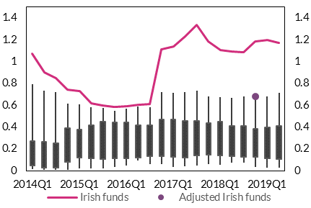

 | 2014Q1 | 2014Q2 | 2014Q3 | 2014Q4 | 2015Q1 | 2015Q2 | 2015Q3 | 2015Q4 | 2016Q1 | 2016Q2 | 2016Q3 | 2016Q4 | 2017Q1 | 2017Q2 | 2017Q3 | 2017Q4 | 2018Q1 | 2018Q2 | 2018Q3 | 2018Q4 | 2019Q1 | 2019Q2
Percentile
75th | 0.27 | 0.27 | 0.25 | 0.39 | 0.38 | 0.41 | 0.45 | 0.44 | 0.44 | 0.42 | 0.41 | 0.47 | 0.47 | 0.45 | 0.45 | 0.43 | 0.45 | 0.41 | 0.41 | 0.38 | 0.4 | 0.41
90th | 0.79 | 0.73 | 0.72 | 0.61 | 0.61 | 0.58 | 0.57 | 0.55 | 0.57 | 0.58 | 0.58 | 0.72 | 0.71 | 0.72 | 0.73 | 0.68 | 0.67 | 0.67 | 0.68 | 0.65 | 0.68 | 0.71
10th | 0.01 | 0.01 | 0.01 | 0.01 | 0.02 | 0.02 | 0.02 | 0.03 | 0.05 | 0.09 | 0.06 | 0.06 | 0.04 | 0.04 | 0.05 | 0.06 | 0.05 | 0.07 | 0.08 | 0.04 | 0.03 | 0.03
25th | 0.05 | 0.03 | 0.03 | 0.08 | 0.12 | 0.11 | 0.11 | 0.11 | 0.11 | 0.12 | 0.13 | 0.13 | 0.12 | 0.12 | 0.14 | 0.15 | 0.14 | 0.13 | 0.13 | 0.13 | 0.11 | 0.11

Irish funds | 1.07 | 0.9 | 0.85 | 0.74 | 0.73 | 0.62 | 0.6 | 0.58 | 0.59 | 0.6 | 0.61 | 1.11 | 1.14 | 1.23 | 1.33 | 1.19 | 1.11 | 1.09 | 1.09 | 1.19 | 1.2 | 1.17
Adjusted Irish funds |  |  |  |  |  |  |  |  |  |  |  |  |  |  |  |  |  |  |  | 0.68

Chart 103
Chart: Irish resident funds that invest in CRE have stable liquidity buffers

Liquidity buffers of Irish-authorised investment funds with holdings of Irish CRE
Source: Central Bank of Ireland.
Note: Data for 2014Q1-2019Q2. Liquidity buffer is defined as (liquid assets/total assets). Liquid assets are defined as cash, deposits, advanced economies' government short-term debt, eurozone bank short-term debt, and advanced economies' equities. The composition of funds with Irish real estate holdings changes over time.

 |  | per cent | per cent
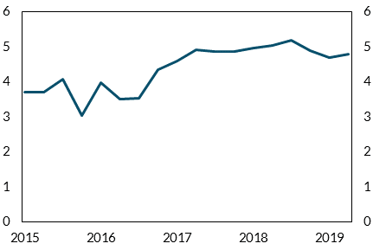

Date | Liquidity
2014-03-31 | 5.09
2014-06-30 | 2.26
2014-09-30 | 2.3
2014-12-31 | 2.75
2015-03-31 | 3.7
2015-06-30 | 3.71
2015-09-30 | 4.07
2015-12-31 | 3.04
2016-03-31 | 3.97
2016-06-30 | 3.51
2016-09-30 | 3.54
2016-12-30 | 4.34
2017-03-31 | 4.59
2017-06-30 | 4.93
2017-09-29 | 4.86
2017-12-29 | 4.86
2018-03-29 | 4.95
2018-06-29 | 5.04
2018-09-28 | 5.2
2018-12-31 | 4.9
2019-03-29 | 4.69
2019-06-28 | 4.8

