Front
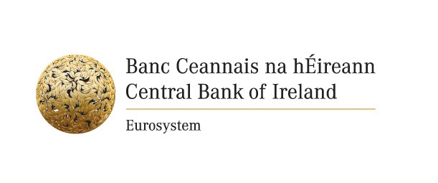

Reporting Forms for the Triennial Central Bank Survey of Foreign Exchange and Derivatives Market Activity
Turnover in April 2022

Bank name:
Reporting Contact:
Email Address:
Telephone:

