Cover
Asset Management - Transactional Information
Version | 3.0
 |  |  |  | Return Status: | Invalid

 | SpreadSheet | Status |  | Data Validation Errors

 | AMS | Invalid | 0 | 1

Template Guidance

* | Please rename the Excel template according to the ONR file upload naming convention: C12345_YYYYMMDD_XYZ.xlsx,
 | where C12345 should be updated with the C-code of the reporting firm, YYYYMMDD should be updated with the
 | reporting date, and XYZ should be updated according to the three digits code of the return as it appears in the
 | ONR file submission page.

* | C-code and reporting date from the Excel file name will be used to identify the metrics that the firm will need to populate.
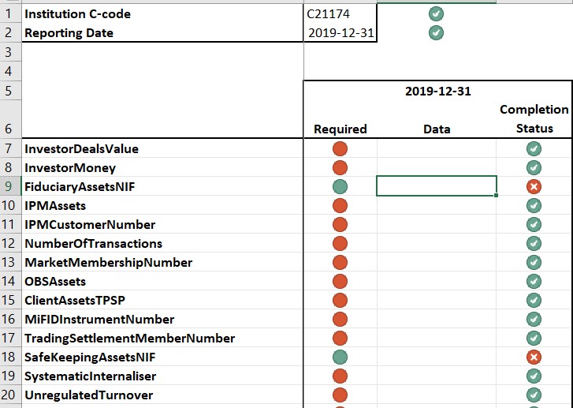
 |  |  |  | Institution C-code and reporting date of the return populated from
 |  |  |  | the Excel file name.

 |  |  |  | Under the column 'Required', the firm can see which metrics are
 |  |  |  | requested: green color indicates that the metric needs to be populated,
 |  |  |  | red color indicates that the metric is not requested.

 |  |  |  | It may be possible that the metric is requested (green) but it does not
 |  |  |  | apply to the firm. In such a case please include the number zero as the
 |  |  |  | value for the metric.

 | The column 'Completion Status' indicates if the information is still pending or has been provided. All symbols should
 | be green-valid before the file can be submitted via the ONR. The overall status of the template appears in the 'Cover'
 | spreadsheet under 'Return Status', which needs to be 'Valid' before the file can be submitted via the ONR.

