Figure 1
Figure 1
The economy will recover its pre-pandemic level of domestic demand by end-2021, but the surge in demand will generate some transitory inflation.
Consumption, MDD and Employment
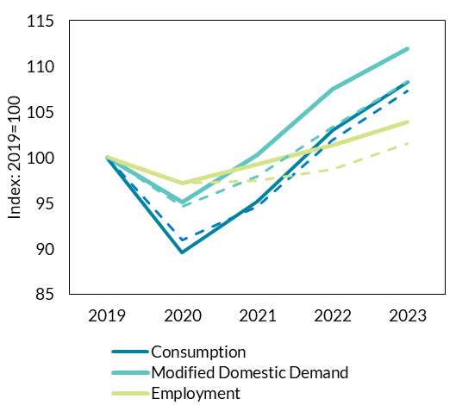
 |  | 2019 | 2020 | 2021 | 2022 | 2023
QB4 2021 | Consumption | 100.0 | 89.6 | 95.13728 | 103.03367424 | 108.28839163
QB4 2021 | Modified Domestic Demand | 100.0 | 95.14 | 100.334644 | 107.45840372 | 111.90718164
QB4 2021 | Employment | 100.0 | 97.16 | 99.239224 | 101.38279124 | 103.91736102

QB3 2021 | Consumption | 100.0 | 90.95 | 94.651665 | 101.87358704 | 107.25251244
QB3 2021 | Modified Domestic Demand | 100.0 | 94.61 | 97.959194 | 103.36654151 | 108.31779885
QB3 2021 | Employment | 100.0 | 97.16 | 97.45148 | 98.698858944 | 101.50190654

 |  |  |  |  |  |  | Source: CSO and Central Bank of Ireland

Figure 2
Figure 2
The economy will recover its pre-pandemic level of domestic demand by end-2021, but the surge in demand will generate some transitory inflation.
HICP Inflation

 |  | 2020 | 2021 | 2022 | 2023
QB4 2021 | HICP | -0.46 | 2.10 | 2.90 | 1.89
QB4 2021 | HICP Excluding Energy | -0.07 | 1.18 | 2.33 | 2.01
QB3 2021 | HICP | -0.46 | 1.76 | 1.95 | 1.72
QB3 2021 | HICP Excluding Energy | -0.07 | 1.34 | 1.96 | 1.8
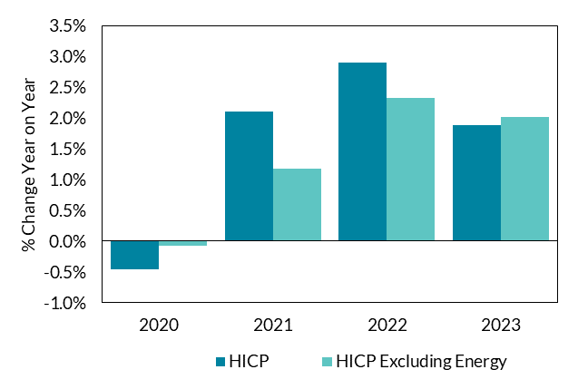

Source: CSO and Central Bank of Ireland

Figure 3
Figure 3
Domestic demand recovered strongly during the second quarter
Contributions to year-on-year growth in Modified Domestic Demand

 | Modified Investment | Consumption | Government Expenditure | Modified Domestic Demand
2020Q1 | 0.43% | -3.47% | 0.35% | -2.69%
2020Q2 | -3.15% | -11.86% | 2.82% | -12.25%
2020Q3 | -0.39% | -4.51% | 2.06% | -2.77%
2020Q4 | 0.00% | -5.27% | 3.13% | -2.20%
2021Q1 | -1.13% | -6.84% | 2.70% | -5.34%
2021Q2 | 3.71% | 10.79% | 0.53% | 15.06%

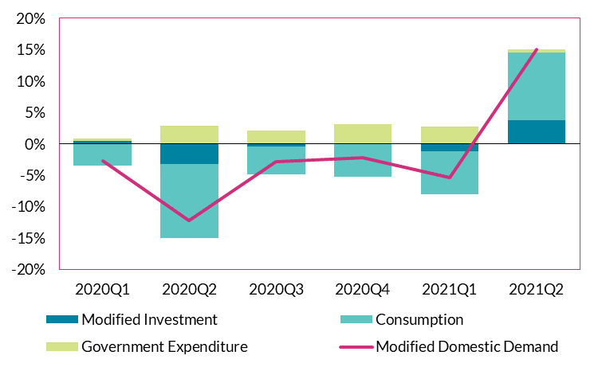

 | Source: CSO

Figure 4
Figure 4
Output growth has been dominated by ICT and Industry (of which the pharma sector is the largest share)
GVA Growth by Sector

 | Industry (excl. Construction) | Information and Communication | All Sectors | Other sectors
2020Q1 | 8.87% | 2.86% | 9.28% | -2.44%
2020Q2 | 7.15% | -0.36% | 1.71% | -5.08%
2020Q3 | 7.56% | 5.40% | 11.97% | -0.98%
2020Q4 | 8.12% | 0.52% | 5.27% | -3.37%
2021Q1 | 9.33% | 1.99% | 9.95% | -1.37%
2021Q2 | 11.51% | 3.63% | 22.14% | 6.99%

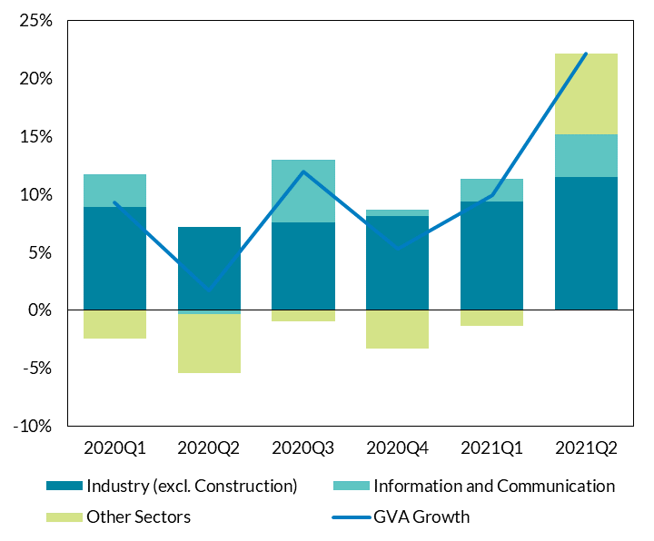

 | Source: CSO

Figure 5
Figure 5
The foreign dominated sectors of the economy have grown steadily through the pandemic
GVA Growth (Foreign vs Domestic NACE Sectors)

Period | Foreign-owned MNE dominated | Other | Total

2020Q1 | 13.04 | -1.84 | 4.96
2020Q2 | 2.57 | -17.15 | -7.45
2020Q3 | 9.29 | 11.08 | 10.10
2020Q4 | -4.20 | 2.61 | -1.07
2021Q1 | 14.12 | -1.08 | 6.88
2021Q2 | 3.73 | 2.04 | 2.98
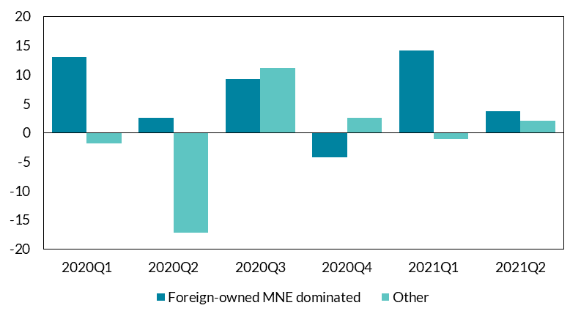

 | Source: CSO

Figure 6
Figure 6
Businesses see continuing rapid expansion, while consumers’ confidence remains but does not surpass pre-pandemic levels
Consumer Sentiment Indicator

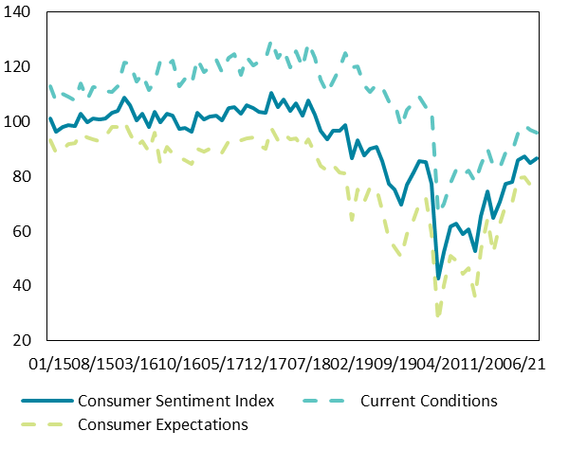
 | Consumer Sentiment Index | Current Conditions | Consumer Expectations
Jan-15 | 101.1 | 112.8 | 93.2
Feb-15 | 96.1 | 107.2 | 88.6
Mar-15 | 97.8 | 110.0 | 89.6
Apr-15 | 98.7 | 109.0 | 91.8
May-15 | 98.5 | 107.7 | 92.2
Jun-15 | 102.8 | 113.9 | 95.4
Jul-15 | 99.7 | 108.0 | 94.1
Aug-15 | 101.1 | 112.6 | 93.4
Sep-15 | 100.6 | 112.5 | 92.7
Oct-15 | 101.3 | 111.2 | 94.6
Nov-15 | 103.1 | 110.8 | 97.9
Dec-15 | 103.9 | 112.9 | 97.9
Jan-16 | 108.6 | 121.4 | 100.0
Feb-16 | 105.8 | 121.0 | 95.5
Mar-16 | 100.6 | 114.5 | 91.2
Apr-16 | 102.7 | 117.3 | 92.9
May-16 | 98.1 | 111.4 | 89.1
Jun-16 | 103.4 | 114.5 | 95.9 | Source: KBC
Jul-16 | 99.6 | 122.3 | 84.4
Aug-16 | 102.7 | 120.4 | 90.8
Sep-16 | 102.0 | 122.1 | 88.4
Oct-16 | 97.3 | 112.9 | 86.9
Nov-16 | 97.8 | 115.6 | 85.8
Dec-16 | 96.2 | 113.6 | 84.5
Jan-17 | 103.1 | 122.8 | 89.9
Feb-17 | 100.7 | 117.9 | 89.1
Mar-17 | 101.9 | 119.7 | 89.9
Apr-17 | 102.0 | 122.4 | 88.3
May-17 | 100.5 | 118.0 | 88.8
Jun-17 | 105.0 | 123.4 | 92.7
Jul-17 | 105.1 | 124.6 | 92.0
Aug-17 | 102.9 | 117.0 | 93.3
Sep-17 | 105.8 | 123.4 | 94.0
Oct-17 | 104.8 | 120.5 | 94.3
Nov-17 | 103.6 | 121.7 | 91.5
Dec-17 | 103.2 | 122.9 | 90.0
Jan-18 | 110.4 | 129.6 | 97.5
Feb-18 | 105.2 | 123.3 | 93.1
Mar-18 | 108.1 | 126.4 | 95.7
Apr-18 | 104.0 | 119.8 | 93.4
May-18 | 106.7 | 125.7 | 93.9
Jun-18 | 102.1 | 119.8 | 90.3
Jul-18 | 107.6 | 128.9 | 93.4
Aug-18 | 102.4 | 123.2 | 88.4
Sep-18 | 96.4 | 115.4 | 83.7
Oct-18 | 93.5 | 110.3 | 82.1
Nov-18 | 96.5 | 114.6 | 84.3
Dec-18 | 96.5 | 119.2 | 81.2
Jan-19 | 98.8 | 125.1 | 81.1
Feb-19 | 86.5 | 119.7 | 64.1
Mar-19 | 93.1 | 120.1 | 75.0
Apr-19 | 87.7 | 113.1 | 70.6
May-19 | 89.9 | 110.6 | 76.0
Jun-19 | 90.9 | 113.6 | 75.7
Jul-19 | 85.5 | 112.3 | 67.7
Aug-19 | 77.2 | 107.4 | 57.1
Sep-19 | 75.3 | 107.0 | 54.1
Oct-19 | 69.5 | 98.1 | 50.5
Nov-19 | 77.1 | 104.2 | 58.9
Dec-19 | 81.4 | 107.1 | 64.3
Jan-20 | 85.5 | 108.9 | 69.9
Feb-20 | 85.2 | 105.1 | 71.9
Mar-20 | 77.3 | 104.8 | 59.0
Apr-20 | 42.6 | 66.1 | 26.9
May-20 | 52.3 | 70.1 | 40.4
Jun-20 | 61.6 | 77.5 | 50.9
Jul-20 | 62.6 | 82.6 | 49.2
Aug-20 | 58.9 | 80.5 | 44.5
Sep-20 | 60.7 | 82.0 | 46.5
Oct-20 | 52.6 | 77.9 | 35.8
Nov-20 | 65.5 | 84.3 | 53.0
Dec-20 | 74.6 | 89.9 | 64.5
Jan-21 | 64.9 | 84.0 | 52.2
Feb-21 | 70.8 | 83.0 | 62.7
Mar-21 | 77.1 | 88.8 | 69.3
Apr-21 | 77.9 | 89.0 | 70.5
May-21 | 85.8 | 95.5 | 79.3
Jun-21 | 87.2 | 98.7 | 79.6
Jul-21 | 84.9 | 97.0 | 76.8
Aug-21 | 86.5 | 96.0 | 80.2

Figure 9
Figure 9
Supply chain bottlenecks and an increase in input prices is contributing to consumer price inflation in the short term
Irish inflation (CPI and HICP)

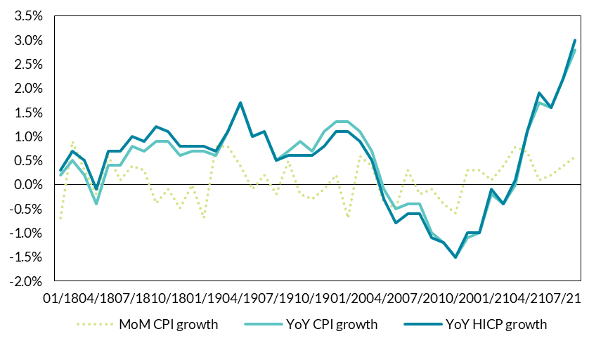
 | Index | Monthly inflation (CPI) | Annual inflation (CPI) | Annual inflation (HICP)
Jan-18 | 99.7 |  | 0.2 | 0.3
Feb-18 | 100.6 | 0.9 | 0.5 | 0.7
Mar-18 | 100.9 | 0.3 | 0.2 | 0.5
Apr-18 | 100.7 | -0.2 | -0.4 | -0.1
May-18 | 101.3 | 0.6 | 0.4 | 0.7
Jun-18 | 101.4 | 0.1 | 0.4 | 0.7
Jul-18 | 101.8 | 0.4 | 0.8 | 1
Aug-18 | 102.1 | 0.3 | 0.7 | 0.9
Sep-18 | 101.7 | -0.4 | 0.9 | 1.2
Oct-18 | 101.6 | -0.1 | 0.9 | 1.1
Nov-18 | 101.1 | -0.5 | 0.6 | 0.8
Dec-18 | 101.1 | 0.0 | 0.7 | 0.8
Jan-19 | 100.4 | -0.7 | 0.7 | 0.8
Feb-19 | 101.2 | 0.8 | 0.6 | 0.7
Mar-19 | 102 | 0.8 | 1.1 | 1.1
Apr-19 | 102.4 | 0.4 | 1.7 | 1.7
May-19 | 102.3 | -0.1 | 1 | 1
Jun-19 | 102.5 | 0.2 | 1.1 | 1.1
Jul-19 | 102.3 | -0.2 | 0.5 | 0.5 | Source: CSO
Aug-19 | 102.8 | 0.5 | 0.7 | 0.6
Sep-19 | 102.6 | -0.2 | 0.9 | 0.6
Oct-19 | 102.3 | -0.3 | 0.7 | 0.6
Nov-19 | 102.2 | -0.1 | 1.1 | 0.8
Dec-19 | 102.4 | 0.2 | 1.3 | 1.1
Jan-20 | 101.7 | -0.7 | 1.3 | 1.1
Feb-20 | 102.3 | 0.6 | 1.1 | 0.9
Mar-20 | 102.7 | 0.4 | 0.7 | 0.5
Apr-20 | 102.3 | -0.4 | -0.1 | -0.3
May-20 | 101.8 | -0.5 | -0.5 | -0.8
Jun-20 | 102.1 | 0.3 | -0.4 | -0.6
Jul-20 | 101.9 | -0.2 | -0.4 | -0.6
Aug-20 | 101.8 | -0.1 | -1 | -1.1
Sep-20 | 101.4 | -0.4 | -1.2 | -1.2
Oct-20 | 100.8 | -0.6 | -1.5 | -1.5
Nov-20 | 101.1 | 0.3 | -1.1 | -1
Dec-20 | 101.4 | 0.3 | -1 | -1
Jan-21 | 101.5 | 0.1 | -0.2 | -0.1
Feb-21 | 101.9 | 0.4 | -0.4 | -0.4
Mar-21 | 102.7 | 0.8 | 0 | 0.1
Apr-21 | 103.4 | 0.7 | 1.1 | 1.1
May-21 | 103.5 | 0.1 | 1.7 | 1.9
Jun-21 | 103.7 | 0.2 | 1.6 | 1.6
Jul-21 | 104.1 | 0.4 | 2.2 | 2.2
Aug-21 | 104.7 | 0.6 | 2.8 | 3

Figure 11
Figure 11
Consumption will be the primary driver of the recovery in domestic demand
Contributions to Modified Domestic Demand

Year | Consumption | Government | Modified Investment | Modified Domestic Demand
2019 | 2.0 | 1.3 | -1.6 | 1.7
2020 | -6.2 | 2.1 | -0.8 | -4.9
2021f | 3.5 | 0.9 | 1.1 | 5.5
2022f | 4.7 | 0.7 | 1.7 | 7.1
2023f | 2.9 | -0.2 | 1.5 | 4.1
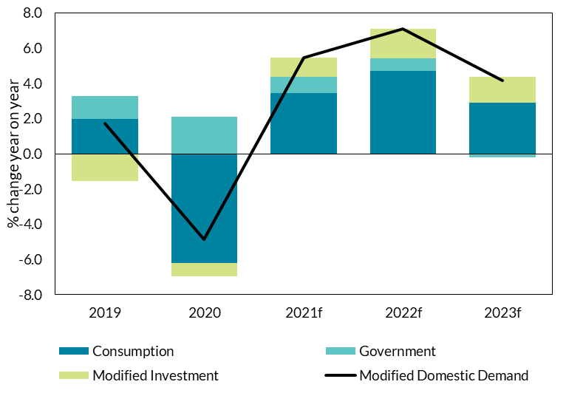

 | Source: CSO and Central Bank of Ireland

Figure 12
Figure 12
Some retail sectors are seeing pent-up demand after reopening
Retail Sales Index

 | All retail businesses | Cars | Household Equipment | Textiles, clothing and footwear
Aug-19 | 100 | 100 | 100 | 100
Sep-19 | 101.79180887 | 103.25417766 | 100 | 97.567114094
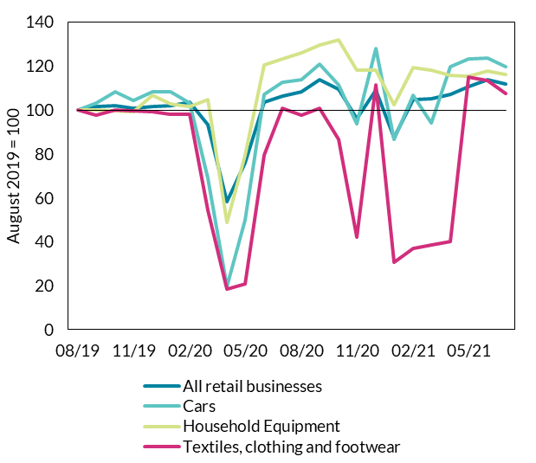
Oct-19 | 101.87713311 | 108.17941953 | 99.813200498 | 100.08389262
Nov-19 | 100.93856655 | 104.48548813 | 99.377334994 | 99.580536913
Dec-19 | 101.70648464 | 108.44327177 | 106.60024907 | 99.32885906
Jan-20 | 102.21843003 | 108.26737027 | 102.86425903 | 97.986577181
Feb-20 | 103.66894198 | 103.34212841 | 101.61892902 | 98.154362416
Mar-20 | 93.259385666 | 68.865435356 | 104.66998755 | 54.27852349
Apr-20 | 58.447098976 | 19.700967458 | 48.941469489 | 18.456375839
May-20 | 75.853242321 | 49.868073879 | 79.389788294 | 20.889261745
Jun-20 | 103.58361775 | 107.2119613 | 120.73474471 | 79.697986577
Jul-20 | 106.22866894 | 112.66490765 | 123.41220423 | 100.67114094
Aug-20 | 108.36177474 | 113.89621812 | 125.90286426 | 97.734899329
Sep-20 | 113.8225256 | 120.75637643 | 129.7633873 | 101.00671141
Oct-20 | 109.38566553 | 111.52154793 | 131.81818182 | 86.493288591
Nov-20 | 96.245733788 | 93.579595427 | 117.99501868 | 42.197986577
Dec-20 | 109.0443686 | 128.14423923 | 118.05728518 | 111.57718121
Jan-21 | 87.28668942 | 86.719437115 | 102.42839352 | 30.704697987
Feb-21 | 104.69283276 | 106.77220756 | 119.17808219 | 37.080536913
Mar-21 | 105.20477816 | 94.107299912 | 118.18181818 | 38.422818792
Apr-21 | 107.16723549 | 119.78891821 | 115.75342466 | 40.100671141 | Source: CSO
May-21 | 110.83617747 | 123.39489886 | 115.44209215 | 114.84899329
Jun-21 | 113.73720137 | 123.6587511 | 117.93275218 | 113.42281879
Jul-21 | 111.86006826 | 119.61301671 | 116.31382316 | 107.38255034

Figure 13
Figure 13
Services have been slower to recover, but have surpassed pre-crisis levels in Q3
Monthly Services Index

 | Monthly Services Index (rebased August 2019 = 100)
Aug-19 | 100
Sep-19 | 98.739164697
Oct-19 | 98.581560284
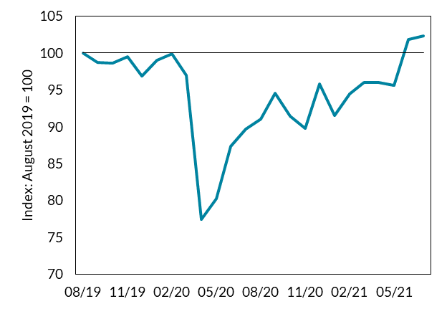
Nov-19 | 99.527186761
Dec-19 | 96.847911742
Jan-20 | 99.054373522
Feb-20 | 99.921197794
Mar-20 | 97.005516154
Apr-20 | 77.462568952
May-20 | 80.220646178
Jun-20 | 87.391646966
Jul-20 | 89.676910954
Aug-20 | 91.016548463
Sep-20 | 94.562647754
Oct-20 | 91.410559496
Nov-20 | 89.75571316
Dec-20 | 95.823483058
Jan-21 | 91.489361702
Feb-21 | 94.483845548 | Source: CSO
Mar-21 | 95.98108747
Apr-21 | 95.98108747
May-21 | 95.587076438
Jun-21 | 101.81245075
Jul-21 | 102.28526399

Figure 14
Figure 14
The consumption recovery will bring the savings ratio back towards pre-Covid levels
Consumption and income levels

Year | Consumption (2019 = 100) | Gross Disposable Income (2019 = 100)
2019 | 100 | 100
2020 | 89.326781042 | 108.1299537
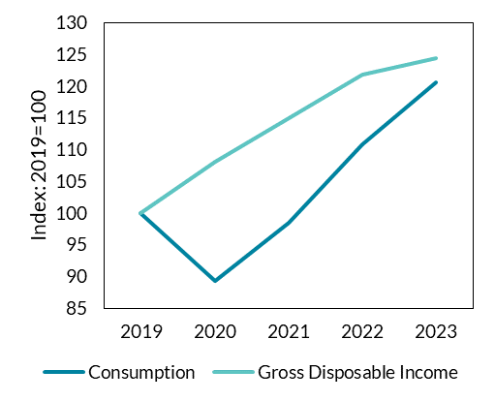
2021 | 98.378011315 | 114.93543035
2022 | 110.748495 | 121.76735793
2023 | 120.62772568 | 124.39703194

 |  |  | Source: CSO and Central Bank of Ireland

Figure 15
Figure 15
The consumption recovery will bring the savings ratio back towards pre-Covid levels
Savings ratio

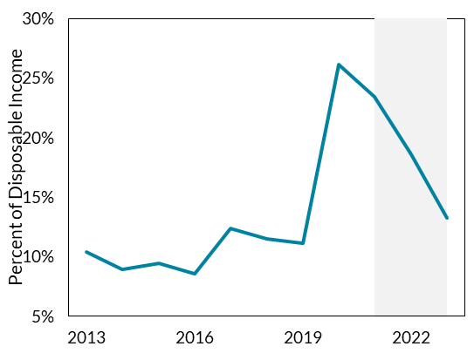
Year | Savings ratio
2013 | 10.4%
2014 | 8.9%
2015 | 9.5%
2016 | 8.6%
2017 | 12.4%
2018 | 11.5%
2019 | 11.2%
2020 | 26.1%
2021 | 23.5%
2022 | 18.6%
2023 | 13.2%

 |  | Source: CSO and Central Bank of Ireland

Figure 16
Figure 16
Building and construction will be the main driver of domestic investment growth in 2022 and 2023
Contributions to Modified Investment Growth

 | 2015 | 2016 | 2017 | 2018 | 2019 | 2020 | 2021(f) | 2022(f) | 2023(f)
Building and Construction | 3.6 | 5.4 | 6.1 | 6.1 | 3.7 | -3.6 | 2.3 | 5.9 | 5.0
Machinery and Equipment excluding Aircraft relating to Leasing | 3.8 | 6.9 | -4.5 | 1.5 | -4.3 | -2.0 | 1.8 | 1.5 | 1.1
Intangibles excluding R&D related IP imports | 4.1 | -2.2 | 5.3 | -0.6 | -3.6 | 2.7 | 1.1 | 0.7 | 0.7
Modified Investment | 11.4 | 8.9 | 5.2 | 6.1 | -7.0 | -3.6 | 5.1 | 8.0 | 6.7

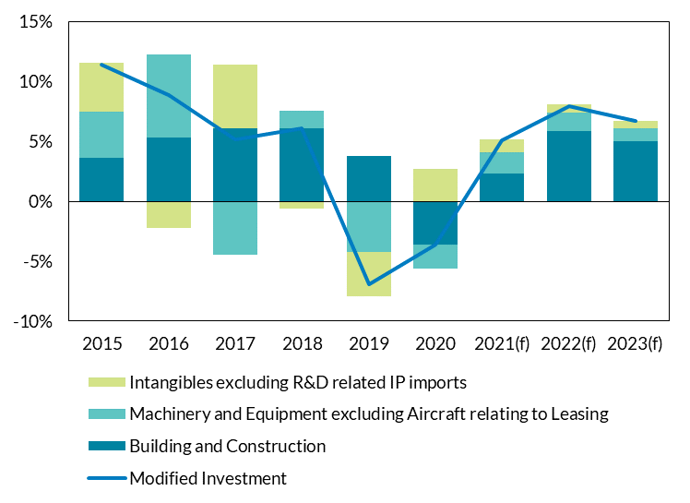

Source: CSO and Central Bank of Ireland

Figure 17
Figure 17
Housing supply indicators suggest supply recovering to pre-pandemic levels
Housing supply indicators

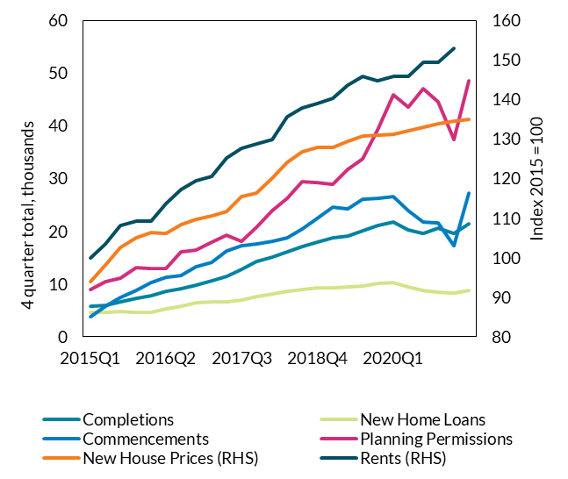
 |  | Completions | Registrations | New Home Loans | Commencements | Planning Permissions | New House Prices (RHS) | Rents (RHS)
 | 2015Q1 | 5795 | 2874 | 4601 | 3788 | 9020 | 94 | 100
 | 2015Q2 | 6047 | 3520 | 4696 | 5763 | 10524 | 98 | 103
 | 2015Q3 | 6676 | 4326 | 4731 | 7409 | 11084 | 103 | 108
 | 2015Q4 | 7219 | 4290 | 4606 | 8747 | 13044 | 105 | 109
 | 2016Q1 | 7825 | 4764 | 4703 | 10312 | 12922 | 106 | 109
 | 2016Q2 | 8649 | 4898 | 5266 | 11281 | 12953 | 106 | 114
 | 2016Q3 | 9101 | 4864 | 5720 | 11642 | 16063 | 108 | 117
 | 2016Q4 | 9876 | 5626 | 6450 | 13234 | 16375 | 110 | 120
 | 2017Q1 | 10662 | 6573 | 6592 | 14192 | 17934 | 111 | 121
 | 2017Q2 | 11529 | 8281 | 6633 | 16277 | 19246 | 112 | 125
 | 2017Q3 | 12810 | 9265 | 7020 | 17323 | 18171 | 116 | 128
 | 2017Q4 | 14348 | 9466 | 7672 | 17572 | 20776 | 116 | 129
 | 2018Q1 | 15044 | 9269 | 8090 | 18086 | 23892 | 120 | 130
 | 2018Q2 | 16176 | 9036 | 8613 | 18805 | 26216 | 124 | 136
 | 2018Q3 | 17043 | 9593 | 9018 | 20460 | 29495 | 127 | 138
 | 2018Q4 | 17914 | 10265 | 9333 | 22467 | 29243 | 128 | 139
 | 2019Q1 | 18703 | 11004 | 9359 | 24642 | 28970 | 128 | 140
 | 2019Q2 | 19110 | 10604 | 9404 | 24226 | 31759 | 129 | 144
 | 2019Q3 | 20126 | 10224 | 9710 | 26106 | 33830 | 131 | 146
 | 2019Q4 | 21076 | 10784 | 10121 | 26237 | 39242 | 131 | 145
 | 2020Q1 | 21773 | 11443 | 10286 | 26541 | 45881 | 131 | 146 | Source: CSO, DoHLGH, BPFI, Central Bank of Ireland
 | 2020Q2 | 20203 | 10173 | 9412 | 23929 | 43586 | 132 | 146
 | 2020Q3 | 19619 | 10298 | 8775 | 21774 | 47096 | 133 | 149
 | 2020Q4 | 20584 | 9260 | 8530 | 21686 | 44538 | 134 | 149
 | 2021Q1 | 19592 | 9185 | 8250 | 17278 | 37369 | 135 | 153
 | 2021Q2 | 21383 |  | 8848 | 27264 | 48519 | 135

Figure 19
Figure 19
Exports from Ireland are dominated by pharmaceuticals and computer services
Exports from Ireland

Exports from Ireland (Merchandise and Services) | 211850
Of which %
Pharma | 24.5
Computer Services | 36.8
Remaining | 38.7
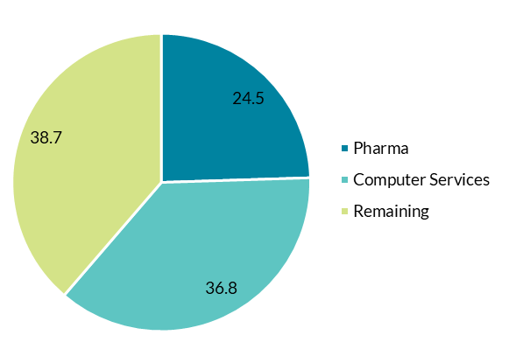

Source: CSO

Figure 20
Figure 20
On top of this, exports abroad on behalf of Irish firms are counted in Irish exports
Exports by location of production

 | 2020Q1 | 2020Q2 | 2020Q3 | 2020Q4 | 2021Q1 | 2021Q2
Exports produced and exported abroad on behalf of Irish firms | 18.405 | 20.07 | 22.126 | 28.217 | 30.657 | 30.678
Exports produced in Ireland | 118.284 | 112.389 | 119.167 | 139.038 | 131.033 | 137.875

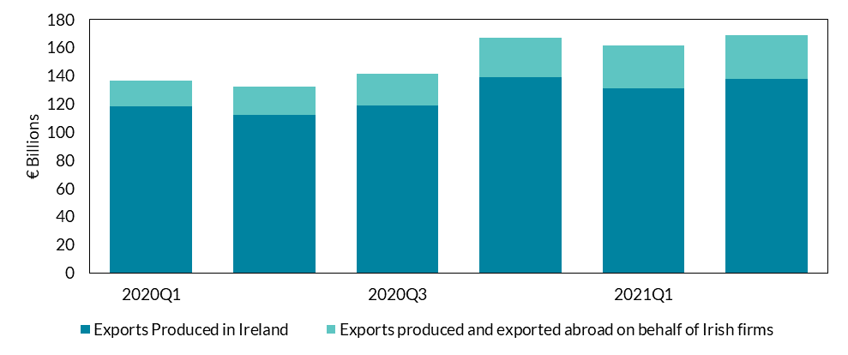

Source: CSO

Figure 22
Figure 22
Services will continue to be the primary driver of overall export growth
Contributions to Export Growth (forecast)

 | Goods | Services | Contract Manufacturing | Merchanting | Total | Other
2021 | 1.7% | 4.1% | 4.8% | 4.5% | 16.7% | 1.6%
2022 | 0.9% | 5.6% | 1.3% | 1.2% | 7.4% | -1.6%
2023 | 0.9% | 5.0% | 0.9% | 0.3% | 6.7% | -0.4%
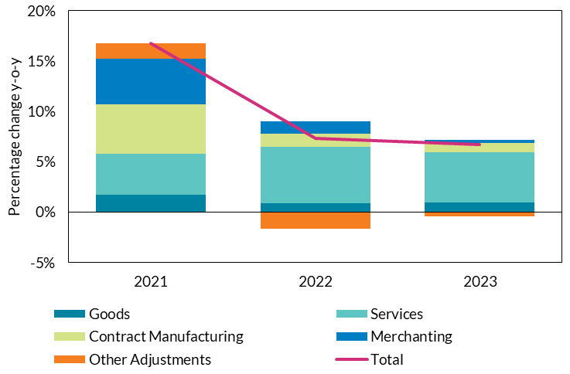

 | Source: CSO and Central Bank of Ireland

Figure 23
Figure 23
Female labour force participation close to peak levels
Male and Female Labour Force Participation Rates

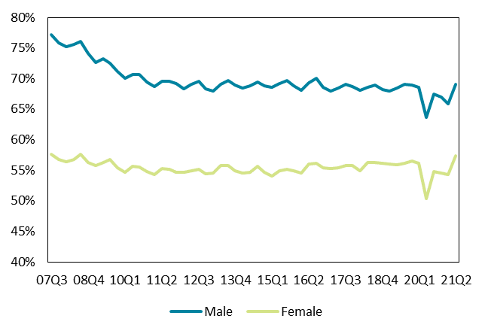
 | Male | Female
1998Q1 | 72.6 | 46.8
1998Q2 | 72.9 | 46.7
1998Q3 | 74.6 | 48.2
1998Q4 | 72.8 | 46.6
1999Q1 | 73.1 | 47.9
1999Q2 | 74.3 | 48.9
1999Q3 | 76.1 | 50.5
1999Q4 | 74.3 | 49.2
2000Q1 | 74.1 | 49.0
2000Q2 | 74.7 | 50.2
2000Q3 | 76.2 | 51.6
2000Q4 | 74.2 | 49.8
2001Q1 | 73.8 | 49.7
2001Q2 | 74.6 | 50.5
2001Q3 | 76.3 | 52.5
2001Q4 | 74.2 | 51.0 | Source: CSO
2002Q1 | 73.5 | 50.9
2002Q2 | 73.9 | 51.3
2002Q3 | 75.0 | 52.4
2002Q4 | 73.5 | 51.4
2003Q1 | 73.3 | 51.2
2003Q2 | 73.7 | 51.7
2003Q3 | 75.0 | 52.7
2003Q4 | 73.5 | 51.7
2004Q1 | 73.8 | 52.0
2004Q2 | 74.3 | 52.1
2004Q3 | 75.5 | 53.6
2004Q4 | 74.1 | 53.0
2005Q1 | 74.2 | 53.3
2005Q2 | 75.1 | 54.3
2005Q3 | 76.5 | 55.2
2005Q4 | 75.1 | 54.4
2006Q1 | 75.4 | 54.6
2006Q2 | 76.1 | 55.4
2006Q3 | 77.2 | 56.2
2006Q4 | 76.1 | 55.5
2007Q1 | 76.3 | 56.1
2007Q2 | 76.4 | 57.0
2007Q3 | 77.2 | 57.6
2007Q4 | 75.8 | 56.7
2008Q1 | 75.2 | 56.4
2008Q2 | 75.6 | 56.7
2008Q3 | 76.1 | 57.6
2008Q4 | 74.1 | 56.2
2009Q1 | 72.6 | 55.7
2009Q2 | 73.2 | 56.3
2009Q3 | 72.5 | 56.7
2009Q4 | 71.1 | 55.4
2010Q1 | 70.0 | 54.7
2010Q2 | 70.7 | 55.6
2010Q3 | 70.7 | 55.5
2010Q4 | 69.4 | 54.8
2011Q1 | 68.7 | 54.3
2011Q2 | 69.5 | 55.3
2011Q3 | 69.6 | 55.2
2011Q4 | 69.2 | 54.7
2012Q1 | 68.3 | 54.6
2012Q2 | 69.0 | 54.9
2012Q3 | 69.5 | 55.1
2012Q4 | 68.3 | 54.4
2013Q1 | 68.0 | 54.5
2013Q2 | 69.1 | 55.7
2013Q3 | 69.7 | 55.7
2013Q4 | 68.9 | 54.9
2014Q1 | 68.4 | 54.5
2014Q2 | 68.8 | 54.7
2014Q3 | 69.4 | 55.6
2014Q4 | 68.8 | 54.7
2015Q1 | 68.5 | 54.0
2015Q2 | 69.2 | 54.9
2015Q3 | 69.7 | 55.2
2015Q4 | 68.8 | 54.9
2016Q1 | 68.1 | 54.5
2016Q2 | 69.3 | 56.0
2016Q3 | 70.0 | 56.1
2016Q4 | 68.6 | 55.4
2017Q1 | 67.9 | 55.3
2017Q2 | 68.4 | 55.4
2017Q3 | 69.1 | 55.8
2017Q4 | 68.7 | 55.7
2018Q1 | 68.1 | 54.9
2018Q2 | 68.5 | 56.2
2018Q3 | 68.9 | 56.3
2018Q4 | 68.2 | 56.1
2019Q1 | 68.0 | 56.0
2019Q2 | 68.4 | 55.9
2019Q3 | 69.1 | 56.1
2019Q4 | 68.9 | 56.5
2020Q1 | 68.5 | 56.1
2020Q2 | 63.6 | 50.3
2020Q3 | 67.4 | 54.8
2020Q4 | 66.9 | 54.5
2021Q1 | 65.9 | 54.3
2021Q2 | 69.1 | 57.3

Figure 24
Figure 24
Large employment outflow to inactive groups with greater labour force attachment
Annual changes in economic status

 | 19Q1 | 19Q2 | 19Q3 | 19Q4 | 20Q1 | 20Q2 | 20Q3 | 20Q4 | 21Q1 | 21Q2
Employment | 83.6 | 46.5 | 54.5 | 80.8 | 48.9 | -158.1 | -73.4 | -80.5 | -116.6 | 211
Unemployment | -18.6 | -14.1 | -15.5 | -18.3 | 4.5474735089E-13 | -9.8 | 51 | 31.2 | 55.9 | 63
PALF | -10.6 | -6.2 | -8.9 | -9.8 | 0.2 | 164.7 | 65 | 73.8 | 101.8 | -114.2
Other Inactive | 18.1 | 38.2 | 35.3 | 12.9 | 12.7 | 64.3 | 15.8 | 24.3 | 5.1 | -117.7
WAP Growth (rhs) | 72.6 | 64.3 | 65.4 | 65.6 | 61.9 | 61.2 | 58.5 | 48.8 | 46 | 42.1

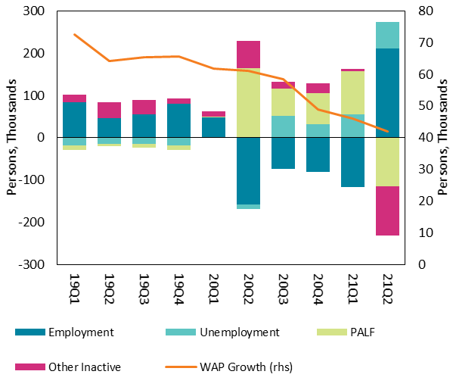

 |  | Source: CSO

Figure 25
Figure 25
Balance between participation and migration driving labour force growth
Decomposition of labour force growth

 | 2008 | 2009 | 2010 | 2011 | 2012 | 2013 | 2014 | 2015 | 2016 | 2017 | 2018 | 2019 | 2020 | 2021f | 2022f | 2023f
Natural Increase | 22561.775 | 15414.625 | 14564.6 | -6319.875 | -3633.25 | -2450 | 10781.025 | 9378.575 | -56.55 | 5489.45 | -4200.225 | 17751.8 | 9536.175 | 12060.925 | 14934.075 | 4317.9
Participation Effect | -20036.775 | -54339.625 | -43664.6 | -13905.125 | 2358.25 | 25575 | 7093.975 | 12846.425 | 24956.55 | 3085.55 | 17100.225 | 17373.225 | -73311.175 | 63337.925 | 16627.65 | 2190.275
Labour Force Change | 21200 | -51700 | -53775 | -22075 | -6250 | 21650 | 10425 | 25075 | 44750 | 23600 | 41000 | 49675.025 | -47575 | 90438.85 | 50041.725 | 28668.175
Net Migration | 18675 | -12775 | -24675 | -1850 | -4975 | -1475 | -7450 | 2850 | 19850 | 15025 | 28100 | 14550 | 16200 | 15040 | 18480 | 22160

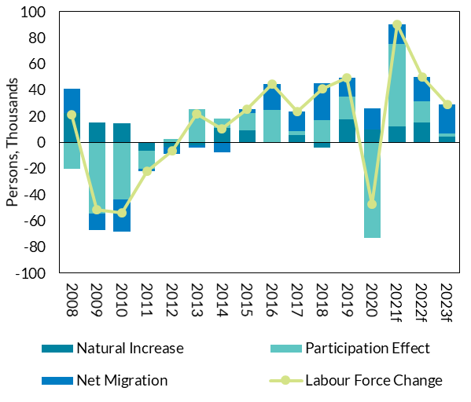

 |  | Source: CSO and Central Bank of Ireland

Figure 26
Figure 26
Unemployment rates will converge as income-supports are phased out
Unemployment rate projections

 | 2019Q1 | 2019Q2 | 2019Q3 | 2019Q4 | 2020Q1 | 2020Q2 | 2020Q3 | 2020Q4 | 2021f | 2022f | 2023f
ILO Rate | 4.7% | 5.4% | 5.2% | 4.5% | 4.7% | 5.4% | 7.4% | 5.9% | 7.3% | 7.2% | 5.9%
COVID-Adjusted Rate | 4.7% | 5.4% | 5.2% | 4.5% | 20.7% | 28.8% | 17.3% | 20.7% | 17.2% | 7.3% | 5.9%
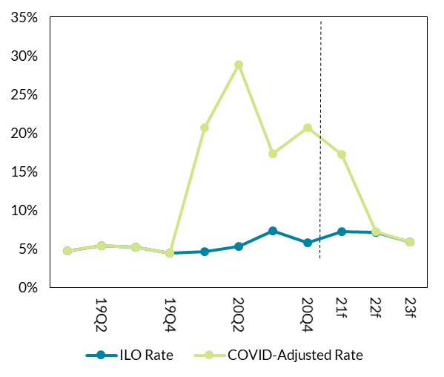

 | Source: CSO and Central Bank of Ireland

Figure 27
Figure 27
PUP levels decline in line with reopening of economy
Levels on income-support schemes

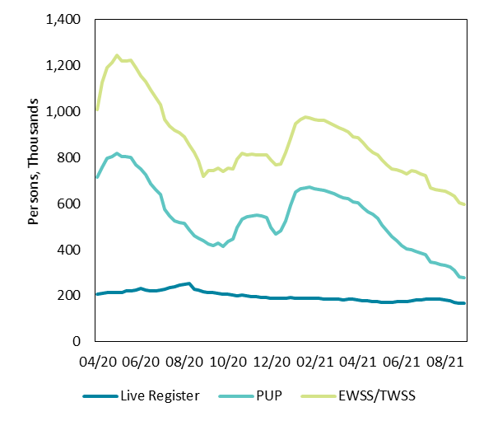
 | Live Register | PUP | EWSS/TWSS
Apr-20 | 207,071 | 507,255 | 293,907
Apr-20 | 210,184 | 546,639 | 368,445
Apr-20 | 212,380 | 583,317 | 392,820
Apr-20 | 212,932 | 590,976 | 405,875
May-20 | 214,741 | 602,107 | 426,006
May-20 | 214,986 | 589,638 | 414,463
May-20 | 220,384 | 584,641 | 411,705
May-20 | 222,458 | 579,407 | 418,656
May-20 | 225,662 | 543,164 | 421,321
Jun-20 | 230,822 | 517,632 | 407,068
Jun-20 | 226,096 | 498,750 | 403,828
Jun-20 | 220,821 | 465,878 | 406,555
Jun-20 | 220,871 | 438,933 | 400,706
Jul-20 | 224,651 | 412,859 | 391,099
Jul-20 | 228,517 | 345,653 | 390,315
Jul-20 | 233,646 | 313,837 | 390,249
Jul-20 | 239,446 | 286,850 | 390,681
Aug-20 | 244,562 | 274,578 | 388,511 | Source: CSO
Aug-20 | 250,169 | 262,478 | 376,727
Aug-20 | 254,365 | 232,372 | 367,268
Aug-20 | 229,090 | 230,435 | 362,183
Aug-20 | 225,844 | 224,956 | 333,750
Sep-20 | 217,602 | 219,913 | 280,636
Sep-20 | 214,679 | 209,941 | 318,063
Sep-20 | 212,910 | 206,341 | 322,075
Sep-20 | 211,492 | 217,142 | 324,112
Oct-20 | 207,006 | 205,593 | 327,483
Oct-20 | 205,592 | 228,858 | 317,754
Oct-20 | 201,925 | 244,153 | 305,242
Oct-20 | 201,422 | 295,860 | 296,964
Nov-20 | 203,172 | 329,991 | 284,627
Nov-20 | 201,443 | 342,505 | 268,639
Nov-20 | 197,871 | 350,072 | 265,114
Nov-20 | 196,149 | 352,078 | 263,123
Nov-20 | 194,058 | 351,424 | 263,869
Dec-20 | 191,993 | 348,256 | 271,899
Dec-20 | 190,084 | 306,220 | 294,800
Dec-20 | 188,667 | 277,671 | 302,749
Dec-20 | 189,668 | 291,600 | 291,284
Jan-21 | 189,860 | 335,599 | 297,511
Jan-21 | 193,150 | 398,206 | 289,205
Jan-21 | 189,963 | 459,921 | 296,015
Jan-21 | 189,448 | 475,364 | 299,047
Feb-21 | 188,543 | 479,633 | 307,330
Feb-21 | 188,400 | 481,331 | 301,492
Feb-21 | 187,740 | 477,665 | 300,540
Feb-21 | 187,602 | 473,413 | 301,738
Mar-21 | 186,702 | 468,847 | 305,166
Mar-21 | 185,831 | 464,840 | 297,869
Mar-21 | 185,002 | 456,580 | 296,799
Mar-21 | 184,123 | 449,521 | 295,252
Mar-21 | 183,096 | 443,247 | 296,408
Apr-21 | 184,550 | 437,149 | 288,595
Apr-21 | 185,310 | 421,373 | 281,270
Apr-21 | 182,581 | 420,773 | 281,152
Apr-21 | 179,821 | 403,095 | 280,609
May-21 | 177,969 | 385,211 | 275,886
May-21 | 176,257 | 376,665 | 267,763
May-21 | 173,293 | 363,167 | 273,071
May-21 | 172,404 | 333,993 | 281,368
May-21 | 171,699 | 309,515 | 288,136
Jun-21 | 172,599 | 285,265 | 291,014
Jun-21 | 172,937 | 267,371 | 304,663
Jun-21 | 173,546 | 244,197 | 321,662
Jun-21 | 175,282 | 227,982 | 323,931
Jul-21 | 179,082 | 221,088 | 344,500
Jul-21 | 181,744 | 211,847 | 344,500
Jul-21 | 183,445 | 202,152 | 344,500
Jul-21 | 184,321 | 192,296 | 344,500
Aug-21 | 184,213 | 163,327 | 319,900
Aug-21 | 184,157 | 157,712 | 319,900
Aug-21 | 183,884 | 153,309 | 319,900
Aug-21 | 183,047 | 149,436 | 319,900
Aug-21 | 179,761 | 143,606 | 319,900
Sep-21 | 171,043 | 140,138 | 319,900
Sep-21 | 168,692 | 114,612 | 319,900
Sep-21 | 167,078 | 110,770 | 319,900

Figure 28
Figure 28
Higher growth in average earnings for sectors less adversely affected by the health restrictions
Annual Average Hourly Earnings Growth and Sectoral Vacancy Rates, Q2 2021

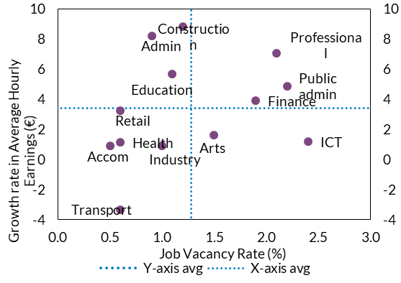
Sector | Vacancy Rate | Growth Rate of Average Hourly Earnings
Construction | 1.2 | 8.8207985144
Retail | 0.6 | 3.2306915699
Transport | 0.6 | -3.346543373
Accom | 0.5 | 0.89058524173
ICT | 2.4 | 1.2020606754
Professional | 2.1 | 7.032967033
Admin | 0.9 | 8.2015810277
Public admin | 2.2 | 4.8670909772
Education | 1.1 | 5.6768558952
Health | 0.6 | 1.1203319502
Industry | 1 | 0.88424437299
Finance | 1.9 | 3.9198349543
Arts | 1.5 | 1.6272189349

 |  |  | Source: CSO

Figure 31
Figure 31
The domestically dominated sectors have seen strong price rises, compared with the MNE dominated sectors
GVA deflators (% Change Year on Year)

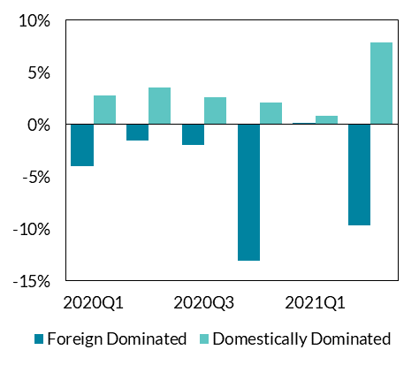
 | Foreign Dominated | Domestically Dominated
2020Q1 | -4.0% | 2.8%
2020Q2 | -1.6% | 3.5%
2020Q3 | -2.0% | 2.6%
2020Q4 | -13.1% | 2.1%
2021Q1 | 0.2% | 0.8%
2021Q2 | -9.6% | 7.8%

 |  |  | Source: CSO

Figure 33
Figure 33
Deficit improves over medium term as pandemic related spending declines
Components of Government Expenditure

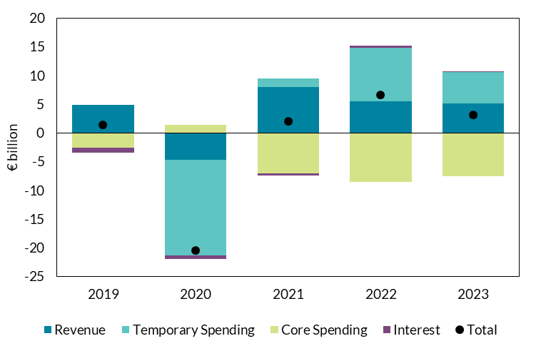
 | 2019 | 2020 | 2021 | 2022 | 2023
Revenue | 4887 | -4719 | 8011 | 5532 | 5096
Pandemic Spending | 0 | -16600 | 1400 | 9300 | 5500
Core Spending | -2594 | 1421 | -7061 | -8541 | -7581
Interest | -859 | -619 | -339 | 318 | 172
Total | 1433 | -20518 | 2011 | 6608 | 3187

 |  |  |  |  |  | Source: CSO

Figure 34
Figure 34
Debt ratio declines over medium term but remains at elevated level
Decomposition of change in debt (2019-2023)
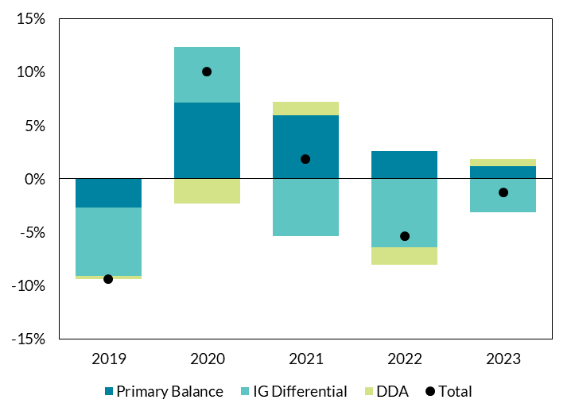
 | 2019 | 2020 | 2021 | 2022 | 2023
Primary Balance | -2.6% | 7.2% | 5.9% | 2.6% | 1.2%
Interest Growth Differential | -6.4% | 5.2% | -5.4% | -6.4% | -3.2%
DDA | -0.3% | -2.3% | 1.3% | -1.6% | 0.7%
Total | -9.3% | 10.1% | 1.8% | -5.4% | -1.3%

 |  |  |  |  |  | Source: CSO

