Figure 1
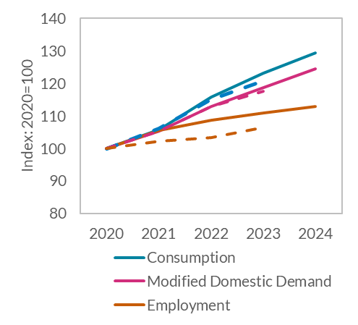
Figure 1: The economy will continue to grow strongly, and inflation will begin to moderate this year
Consumption, MDD and Employment
 | 2020 | 2021 | 2022 | 2023 | 2024
Consumption | 100 | 105.79 | 115.73426 | 123.2569869 | 129.29657926
Modified Final Domestic Demand | 100 | 105.45 | 112.89477 | 118.77658752 | 124.47786372
Employment | 100 | 105.48 | 108.728784 | 111.02296134 | 112.88814709

Consumption | 100 | 106.18 | 114.99294 | 120.85757994
Modified Final Domestic Demand | 100 | 105.46 | 112.94766 | 117.62369312
Employment | 100 | 102.14 | 103.447392 | 106.38529793

 |  |  |  |  |  | Source: CSO and Central Bank of Ireland

Figure 2
Figure 2: The economy will continue to grow strongly, and inflation will begin to moderate this year
HICP Inflation

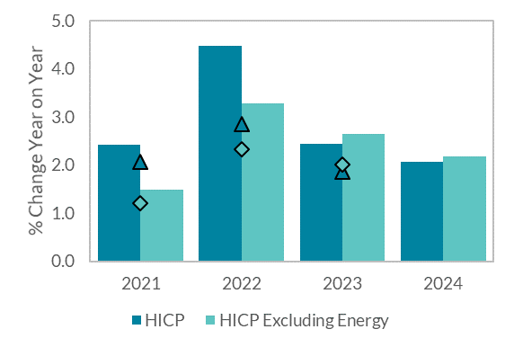
QB1 2022 | 2021 | 2022 | 2023 | 2024
HICP | 2.4 | 4.5 | 2.4 | 2.1
HICP Excluding Energy | 1.5 | 3.3 | 2.6 | 2.2

QB4 2021 | 2021 | 2022 | 2023
HICP | 2.1 | 2.9 | 1.9
HICP Excluding Energy | 1.2 | 2.3 | 2.0

 |  |  |  |  | Source: CSO and Central Bank of Ireland

Figure 3
Figure 3: Consumption has been the main driver of the recovery in demand
Contributions to Growth in Modified Final Domestic Demand

 |  | Modified Gross Domestic Fixed Capital Formation | Personal Expenditure on Consumer Goods and Services | Net Expenditure by Central and Local Govt. on Current Goods and Services |  | Modified Final Domestic Demand
 | 2020Q1 | 0% | -3.2% | 0.3% | -1.7% | -2.7%
 | 2020Q2 | -3% | -12.0% | 2.8% | -5.1% | -12.2%
 | 2020Q3 | 0% | -4.4% | 2.0% | -1.5% | -2.8%
 | 2020Q4 | 0% | -5.3% | 3.1% | -0.7% | -2.2%
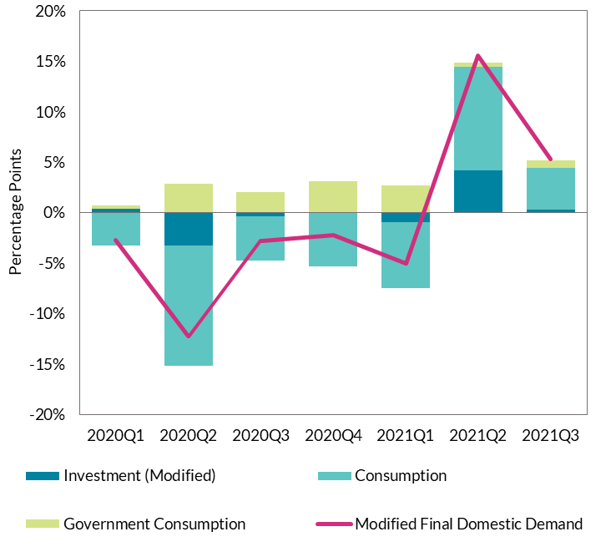
 | 2021Q1 | -1% | -6.5% | 2.7% | -1.5% | -5.1%
 | 2021Q2 | 4% | 10.2% | 0.5% | -1.7% | 15.6%
 | 2021Q3 | 0% | 4.2% | 0.7% | 2.3% | 5.3%

Figure 4
Figure 4: The foreign-owned MNE sector did not see a decline during the pandemic, and has continued to grow strongly throughout
Contributions to GVA Growth

 | Industry (excl. Construction) | Information and Communication | GVA Growth | Other Sectors
2020Q1 | 8.9% | 2.9% | 9.3% | -2.4%
2020Q2 | 7.1% | -0.4% | 1.7% | -5.1%
2020Q3 | 7.6% | 5.4% | 12.0% | -1.0%
2020Q4 | 8.1% | 0.5% | 5.3% | -3.4%
2021Q1 | 9.3% | 1.8% | 10.6% | -0.5%
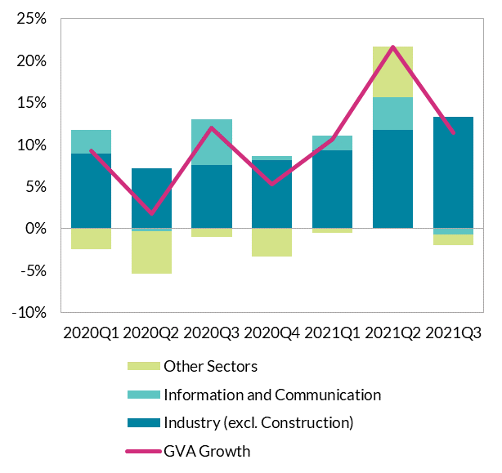
2021Q2 | 11.7% | 3.9% | 21.6% | 6.0%
2021Q3 | 13.3% | -0.7% | 11.4% | -1.2%

Figure 5
Figure 5: The foreign-owned MNE sector did not see a decline during the pandemic, and has continued to grow strongly throughout
Figure 5: GVA Growth in MNEs and Domestic Firms

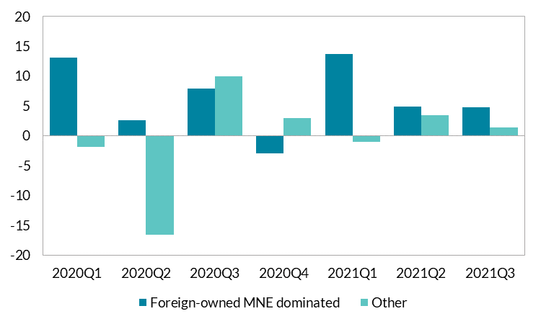
 |  | Foreign-owned MNE dominated | Other
 | 2020Q1 | 13.1 | -1.8
 | 2020Q2 | 2.6 | -16.6
 | 2020Q3 | 7.9 | 10.0
 | 2020Q4 | -2.9 | 2.9
 | 2021Q1 | 13.6 | -1.1
 | 2021Q2 | 4.8 | 3.4
 | 2021Q3 | 4.7 | 1.3

Figure 6
Figure 6: Consumer and business sentiment recovered throughout 2021
Consumer Sentiment Index

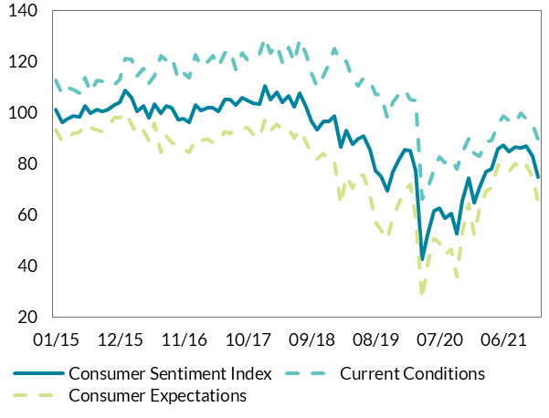
 | Consumer Sentiment Index | Current Conditions | Consumer Expectations
Jan-15 | 101.1 | 112.8 | 93.2
Feb-15 | 96.1 | 107.2 | 88.6
Mar-15 | 97.8 | 110.0 | 89.6
Apr-15 | 98.7 | 109.0 | 91.8
May-15 | 98.5 | 107.7 | 92.2
Jun-15 | 102.8 | 113.9 | 95.4
Jul-15 | 99.7 | 108.0 | 94.1
Aug-15 | 101.1 | 112.6 | 93.4
Sep-15 | 100.6 | 112.5 | 92.7
Oct-15 | 101.3 | 111.2 | 94.6
Nov-15 | 103.1 | 110.8 | 97.9
Dec-15 | 103.9 | 112.9 | 97.9
Jan-16 | 108.6 | 121.4 | 100.0
Feb-16 | 105.8 | 121.0 | 95.5
Mar-16 | 100.6 | 114.5 | 91.2
Apr-16 | 102.7 | 117.3 | 92.9
May-16 | 98.1 | 111.4 | 89.1
Jun-16 | 103.4 | 114.5 | 95.9
Jul-16 | 99.6 | 122.3 | 84.4
Aug-16 | 102.7 | 120.4 | 90.8
Sep-16 | 102.0 | 122.1 | 88.4
Oct-16 | 97.3 | 112.9 | 86.9
Nov-16 | 97.8 | 115.6 | 85.8
Dec-16 | 96.2 | 113.6 | 84.5
Jan-17 | 103.1 | 122.8 | 89.9
Feb-17 | 100.7 | 117.9 | 89.1
Mar-17 | 101.9 | 119.7 | 89.9
Apr-17 | 102.0 | 122.4 | 88.3
May-17 | 100.5 | 118.0 | 88.8
Jun-17 | 105.0 | 123.4 | 92.7
Jul-17 | 105.1 | 124.6 | 92.0
Aug-17 | 102.9 | 117.0 | 93.3
Sep-17 | 105.8 | 123.4 | 94.0
Oct-17 | 104.8 | 120.5 | 94.3
Nov-17 | 103.6 | 121.7 | 91.5
Dec-17 | 103.2 | 122.9 | 90.0
Jan-18 | 110.4 | 129.6 | 97.5
Feb-18 | 105.2 | 123.3 | 93.1
Mar-18 | 108.1 | 126.4 | 95.7
Apr-18 | 104.0 | 119.8 | 93.4
May-18 | 106.7 | 125.7 | 93.9
Jun-18 | 102.1 | 119.8 | 90.3
Jul-18 | 107.6 | 128.9 | 93.4
Aug-18 | 102.4 | 123.2 | 88.4
Sep-18 | 96.4 | 115.4 | 83.7
Oct-18 | 93.5 | 110.3 | 82.1
Nov-18 | 96.5 | 114.6 | 84.3
Dec-18 | 96.5 | 119.2 | 81.2
Jan-19 | 98.8 | 125.1 | 81.1
Feb-19 | 86.5 | 119.7 | 64.1
Mar-19 | 93.1 | 120.1 | 75.0
Apr-19 | 87.7 | 113.1 | 70.6
May-19 | 89.9 | 110.6 | 76.0
Jun-19 | 90.9 | 113.6 | 75.7
Jul-19 | 85.5 | 112.3 | 67.7
Aug-19 | 77.2 | 107.4 | 57.1
Sep-19 | 75.3 | 107.0 | 54.1
Oct-19 | 69.5 | 98.1 | 50.5
Nov-19 | 77.1 | 104.2 | 58.9
Dec-19 | 81.4 | 107.1 | 64.3
Jan-20 | 85.5 | 108.9 | 69.9
Feb-20 | 85.2 | 105.1 | 71.9
Mar-20 | 77.3 | 104.8 | 59.0
Apr-20 | 42.6 | 66.1 | 26.9
May-20 | 52.3 | 70.1 | 40.4
Jun-20 | 61.6 | 77.5 | 50.9
Jul-20 | 62.6 | 82.6 | 49.2
Aug-20 | 58.9 | 80.5 | 44.5
Sep-20 | 60.7 | 82.0 | 46.5
Oct-20 | 52.6 | 77.9 | 35.8
Nov-20 | 65.5 | 84.3 | 53.0
Dec-20 | 74.6 | 89.9 | 64.5
Jan-21 | 64.9 | 84.0 | 52.2
Feb-21 | 70.8 | 83.0 | 62.7
Mar-21 | 77.1 | 88.8 | 69.3
Apr-21 | 77.9 | 89.0 | 70.5
May-21 | 85.8 | 95.5 | 79.3
Jun-21 | 87.2 | 98.7 | 79.6
Jul-21 | 84.9 | 97.0 | 76.8
Aug-21 | 86.5 | 96.0 | 80.2
Sep-21 | 86.4 | 99.8 | 77.4
Oct-21 | 86.8 | 97.7 | 79.5
Nov-21 | 83.1 | 95.5 | 74.9
Dec-21 | 74.9 | 89.5 | 65.2

Figure 7
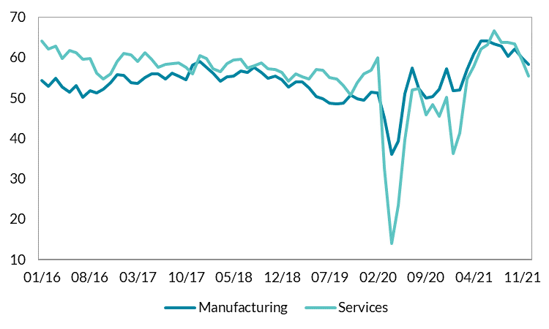
Figure 7: Consumer and business sentiment recovered throughout 2021
Purchasing Managers Indices

Data is confidential

Figure 8
Figure 8: Supply chain disruption led to increased input prices for firms during 2021, one factor behind the strong acceleration in inflation during the year
PMI Input and Output Prices and Delivery Times

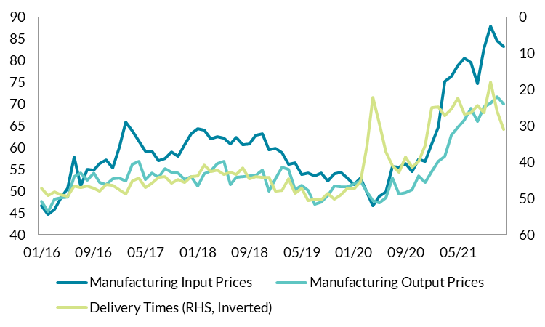
Data is confidential

Figure 9
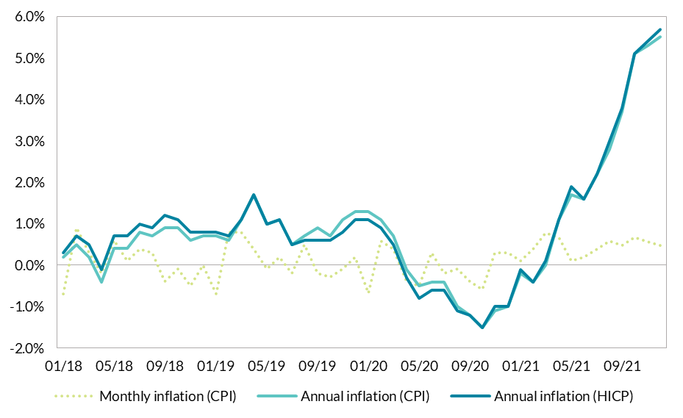
Figure 9: Supply chain disruption led to increased input prices for firms during 2021, one factor behind the strong acceleration in inflation during the year
Consumer Price Inflation
 | Index | Monthly inflation (CPI) | Annual inflation (CPI) | Annual inflation (HICP)
Jan-18 | 99.7 | -0.70 | 0.2 | 0.3
Feb-18 | 100.6 | 0.90 | 0.5 | 0.7
Mar-18 | 100.9 | 0.30 | 0.2 | 0.5
Apr-18 | 100.7 | -0.20 | -0.4 | -0.1
May-18 | 101.3 | 0.60 | 0.4 | 0.7
Jun-18 | 101.4 | 0.10 | 0.4 | 0.7
Jul-18 | 101.8 | 0.39 | 0.8 | 1
Aug-18 | 102.1 | 0.29 | 0.7 | 0.9
Sep-18 | 101.7 | -0.39 | 0.9 | 1.2
Oct-18 | 101.6 | -0.10 | 0.9 | 1.1
Nov-18 | 101.1 | -0.49 | 0.6 | 0.8
Dec-18 | 101.1 | 0.00 | 0.7 | 0.8
Jan-19 | 100.4 | -0.69 | 0.7 | 0.8
Feb-19 | 101.2 | 0.80 | 0.6 | 0.7
Mar-19 | 102 | 0.79 | 1.1 | 1.1
Apr-19 | 102.4 | 0.39 | 1.7 | 1.7
May-19 | 102.3 | -0.10 | 1 | 1
Jun-19 | 102.5 | 0.20 | 1.1 | 1.1
Jul-19 | 102.3 | -0.20 | 0.5 | 0.5
Aug-19 | 102.8 | 0.49 | 0.7 | 0.6
Sep-19 | 102.6 | -0.19 | 0.9 | 0.6
Oct-19 | 102.3 | -0.29 | 0.7 | 0.6
Nov-19 | 102.2 | -0.10 | 1.1 | 0.8
Dec-19 | 102.4 | 0.20 | 1.3 | 1.1
Jan-20 | 101.7 | -0.68 | 1.3 | 1.1
Feb-20 | 102.3 | 0.59 | 1.1 | 0.9
Mar-20 | 102.7 | 0.39 | 0.7 | 0.5
Apr-20 | 102.3 | -0.39 | -0.1 | -0.3
May-20 | 101.8 | -0.49 | -0.5 | -0.8
Jun-20 | 102.1 | 0.29 | -0.4 | -0.6
Jul-20 | 101.9 | -0.20 | -0.4 | -0.6
Aug-20 | 101.8 | -0.10 | -1 | -1.1
Sep-20 | 101.4 | -0.39 | -1.2 | -1.2
Oct-20 | 100.8 | -0.59 | -1.5 | -1.5
Nov-20 | 101.1 | 0.30 | -1.1 | -1
Dec-20 | 101.4 | 0.30 | -1 | -1
Jan-21 | 101.5 | 0.10 | -0.2 | -0.1
Feb-21 | 101.9 | 0.39 | -0.4 | -0.4
Mar-21 | 102.7 | 0.79 | 0 | 0.1
Apr-21 | 103.4 | 0.68 | 1.1 | 1.1
May-21 | 103.5 | 0.10 | 1.7 | 1.9
Jun-21 | 103.7 | 0.19 | 1.6 | 1.6
Jul-21 | 104.1 | 0.39 | 2.2 | 2.2
Aug-21 | 104.7 | 0.58 | 2.8 | 3
Sep-21 | 105.2 | 0.48 | 3.7 | 3.8
Oct-21 | 105.9 | 0.67 | 5.1 | 5.1
Nov-21 | 106.5 | 0.57 | 5.3 | 5.4
Dec-21 | 107 | 0.47 | 5.5 | 5.7

Figure 10
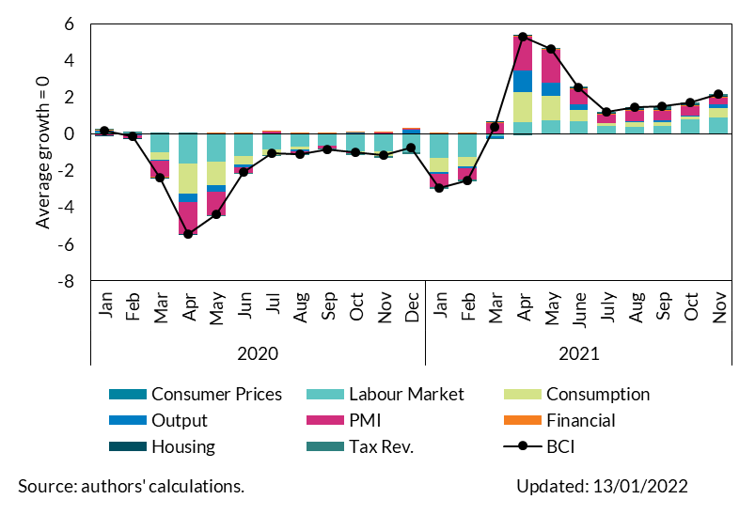
 | Figure 10: The Business Cycle Indicator points towards strong growth in Q4 2021
Business Cycle Indicator | Business Cycle Indicator

2020 | Data cannot be reproduced

2021

Figure 11
Figure 11: Consumption will be the primary driver of the recovery in domestic demand in the near-term, but investment picks up strongly in 2023 and 2024
Contributions to Modified Domestic Demand

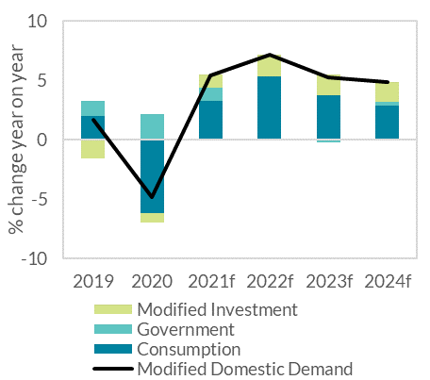
Year | Consumption | Government | Modified Investment | Modified Domestic Demand
2019 | 2.0 | 1.3 | -1.6 | 1.7
2020 | -6.2 | 2.1 | -0.8 | -4.9
2021f | 3.2 | 1.1 | 1.1 | 5.4
2022f | 5.3 | -0.1 | 1.9 | 7.1
2023f | 3.7 | -0.2 | 1.8 | 5.2
2024f | 2.8 | 0.3 | 1.7 | 4.8

Figure 12
Figure 12: Consumption will be the primary driver of the recovery in domestic demand in the near-term, but investment picks up strongly in 2023 and 2024
Revisions to Real and Nominal MDD
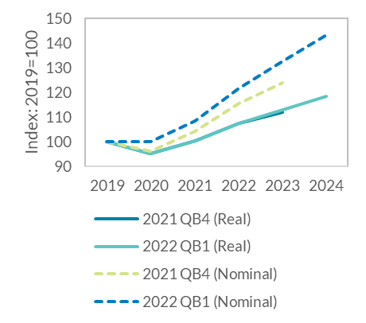
 | 2019 | 2020 | 2021 | 2022 | 2023 | 2024
2021 QB4 (Real) | 100.0 | 95.1 | 100.3 | 107.5 | 111.9
2022 QB1 (Real) | 100.0 | 95.1 | 100.3 | 107.4 | 113.0 | 118.4
2021 QB4 (Nominal) | 100.0 | 96.2 | 104.3 | 115.3 | 123.9
2022 QB1 (Nominal) | 100.0 | 96.2 | 108.3 | 121.6 | 132.6 | 143.2

Figure 13
Figure 13: Monthly card payment and retail sales data show the recovery in retail spending caught up with services spending
Monthly Card Payment Data

 |  | Total Retail | Total Services
 | Nov-19 | 100.0 | 100.0
 | Dec-19 | 125.7 | 105.5
 | Jan-20 | 91.4 | 127.4
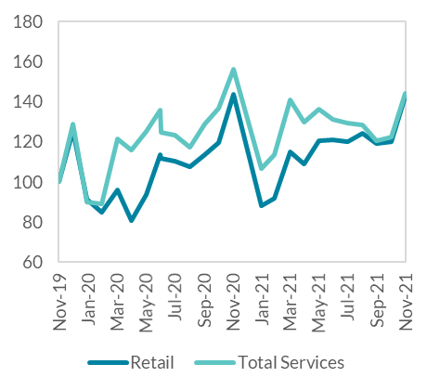
 | Feb-20 | 85.1 | 110.1
 | Mar-20 | 95.8 | 81.1
 | Apr-20 | 80.9 | 45.9
 | May-20 | 93.5 | 58.8
 | Jun-20 | 113.6 | 85.2
 | Jul-20 | 111.9 | 108.3
 | Aug-20 | 110.2 | 106.5
 | Sep-20 | 107.5 | 114.4
 | Oct-20 | 113.3 | 95.4
 | Nov-20 | 119.3 | 98.1
 | Dec-20 | 143.4 | 109.3
 | Jan-21 | 88.0 | 80.5
 | Feb-21 | 91.7 | 79.9
 | Mar-21 | 115.0 | 95.7
 | Apr-21 | 109.1 | 91.6
 | May-21 | 120.6 | 104.7
 | Jun-21 | 120.9 | 118.2
 | Jul-21 | 120.2 | 128.7
 | Aug-21 | 124.3 | 142.0
 | Sep-21 | 119.3 | 144.4
 | Oct-21 | 119.9 | 128.9
 | Nov-21 | 142.5 | 136.5

Figure 14
Figure 14: Monthly card payment and retail sales data show the recovery in retail spending caught up with services spending
Retail Sales (Excluding Motor Trades)

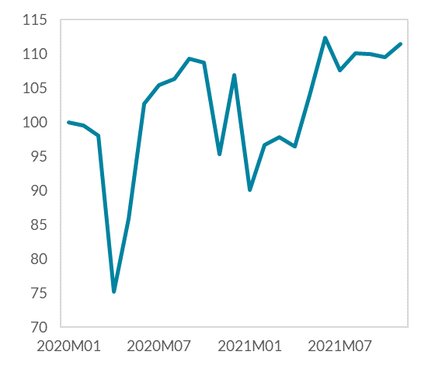
 | All retail businesses, excluding motor trades
2020M01 | 100.0
2020M02 | 99.5
2020M03 | 98.0
2020M04 | 75.1
2020M05 | 85.8
2020M06 | 102.7
2020M07 | 105.4
2020M08 | 106.3
2020M09 | 109.3
2020M10 | 108.7
2020M11 | 95.4
2020M12 | 106.9
2021M01 | 90.0
2021M02 | 96.7
2021M03 | 97.8
2021M04 | 96.4
2021M05 | 104.0
2021M06 | 112.4
2021M07 | 107.5
2021M08 | 110.0
2021M09 | 110.0
2021M10 | 109.5
2021M11 | 111.4

Figure 15
Figure 15
The savings ratio will fall below the pre-pandemic level in 2023, driven by a pickup in nominal consumption

Year | Gross Households' Saving Ratio
1999
2000 | 0.04
2001 | 0.08
2002 | 0.07
2003 | 0.08
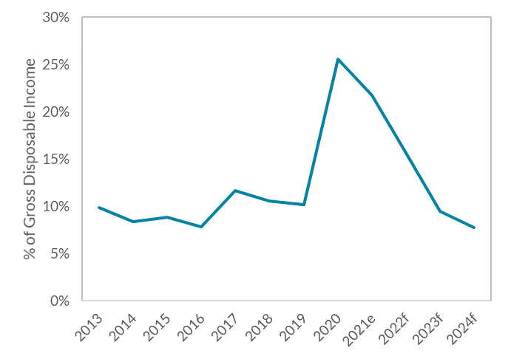
2004 | 0.09
2005 | 0.10
2006 | 0.09
2007 | 0.08
2008 | 0.11
2009 | 0.16
2010 | 0.15
2011 | 0.10
2012 | 0.12
2013 | 0.10
2014 | 0.08
2015 | 0.09
2016 | 0.08
2017 | 0.12
2018 | 0.11
2019 | 0.10
2020 | 0.26
2021e | 0.22
2022f | 0.16 | Source: CSO and Central Bank of Ireland
2023f | 0.09
2024f | 0.08

Figure 16
Figure 16
The savings ratio will fall below the pre-pandemic level in 2023, driven by a pickup in nominal consumption

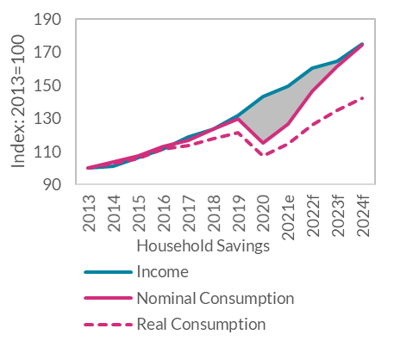
Year | Income | Nominal Consumption | Real Consumption | Household Savings
2013 | 100.00 | 100.00 | 100.00 | 0.00
2014 | 101.19 | 103.43 | 102.72 | 2.24
2015 | 106.14 | 107.29 | 105.90 | 1.14
2016 | 111.72 | 113.06 | 111.26 | 1.34
2017 | 118.73 | 116.48 | 113.47 | -2.25
2018 | 123.53 | 123.20 | 117.77 | -0.33
2019 | 131.66 | 129.71 | 121.55 | -1.95
2020 | 143.07 | 115.37 | 107.40 | -27.70
2021e | 149.73 | 126.82 | 114.52 | -22.91
2022f | 160.37 | 146.17 | 126.23 | -14.19
2023f | 164.86 | 161.34 | 135.01 | -3.51
2024f | 175.23 | 174.49 | 142.10 | -0.74

 |  |  |  |  | Source: CSO and Central Bank of Ireland

Figure 17
Figure 17
Building and Construction is forecast to grow by around 18 per cent, and will be the main factor behind strong modified investment growth

 | 2015 | 2016 | 2017 | 2018 | 2019 | 2020 | 2021(f) | 2022(f) | 2023(f) | 2024(f)
Building and Construction | 3.6 | 5.4 | 6.1 | 6.1 | 3.7 | -3.6 | -1.4 | 6.2 | 5.5 | 5.0
Machinery and Equipment excluding Aircraft relating to Leasing | 3.8 | 6.9 | -4.5 | 4.4 | -5.8 | -2.0 | 6.4 | 1.8 | 1.8 | 1.8
Intangibles excluding R&D related IP imports | 4.1 | -2.2 | 5.3 | -0.7 | -3.1 | 1.1 | 1.1 | 0.7 | 0.7 | 0.6
Modified Investment | 11.4 | 8.9 | 5.2 | 6.1 | -7.0 | -3.6 | 5.0 | 8.6 | 7.9 | 7.4

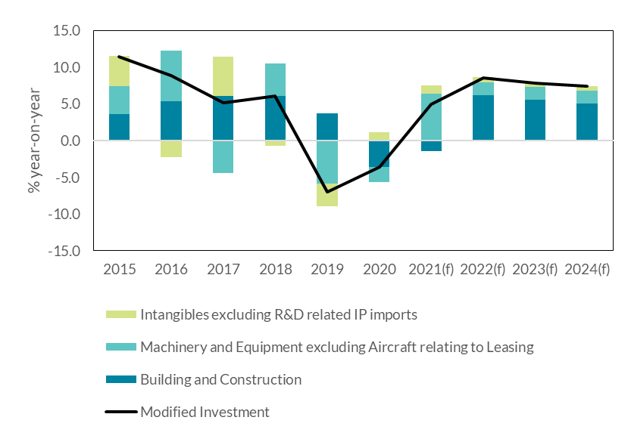

 |  | Source: CSO and Central Bank of Ireland

Figure 19
Figure 19
Leading indicators suggest a significant pickup in construction activity in the near term

Residential planning permissions, commencements and completions

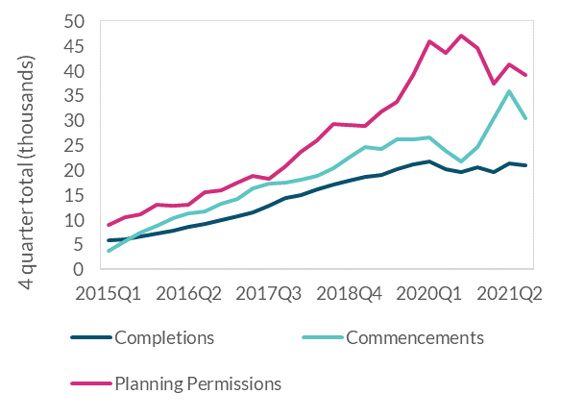
 | Completions | Commencements | Planning Permissions
2015Q1 | 5795 | 3788 | 9020
2015Q2 | 6047 | 5763 | 10524
2015Q3 | 6676 | 7409 | 11084
2015Q4 | 7219 | 8747 | 13044
2016Q1 | 7820 | 10312 | 12922
2016Q2 | 8644 | 11281 | 12953
2016Q3 | 9090 | 11642 | 15638
2016Q4 | 9861 | 13234 | 15950
2017Q1 | 10652 | 14192 | 17509
2017Q2 | 11517 | 16277 | 18821
2017Q3 | 12800 | 17323 | 18171
2017Q4 | 14338 | 17572 | 20776
2018Q1 | 15034 | 18086 | 23751
2018Q2 | 16167 | 18805 | 26075
2018Q3 | 17032 | 20460 | 29354
2018Q4 | 17907 | 22467 | 29102
2019Q1 | 18694 | 24642 | 28970
2019Q2 | 19103 | 24226 | 31759
2019Q3 | 20121 | 26106 | 33830 | Source: CSO
2019Q4 | 21068 | 26237 | 39242
2020Q1 | 21750 | 26541 | 45881
2020Q2 | 20179 | 23929 | 43586
2020Q3 | 19579 | 21774 | 47096
2020Q4 | 20532 | 24561 | 44538
2021Q1 | 19533 | 30363 | 37369
2021Q2 | 21292 | 35960 | 41248
2021Q3 | 20903 | 30519 | 39077

Figure 20
Figure 20
Services will be the primary driver of export growth

Contributions to Export Forecast

 | Goods | Services | Contract Manufacturing | Merchanting | Total | Other
2021 | 0.02 | 0.06 | 0.07 | 0.04 | 0.18 | -0.01
2022 | 0.01 | 0.04 | 0.04 | 0.02 | 0.10 | -0.02
2023 | 0.01 | 0.04 | 0.01 | 0.01 | 0.06 | -0.01
2024 | 0.02 | 0.04 | 0.00 | 0.00 | 0.06 | 0.00

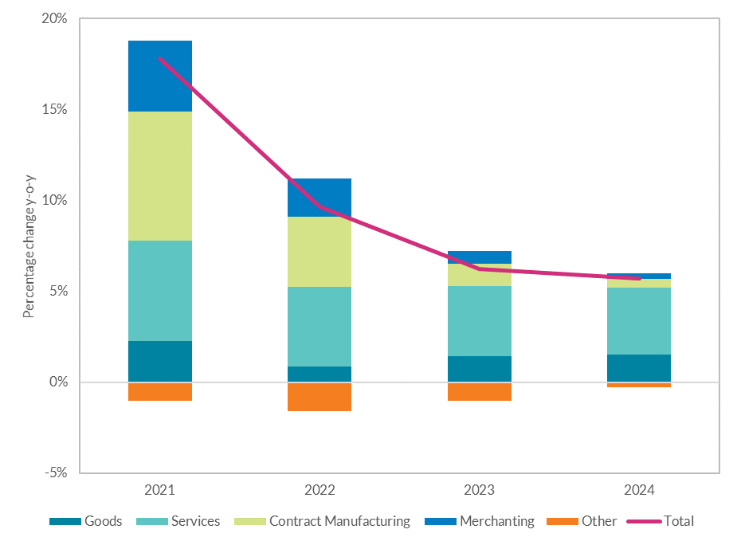

 | Source: Eurostat and Central Bank of Ireland calculations

Figure 21
Figure 21
Delayed implementation of post-Brexit border checks has meant Irish exports to the UK have not been as adversely affected as imports from the UK - breaking a long link

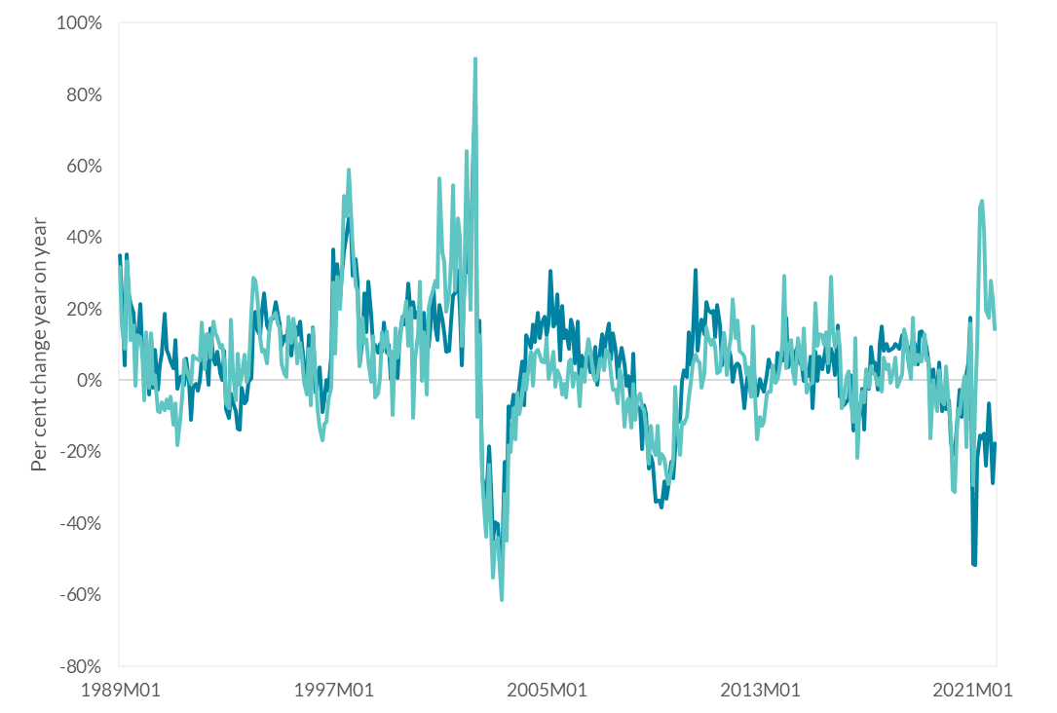
 | Annual change in imports | Annual change in exports
1989M01 | 0.35 | 0.32
1989M02 | 0.24 | 0.15
1989M03 | 0.04 | 0.09
1989M04 | 0.35 | 0.33
1989M05 | 0.24 | 0.27
1989M06 | 0.21 | 0.11
1989M07 | 0.19 | 0.15
1989M08 | 0.09 | -0.01
1989M09 | 0.10 | 0.13
1989M10 | 0.21 | 0.12
1989M11 | 0.08 | 0.08
1989M12 | 0.03 | -0.06
1990M01 | 0.09 | 0.14
1990M02 | -0.04 | -0.02
1990M03 | 0.12 | 0.13
1990M04 | -0.02 | -0.01
1990M05 | 0.09 | 0.02
1990M06 | -0.03 | -0.09
1990M07 | 0.04 | -0.09
1990M08 | 0.07 | -0.06
1990M09 | 0.19 | -0.08
1990M10 | 0.08 | -0.05
1990M11 | 0.07 | -0.08
1990M12 | 0.05 | -0.05
1991M01 | 0.03 | -0.12
1991M02 | 0.11 | -0.06
1991M03 | -0.02 | -0.18
1991M04 | 0.01 | -0.11
1991M05 | 0.01 | -0.04 | Source: Eurostat and Central Bank of Ireland calculations
1991M06 | -0.01 | 0.06
1991M07 | 0.06 | 0.03
1991M08 | -0.01 | 0.01
1991M09 | -0.11 | -0.01
1991M10 | -0.02 | 0.07
1991M11 | -0.01 | 0.06
1991M12 | -0.03 | 0.06
1992M01 | 0.00 | 0.05
1992M02 | 0.06 | 0.16
1992M03 | 0.04 | 0.03
1992M04 | 0.05 | 0.13
1992M05 | -0.01 | 0.13
1992M06 | 0.14 | 0.06
1992M07 | 0.06 | 0.16
1992M08 | 0.04 | 0.13
1992M09 | 0.08 | 0.12
1992M10 | 0.02 | 0.09
1992M11 | 0.00 | 0.10
1992M12 | 0.08 | 0.06
1993M01 | -0.08 | -0.06
1993M02 | -0.10 | -0.08
1993M03 | -0.04 | 0.17
1993M04 | -0.06 | 0.02
1993M05 | -0.09 | -0.06
1993M06 | -0.14 | 0.07
1993M07 | -0.14 | -0.01
1993M08 | -0.02 | 0.01
1993M09 | -0.06 | 0.07
1993M10 | -0.06 | -0.01
1993M11 | -0.01 | 0.01
1993M12 | 0.01 | 0.19
1994M01 | 0.17 | 0.29
1994M02 | 0.19 | 0.28
1994M03 | 0.14 | 0.23
1994M04 | 0.13 | 0.12
1994M05 | 0.20 | 0.08
1994M06 | 0.24 | 0.09
1994M07 | 0.15 | 0.05
1994M08 | 0.14 | 0.13
1994M09 | 0.17 | 0.17
1994M10 | 0.17 | 0.18
1994M11 | 0.22 | 0.19
1994M12 | 0.19 | 0.16
1995M01 | 0.16 | 0.15
1995M02 | 0.09 | 0.05
1995M03 | 0.12 | 0.02
1995M04 | 0.11 | 0.01
1995M05 | 0.15 | 0.18
1995M06 | 0.07 | 0.11
1995M07 | 0.13 | 0.17
1995M08 | 0.15 | 0.13
1995M09 | 0.13 | 0.05
1995M10 | 0.17 | 0.10
1995M11 | 0.10 | 0.06
1995M12 | 0.05 | -0.01
1996M01 | 0.00 | -0.04
1996M02 | 0.13 | 0.09
1996M03 | -0.04 | -0.07
1996M04 | 0.15 | 0.14
1996M05 | -0.03 | 0.01
1996M06 | 0.01 | -0.08
1996M07 | 0.04 | -0.13
1996M08 | -0.09 | -0.17
1996M09 | -0.05 | -0.12
1996M10 | 0.00 | -0.12
1996M11 | -0.03 | -0.06
1996M12 | 0.07 | -0.02
1997M01 | 0.37 | 0.27
1997M02 | 0.18 | 0.07
1997M03 | 0.32 | 0.29
1997M04 | 0.23 | 0.20
1997M05 | 0.30 | 0.32
1997M06 | 0.36 | 0.52
1997M07 | 0.41 | 0.46
1997M08 | 0.45 | 0.59
1997M09 | 0.44 | 0.48
1997M10 | 0.29 | 0.37
1997M11 | 0.34 | 0.27
1997M12 | 0.28 | 0.25
1998M01 | 0.04 | 0.04
1998M02 | 0.11 | 0.17
1998M03 | 0.24 | 0.10
1998M04 | 0.13 | 0.12
1998M05 | 0.28 | 0.05
1998M06 | 0.18 | -0.01
1998M07 | 0.09 | 0.12
1998M08 | 0.10 | -0.05
1998M09 | 0.08 | -0.04
1998M10 | 0.10 | 0.01
1998M11 | 0.08 | 0.14
1998M12 | 0.16 | 0.09
1999M01 | 0.08 | 0.14
1999M02 | 0.10 | 0.07
1999M03 | 0.00 | 0.08
1999M04 | 0.07 | -0.10
1999M05 | 0.04 | 0.14
1999M06 | 0.01 | 0.06
1999M07 | 0.11 | 0.10
1999M08 | 0.18 | 0.17
1999M09 | 0.16 | 0.18
1999M10 | 0.19 | 0.22
1999M11 | 0.27 | 0.10
1999M12 | 0.17 | 0.20
2000M01 | 0.22 | -0.10
2000M02 | 0.18 | 0.06
2000M03 | 0.19 | 0.13
2000M04 | 0.13 | 0.28
2000M05 | 0.09 | 0.00
2000M06 | 0.19 | 0.13
2000M07 | 0.08 | -0.04
2000M08 | 0.10 | 0.20
2000M09 | 0.16 | 0.23
2000M10 | 0.26 | 0.26
2000M11 | 0.14 | 0.28
2000M12 | 0.11 | 0.26
2001M01 | 0.21 | 0.57
2001M02 | 0.17 | 0.36
2001M03 | 0.13 | 0.33
2001M04 | 0.08 | 0.19
2001M05 | 0.08 | 0.24
2001M06 | 0.17 | 0.34
2001M07 | 0.24 | 0.55
2001M08 | 0.24 | 0.25
2001M09 | 0.31 | 0.45
2001M10 | 0.20 | 0.40
2001M11 | 0.04 | 0.10
2001M12 | 0.23 | 0.21
2002M01 | 0.41 | 0.64
2002M02 | 0.30 | 0.37
2002M03 | 0.35 | 0.20
2002M04 | 0.66 | 0.65
2002M05 | 0.77 | 0.90
2002M06 | -0.05 | -0.10
2002M07 | 0.17 | 0.13
2002M08 | -0.27 | -0.27
2002M09 | -0.30 | -0.37
2002M10 | -0.34 | -0.44
2002M11 | -0.19 | -0.24
2002M12 | -0.30 | -0.41
2003M01 | -0.45 | -0.55
2003M02 | -0.40 | -0.46
2003M03 | -0.40 | -0.44
2003M04 | -0.51 | -0.53
2003M05 | -0.54 | -0.61
2003M06 | -0.23 | -0.32
2003M07 | -0.38 | -0.45
2003M08 | -0.07 | -0.18
2003M09 | -0.10 | -0.20
2003M10 | -0.04 | -0.08
2003M11 | -0.07 | -0.17
2003M12 | -0.07 | -0.03
2004M01 | -0.02 | -0.10
2004M02 | 0.05 | -0.04
2004M03 | -0.07 | 0.02
2004M04 | 0.13 | -0.03
2004M05 | 0.11 | 0.05
2004M06 | 0.09 | 0.08
2004M07 | 0.16 | -0.01
2004M08 | 0.11 | 0.07
2004M09 | 0.19 | 0.09
2004M10 | 0.12 | 0.07
2004M11 | 0.16 | 0.05
2004M12 | 0.18 | 0.05
2005M01 | 0.13 | 0.12
2005M02 | 0.16 | 0.00
2005M03 | 0.31 | 0.03
2005M04 | 0.15 | 0.08
2005M05 | 0.16 | -0.02
2005M06 | 0.24 | 0.03
2005M07 | 0.06 | 0.01
2005M08 | 0.21 | -0.04
2005M09 | 0.12 | -0.01
2005M10 | 0.14 | -0.05
2005M11 | 0.09 | 0.05
2005M12 | 0.17 | 0.06
2006M01 | 0.15 | -0.02
2006M02 | 0.05 | 0.02
2006M03 | 0.16 | 0.01
2006M04 | -0.04 | -0.07
2006M05 | 0.07 | 0.03
2006M06 | 0.03 | -0.01
2006M07 | 0.07 | 0.08
2006M08 | 0.06 | 0.12
2006M09 | 0.02 | 0.08
2006M10 | 0.05 | 0.01
2006M11 | 0.09 | 0.00
2006M12 | -0.01 | 0.01
2007M01 | 0.08 | 0.06
2007M02 | 0.13 | 0.06
2007M03 | 0.06 | 0.03
2007M04 | 0.12 | 0.09
2007M05 | 0.16 | 0.07
2007M06 | 0.06 | 0.02
2007M07 | 0.13 | -0.03
2007M08 | 0.08 | -0.03
2007M09 | 0.01 | -0.06
2007M10 | 0.06 | 0.03
2007M11 | 0.09 | 0.01
2007M12 | 0.05 | -0.13
2008M01 | -0.02 | -0.07
2008M02 | 0.01 | -0.05
2008M03 | -0.07 | -0.13
2008M04 | 0.07 | -0.01
2008M05 | -0.09 | -0.11
2008M06 | -0.07 | -0.06
2008M07 | -0.08 | -0.04
2008M08 | -0.19 | -0.07
2008M09 | -0.07 | -0.08
2008M10 | -0.09 | -0.13
2008M11 | -0.25 | -0.23
2008M12 | -0.21 | -0.13
2009M01 | -0.23 | -0.19
2009M02 | -0.34 | -0.21
2009M03 | -0.34 | -0.13
2009M04 | -0.34 | -0.23
2009M05 | -0.36 | -0.21
2009M06 | -0.28 | -0.22
2009M07 | -0.33 | -0.26
2009M08 | -0.30 | -0.29
2009M09 | -0.23 | -0.25
2009M10 | -0.27 | -0.22
2009M11 | -0.19 | -0.02
2009M12 | -0.12 | -0.13
2010M01 | -0.11 | -0.21
2010M02 | 0.00 | -0.12
2010M03 | 0.03 | -0.12
2010M04 | 0.01 | -0.10
2010M05 | 0.13 | -0.05
2010M06 | 0.04 | -0.01
2010M07 | 0.12 | 0.04
2010M08 | 0.31 | 0.07
2010M09 | 0.08 | 0.05
2010M10 | 0.14 | 0.05
2010M11 | 0.17 | -0.02
2010M12 | 0.13 | 0.02
2011M01 | 0.22 | 0.15
2011M02 | 0.20 | 0.12
2011M03 | 0.19 | 0.10
2011M04 | 0.19 | 0.11
2011M05 | 0.12 | 0.09
2011M06 | 0.21 | 0.02
2011M07 | 0.15 | 0.03
2011M08 | 0.04 | 0.09
2011M09 | 0.13 | 0.13
2011M10 | 0.03 | 0.01
2011M11 | 0.09 | 0.08
2011M12 | 0.07 | 0.12
2012M01 | -0.01 | 0.23
2012M02 | 0.04 | 0.12
2012M03 | 0.05 | 0.17
2012M04 | 0.04 | 0.08
2012M05 | -0.02 | 0.08
2012M06 | -0.08 | 0.07
2012M07 | -0.02 | 0.02
2012M08 | 0.03 | 0.04
2012M09 | -0.04 | -0.05
2012M10 | 0.05 | 0.15
2012M11 | -0.01 | -0.04
2012M12 | -0.04 | -0.16
2013M01 | 0.00 | -0.10
2013M02 | -0.02 | -0.13
2013M03 | -0.03 | -0.12
2013M04 | 0.01 | -0.04
2013M05 | 0.06 | -0.03
2013M06 | 0.04 | -0.03
2013M07 | 0.03 | 0.04
2013M08 | 0.00 | -0.01
2013M09 | 0.08 | 0.00
2013M10 | 0.04 | 0.03
2013M11 | 0.06 | 0.10
2013M12 | 0.05 | 0.29
2014M01 | 0.18 | 0.03
2014M02 | 0.04 | 0.09
2014M03 | 0.09 | 0.11
2014M04 | 0.03 | 0.02
2014M05 | 0.08 | -0.01
2014M06 | 0.10 | 0.12
2014M07 | 0.05 | 0.08
2014M08 | 0.04 | 0.03
2014M09 | 0.00 | 0.14
2014M10 | 0.02 | -0.03
2014M11 | 0.01 | -0.02
2014M12 | 0.07 | -0.01
2015M01 | -0.08 | -0.01
2015M02 | 0.08 | 0.22
2015M03 | 0.00 | 0.10
2015M04 | 0.07 | 0.13
2015M05 | 0.03 | 0.13
2015M06 | 0.07 | 0.10
2015M07 | 0.10 | 0.13
2015M08 | 0.02 | 0.05
2015M09 | 0.09 | 0.29
2015M10 | 0.06 | 0.13
2015M11 | 0.01 | 0.09
2015M12 | 0.15 | 0.14
2016M01 | -0.04 | 0.09
2016M02 | -0.05 | -0.08
2016M03 | -0.07 | -0.05
2016M04 | -0.06 | 0.01
2016M05 | -0.05 | 0.02
2016M06 | 0.02 | -0.06
2016M07 | -0.14 | -0.12
2016M08 | -0.04 | 0.12
2016M09 | -0.09 | -0.22
2016M10 | -0.10 | -0.09
2016M11 | -0.02 | -0.03
2016M12 | -0.14 | -0.06
2017M01 | 0.02 | 0.03
2017M02 | -0.02 | -0.02
2017M03 | 0.09 | 0.04
2017M04 | 0.05 | 0.02
2017M05 | 0.05 | 0.02
2017M06 | -0.03 | -0.01
2017M07 | 0.10 | 0.01
2017M08 | 0.15 | -0.03
2017M09 | 0.08 | 0.06
2017M10 | 0.10 | 0.03
2017M11 | 0.08 | 0.04
2017M12 | 0.09 | -0.01
2018M01 | 0.09 | 0.03
2018M02 | 0.10 | 0.06
2018M03 | 0.10 | -0.02
2018M04 | 0.09 | 0.00
2018M05 | 0.13 | 0.02
2018M06 | 0.09 | 0.14
2018M07 | 0.11 | 0.12
2018M08 | 0.04 | 0.04
2018M09 | 0.09 | 0.00
2018M10 | 0.11 | 0.18
2018M11 | 0.10 | 0.04
2018M12 | 0.05 | 0.07
2019M01 | 0.13 | 0.05
2019M02 | 0.14 | 0.05
2019M03 | 0.11 | 0.13
2019M04 | 0.09 | 0.06
2019M05 | 0.05 | 0.06
2019M06 | 0.00 | -0.16
2019M07 | 0.03 | 0.00
2019M08 | -0.03 | -0.06
2019M09 | -0.03 | -0.09
2019M10 | 0.05 | 0.03
2019M11 | -0.09 | -0.06
2019M12 | -0.05 | -0.07
2020M01 | -0.08 | 0.04
2020M02 | -0.06 | -0.08
2020M03 | -0.17 | -0.14
2020M04 | -0.21 | -0.31
2020M05 | -0.20 | -0.31
2020M06 | -0.10 | -0.08
2020M07 | -0.03 | -0.09
2020M08 | -0.10 | -0.04
2020M09 | -0.03 | 0.01
2020M10 | 0.02 | -0.19
2020M11 | 0.05 | 0.01
2020M12 | 0.18 | 0.16
2021M01 | -0.51 | -0.29
2021M02 | -0.52 | -0.05
2021M03 | -0.22 | 0.10
2021M04 | -0.16 | 0.48
2021M05 | -0.16 | 0.50
2021M06 | -0.15 | 0.42
2021M07 | -0.24 | 0.20
2021M08 | -0.07 | 0.18
2021M09 | -0.16 | 0.28
2021M10 | -0.29 | 0.23
2021M11 | -0.18 | 0.14

Figure 22
Figure 22
Inflation will begin to decelerate in the second half of 2022, as energy prices begin to normalise

Headline inflation contributions

 | 2019 | 2020 | 2021 | 2022 | 2023 | 2024
Food | 0.1 | 0.0 | 0.1 | 0.6 | 0.4 | 0.2
NEIG | -0.6 | -0.5 | 0.0 | 0.6 | 0.3 | 0.0
Energy | 0.1 | -0.4 | 1.0 | 1.5 | 0.0 | 0.1
Services | 1.3 | 0.5 | 1.3 | 1.8 | 1.6 | 1.4
HICP | 0.9 | -0.5 | 2.4 | 4.4 | 2.3 | 1.7

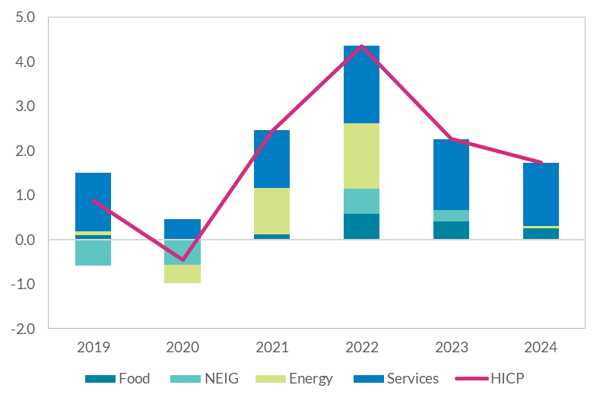

 | Source: Eurostat and Central Bank of Ireland calculations

Figure 23
Figure 23
Energy price inflation has been historically high in recent months, but futures prices suggest markets expect prices to decline in 2022

Oil Prices and HICP Energy

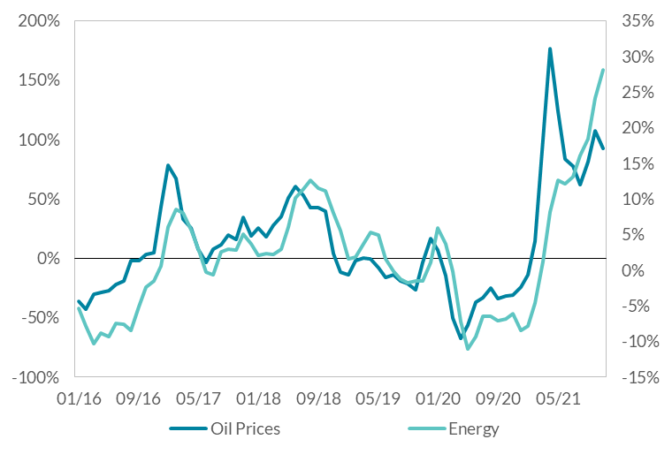
 | Annual change in oil prices | Annual change in energy prices
Jan-16 | -0.36 | -0.05
Feb-16 | -0.43 | -0.08
Mar-16 | -0.30 | -0.10
Apr-16 | -0.29 | -0.09
May-16 | -0.27 | -0.09
Jun-16 | -0.22 | -0.07
Jul-16 | -0.19 | -0.08
Aug-16 | -0.02 | -0.08
Sep-16 | -0.02 | -0.05
Oct-16 | 0.03 | -0.02
Nov-16 | 0.05 | -0.02
Dec-16 | 0.43 | 0.01
Jan-17 | 0.78 | 0.06
Feb-17 | 0.67 | 0.08
Mar-17 | 0.33 | 0.08
Apr-17 | 0.26 | 0.06
May-17 | 0.08 | 0.03
Jun-17 | -0.03 | 0.00
Jul-17 | 0.08 | -0.01 | Source: Eurostat
Aug-17 | 0.11 | 0.03
Sep-17 | 0.19 | 0.03
Oct-17 | 0.16 | 0.03
Nov-17 | 0.35 | 0.05
Dec-17 | 0.19 | 0.04
Jan-18 | 0.26 | 0.02
Feb-18 | 0.18 | 0.02
Mar-18 | 0.28 | 0.02
Apr-18 | 0.35 | 0.03
May-18 | 0.51 | 0.06
Jun-18 | 0.60 | 0.10
Jul-18 | 0.53 | 0.11
Aug-18 | 0.42 | 0.13
Sep-18 | 0.43 | 0.11
Oct-18 | 0.40 | 0.11
Nov-18 | 0.04 | 0.08
Dec-18 | -0.12 | 0.05
Jan-19 | -0.14 | 0.02
Feb-19 | -0.02 | 0.02
Mar-19 | 0.00 | 0.04
Apr-19 | -0.01 | 0.05
May-19 | -0.08 | 0.05
Jun-19 | -0.16 | 0.02
Jul-19 | -0.14 | 0.00
Aug-19 | -0.19 | -0.01
Sep-19 | -0.21 | -0.02
Oct-19 | -0.26 | -0.01
Nov-19 | -0.04 | -0.01
Dec-19 | 0.16 | 0.01
Jan-20 | 0.07 | 0.06
Feb-20 | -0.14 | 0.04
Mar-20 | -0.50 | 0.00
Apr-20 | -0.67 | -0.07
May-20 | -0.56 | -0.11
Jun-20 | -0.37 | -0.09
Jul-20 | -0.33 | -0.06
Aug-20 | -0.25 | -0.06
Sep-20 | -0.34 | -0.07
Oct-20 | -0.32 | -0.07
Nov-20 | -0.31 | -0.06
Dec-20 | -0.24 | -0.08
Jan-21 | -0.14 | -0.08
Feb-21 | 0.14 | -0.05
Mar-21 | 1.00 | 0.01
Apr-21 | 1.76 | 0.08
May-21 | 1.24 | 0.13
Jun-21 | 0.84 | 0.12
Jul-21 | 0.78 | 0.13
Aug-21 | 0.62 | 0.16
Sep-21 | 0.81 | 0.18
Oct-21 | 1.07 | 0.24
Nov-21 | 0.92 | 0.28

Figure 28
Figure 28
Contact-intensive sectors yet to recover to pre-pandemic levels of hours worked

Change in hours worked and employment by sector (Q3 2019 – Q3 2021)

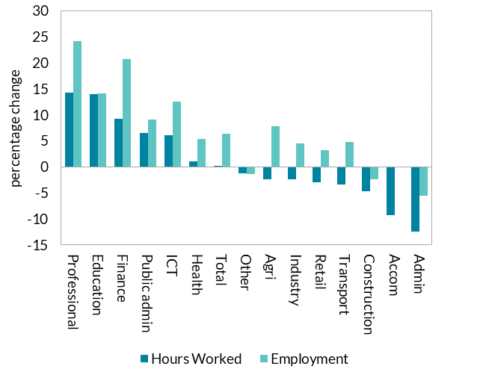
 | Hours Worked | Employment
Professional | 14.26 | 24.27
Education | 13.99 | 14.07
Finance | 9.24 | 20.75
Public admin | 6.51 | 9.04
ICT | 6.14 | 12.61
Health | 1.04 | 5.36
Total | 0.11 | 6.40
Other | -1.25 | -1.34
Agri | -2.34 | 7.75
Industry | -2.45 | 4.46
Retail | -2.94 | 3.29
Transport | -3.39 | 4.82
Construction | -4.75 | -2.34
Accom | -9.32 | 0.00
Admin | -12.40 | -5.59

 |  |  | Source: CSO

Figure 29
Figure 29
Participation increased strongly across all age groups

Change in Labour Force Participation by Age Group (Q3 2021 – Q3 2019)

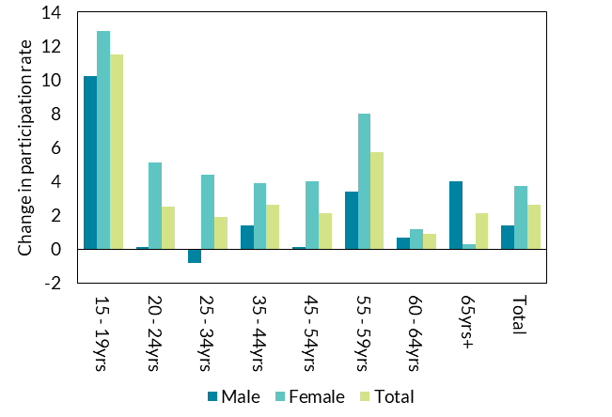
 | Male | Female | Total
15 - 19yrs | 10.2 | 12.9 | 11.5
20 - 24yrs | 0.1 | 5.1 | 2.5
25 - 34yrs | -0.8 | 4.4 | 1.9
35 - 44yrs | 1.4 | 3.9 | 2.6
45 - 54yrs | 0.1 | 4 | 2.1
55 - 59yrs | 3.4 | 8 | 5.7
60 - 64yrs | 0.7 | 1.2 | 0.9
65yrs+ | 4 | 0.3 | 2.1
Total | 1.4 | 3.7 | 2.6

 |  |  |  | Source: CSO

Figure 30
Figure 30
Strong labour force growth as participation effect counteracts lower net inward migration

Decomposition of Labour Force Growth

 | 1999Q1 | 1999Q2 | 1999Q3 | 1999Q4 | 2000Q1 | 2000Q2 | 2000Q3 | 2000Q4 | 2001Q1 | 2001Q2 | 2001Q3 | 2001Q4 | 2002Q1 | 2002Q2 | 2002Q3 | 2002Q4 | 2003Q1 | 2003Q2 | 2003Q3 | 2003Q4 | 2004Q1 | 2004Q2 | 2004Q3 | 2004Q4 | 2005Q1 | 2005Q2 | 2005Q3 | 2005Q4 | 2006Q1 | 2006Q2 | 2006Q3 | 2006Q4 | 2007Q1 | 2007Q2 | 2007Q3 | 2007Q4 | 2008Q1 | 2008Q2 | 2008Q3 | 2008Q4 | 2009Q1 | 2009Q2 | 2009Q3 | 2009Q4 | 2010Q1 | 2010Q2 | 2010Q3 | 2010Q4 | 2011Q1 | 2011Q2 | 2011Q3 | 2011Q4 | 2012Q1 | 2012Q2 | 2012Q3 | 2012Q4 | 2013Q1 | 2013Q2 | 2013Q3 | 2013Q4 | 2014Q1 | 2014Q2 | 2014Q3 | 2014Q4 | 2015Q1 | 2015Q2 | 2015Q3 | 2015Q4 | 2016Q1 | 2016Q2 | 2016Q3 | 2016Q4 | 2017Q1 | 2017Q2 | 2017Q3 | 2017Q4 | 2018Q1 | 2018Q2 | 2018Q3 | 2018Q4 | 2019Q1 | 2019Q2 | 2019Q3 | 2019Q4 | 2020Q1 | 2020Q2 | 2020Q3 | 2020Q4 | 2021Q1 | 2021Q2 | 2021Q3
Demographic Effect | 35578.7 | 31373.3 | 30154.2 | 35379.7 | 35858.7 | 37363.5 | 36915.4 | 41669.6 | 42862.5 | 44700.1 | 46017.3 | 44796.9 | 49270.9 | 50480.8 | 46443.3 | 45096.5 | 43064.4 | 39294.9 | 38569.6 | 38936.3 | 37962.1 | 39252.8 | 43002.6 | 48643.8 | 53473.7 | 57714.5 | 61204.3 | 63444.2 | 67685.1 | 68663.1 | 77841 | 80664.8 | 84509.4 | 90586.2 | 75750.8 | 66592.1 | 59256.7 | 46997.8 | 36057.8 | 22634.8 | 11271 | 6429.1 | -2877.4 | -4264.2 | -6546.3 | -14101.5 | -8903.6 | -10890.2 | -7439.2 | -7981.1 | -9552.5 | -7706.7 | -8797.3 | -9737.6 | -8842.8 | -7055.3 | -5421.1 | -4542.9 | -3484.8 | -2251.2 | -975.3 | 1351.6 | 5443.9 | 7503.9 | 9088.1 | 11737.2 | 13414.8 | 14674.2 | 17197.7 | 19737.6 | 21207.4 | 21031.1 | 21411.4 | 20248.4 | 19307.3 | 21090.7 | 16227.9 | 26171.8 | 26415.9 | 26783.5 | 35447.9 | 31660.8 | 31182.8 | 30915.7 | 27488.4 | 25160.4 | 28122.8 | 22173.1 | 20088.5 | 15604 | 14779
Participation Effect | 18921.3 | 47726.7 | 52145.8 | 54020.3 | 23841.4 | 18636.5 | 14484.6 | 530.4 | -2862.5 | -2900.1 | 8182.7 | 11803.1 | 8229.1 | -5880.8 | -26443.3 | -10296.5 | -5064.4 | -894.9 | 3430.4 | 2263.7 | 17237.9 | 12947.2 | 21197.4 | 27156.2 | 23626.3 | 43785.5 | 37295.7 | 34055.8 | 34914.9 | 24636.9 | 18859 | 22435.2 | 28490.6 | 23813.8 | 18949.2 | 13707.9 | -13856.7 | -16797.8 | -16457.8 | -33034.8 | -51171 | -40629.1 | -66222.6 | -59335.8 | -54953.7 | -46398.5 | -44996.4 | -28309.8 | -24160.8 | -17318.9 | -16047.5 | 1906.7 | 10397.3 | -3562.4 | 9842.8 | -7244.7 | 4721.1 | 29242.9 | 32384.8 | 35951.2 | 23875.3 | -6651.6 | 4656.1 | 6496.1 | 4311.9 | 21762.8 | 9485.2 | 15825.8 | 14702.3 | 34262.4 | 32992.6 | 17868.9 | 20688.6 | -17648.4 | -10507.3 | 19809.3 | 11372.1 | 30128.2 | 18584.1 | 8316.5 | 29552.1 | 639.2 | 7717.3 | 31584.3 | 21411.6 | -192860.4 | -50322.8 | -71473.1 | -80788.5 | 258296 | 176221

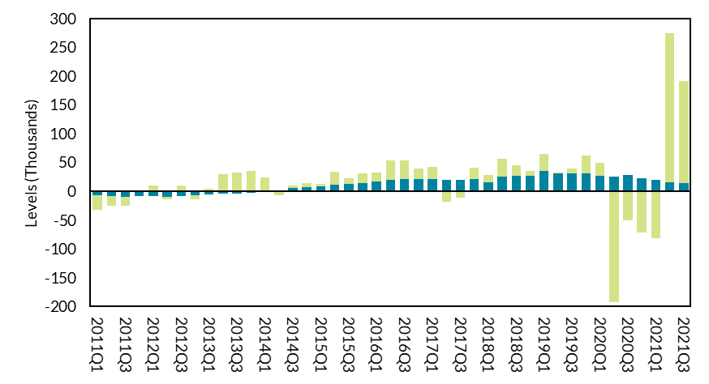

 | Source: CSO

Figure 31
Figure 31
Less adversely affected sectors have exhibited increased earnings growth with little relative change in hours worked

Decomposition of weekly wage growth by average hourly earnings and average hours worked (Q3 2021 – Q3 2019)

 | Hourly Earnings Share | Hours Worked Share | Total Weekly Earnings Growth
Admin | 11.6% | 1.2% | 12.9%
Accom | 9.2% | -2.9% | 6.3%
ICT | 8.1% | -1.9% | 6.3%
All Sectors | 7.8% | 0.0% | 7.8%
Professional | 7.7% | 0.0% | 7.7%
Public admin | 7.7% | -4.3% | 3.4%
Arts | 7.6% | 5.4% | 13.0%
Construction | 7.2% | 1.3% | 8.5%
Industry | 6.2% | -1.6% | 4.7%
Finance | 6.0% | -0.9% | 5.2%
Education | 4.9% | 6.9% | 11.8%
Health | 4.8% | 2.2% | 7.0%
Retail | 3.7% | 0.7% | 4.4%
Transport | -6.1% | -1.7% | -7.8%

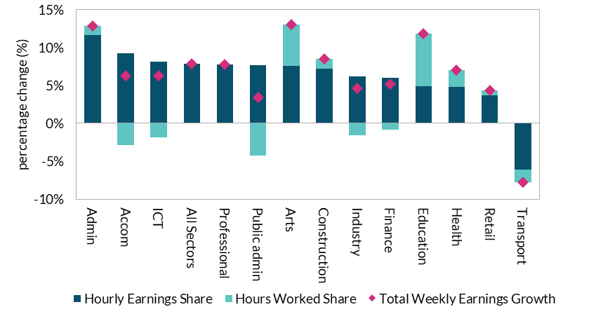

 | Source: CSO

Figure 32
Figure 32
Labour market tightness indicators have reverted to pre-pandemic levels

Ratio of Labour Slack to Job Vacancies

 | 08Q4 | 09Q1 | 09Q2 | 09Q3 | 09Q4 | 10Q1 | 10Q2 | 10Q3 | 10Q4 | 11Q1 | 11Q2 | 11Q3 | 11Q4 | 12Q1 | 12Q2 | 12Q3 | 12Q4 | 13Q1 | 13Q2 | 13Q3 | 13Q4 | 14Q1 | 14Q2 | 14Q3 | 14Q4 | 15Q1 | 15Q2 | 15Q3 | 15Q4 | 16Q1 | 16Q2 | 16Q3 | 16Q4 | 17Q1 | 17Q2 | 17Q3 | 17Q4 | 18Q1 | 18Q2 | 18Q3 | 18Q4 | 19Q1 | 19Q2 | 19Q3 | 19Q4 | 20Q1 | 20Q2 | 20Q3 | 20Q4 | 21Q1 | 21Q2 | 21Q3
COVID-adjusted Unemployment | 24.60 | 35.37 | 52.53 | 58.35 | 60.18 | 45.70 | 42.99 | 44.91 | 45.36 | 41.39 | 39.38 | 44.53 | 45.96 | 38.25 | 44.03 | 40.26 | 33.27 | 33.36 | 31.38 | 26.94 | 26.07 | 24.74 | 25.17 | 21.78 | 21.16 | 14.63 | 15.61 | 13.45 | 14.44 | 12.28 | 13.37 | 11.02 | 10.21 | 9.37 | 8.22 | 8.65 | 8.15 | 7.48 | 6.59 | 7.48 | 7.41 | 6.29 | 6.09 | 7.16 | 6.10 | 34.62 | 40.95 | 24.62 | 30.77 | 34.59 | 17.04 | 8.14
ILO Unemployment | 24.60 | 35.37 | 52.53 | 58.35 | 60.18 | 45.70 | 42.99 | 44.91 | 45.36 | 41.39 | 39.38 | 44.53 | 45.96 | 38.25 | 44.03 | 40.26 | 33.27 | 33.36 | 31.38 | 26.94 | 26.07 | 24.74 | 25.17 | 21.78 | 21.16 | 14.63 | 15.61 | 13.45 | 14.44 | 12.28 | 13.37 | 11.02 | 10.21 | 9.37 | 8.22 | 8.65 | 8.15 | 7.48 | 6.59 | 7.48 | 7.41 | 6.29 | 6.09 | 7.16 | 6.10 | 7.80 | 8.84 | 11.13 | 8.43 | 9.58 | 7.61 | 4.84
ILO and PALF | 27.64 | 40.29 | 59.72 | 66.52 | 69.10 | 53.03 | 49.29 | 51.64 | 52.47 | 48.08 | 45.75 | 51.59 | 53.30 | 43.95 | 51.09 | 46.63 | 39.34 | 39.53 | 36.99 | 31.85 | 30.72 | 28.80 | 29.74 | 25.55 | 24.74 | 17.08 | 18.33 | 15.62 | 16.73 | 14.25 | 15.89 | 13.05 | 12.26 | 11.20 | 9.96 | 14.83 | 14.48 | 14.19 | 12.68 | 13.68 | 13.68 | 12.27 | 12.03 | 13.31 | 11.59 | 15.22 | 30.18 | 22.01 | 18.74 | 21.42 | 14.97 | 8.28

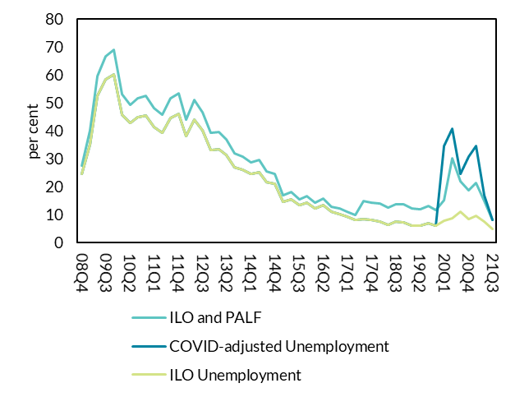

 |  | Source: CSO

Figure 33
Figure 33
Deficit improves over medium term as pandemic related spending declines

Decomposition of Government Deficit
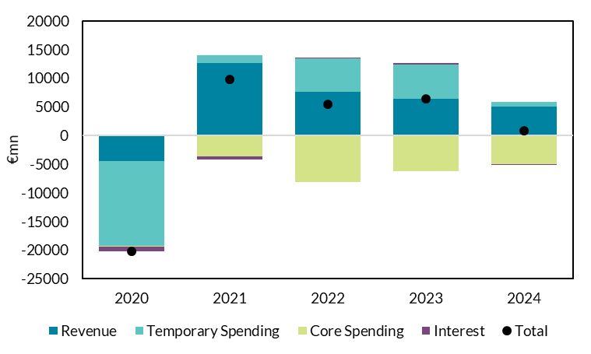
 | 2020 | 2021 | 2022 | 2023 | 2024
Revenue | -4493 | 12642 | 7623 | 6466 | 5056
Temporary spending | -14800 | 1430 | 5870 | 5985 | 815
Core Spending | -153 | -3666 | -8083 | -6191 | -4939
Interest | -794 | -535 | 100 | 180 | -70
Total | -20240 | 9871 | 5510 | 6440 | 862

 |  |  |  |  |  | Source: CSO, Department of Finance, Central Bank of Ireland projections

Figure 34
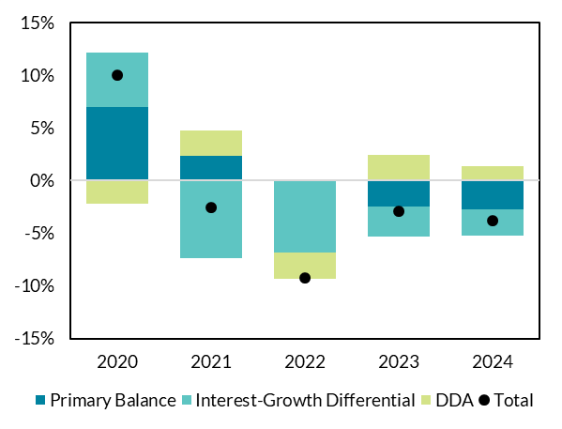
Figure 34
Debt ratio declines over medium term but remains at elevated level

Decomposition of Government Debt

 | 2020 | 2021 | 2022 | 2023 | 2024
Primary Balance | 7.0% | 2.3% | 0.1% | -2.5% | -2.7%
Interest Growth Differential | 5.2% | -7.4% | -6.8% | -2.9% | -2.5%
DDA | -2.2% | 2.5% | -2.6% | 2.4% | 1.4%
Total | 10.0% | -2.6% | -9.2% | -2.9% | -3.8%

 |  |  |  |  |  | Source: CSO, Department of Finance, Central Bank of Ireland projections

