B1
High uncertainty remains for the path of gas prices
Figure1: Historical and expected Dutch TTF gas futures price

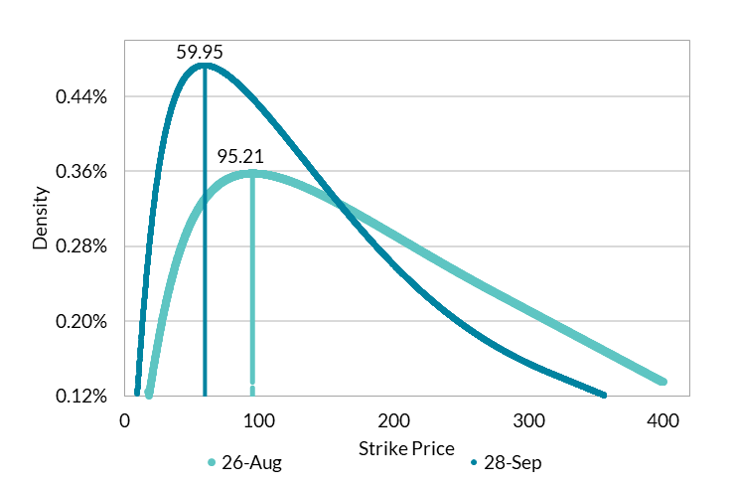

 | Source: Bloomberg and Authors Calculations
 | Note:Data cannot be provided as confidential data used

B2
Expectations for gas prices have declined since August
Figure 2: Risk-Neutral Distributions for options settling Dec-2023

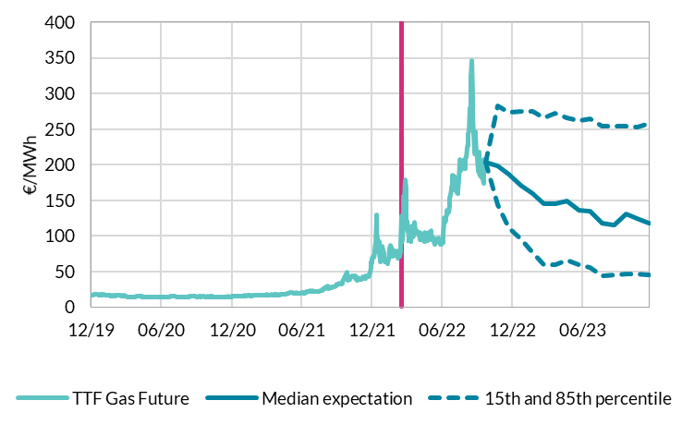

 | Source: Bloomberg and Authors Calculations
 | Note:Data cannot be provided as confidential data used

C1
High card spending levels with some recent signs of easing
Figure 1: Monthly personal card spending and cash withdrawals

 | Value |  |  |  |  | Spending Inside Ireland | Spendig Outside Ireland | Volumes |  |  |  |  | Annual Growth Rate |  |  | Annual Growth Rate (3m average) |  |  | Deviation pre COVID trend
 | Debit POS | Debit ATM | Credit Personal | Personal Total | Credit Business |  |  | Debit POS | Debit ATM | Credit Personal | Personal Total | Credit Business | Value | Volume |  | Value (rhs) | Transactions (rhs)
2015-01-30 | 1834550 | 1268549 | 669676 | 3772775 | 161631 | 3427832 | 344943 | 35528300 | 10675706 | 7808988 | 54012994 | 1136310
2015-02-27 | 1756066 | 1278664 | 592852 | 3627582 | 164692 | 3304741 | 322841 | 35523809 | 10856916 | 7341941 | 53722666 | 1171206
2015-03-31 | 2073331 | 1538207 | 682722 | 4294260 | 183965 | 3920347 | 373913 | 41844417 | 13045288 | 8533545 | 63423250 | 1301976
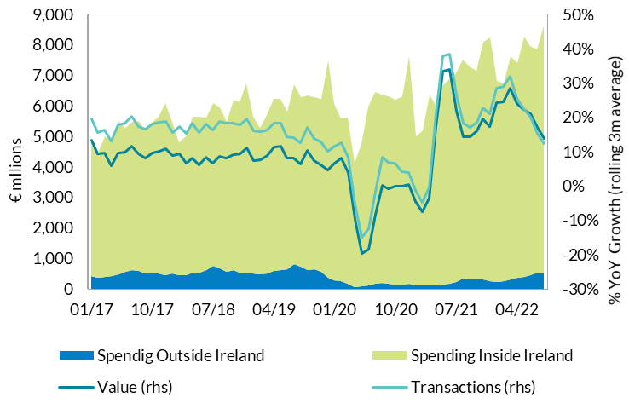
2015-04-30 | 1952864 | 1509132 | 655506 | 4117502 | 173046 | 3746096 | 371406 | 39103279 | 12593276 | 8165607 | 59862162 | 1221580
2015-05-29 | 1931556 | 1546118 | 638138 | 4115812 | 173355 | 3744168 | 371644 | 38817316 | 12766318 | 8048110 | 59631744 | 1222304
2015-06-30 | 2193259 | 1629951 | 718785 | 4541995 | 183139 | 4057452 | 484543 | 43914595 | 13329693 | 9080896 | 66325184 | 1302143
2015-07-31 | 2125519 | 1658696 | 709908 | 4494123 | 174295 | 3988474 | 505649 | 42135193 | 13305204 | 8817599 | 64257996 | 1246261
2015-08-31 | 2183335 | 1608693 | 698348 | 4490376 | 164642 | 4022027 | 468349 | 43423170 | 13065342 | 8633355 | 65121867 | 1155955
2015-09-30 | 2152051 | 1573762 | 701393 | 4427206 | 185742 | 3992550 | 434656 | 42144091 | 13091728 | 8279685 | 63515504 | 1301918
2015-10-30 | 2156516 | 1580685 | 653834 | 4391035 | 182685 | 3983465 | 407570 | 43921048 | 13218430 | 8328576 | 65468054 | 1308573
2015-11-30 | 2385696 | 1535289 | 715626 | 4636611 | 189525 | 4244624 | 391987 | 47658107 | 12860671 | 9176381 | 69695159 | 1362644
2015-12-30 | 2754918 | 1734282 | 787253 | 5276453 | 196718 | 4898176 | 378277 | 53571935 | 13104777 | 10260312 | 76937024 | 1292956
2016-01-29 | 2098266 | 1350880 | 653143 | 4102289 | 163361 | 3762787 | 339502 | 41623537 | 11333347 | 7676009 | 60632893 | 1176848 | 8.7% | 12.3% | 3.5%
2016-02-29 | 2280952 | 1446193 | 663636 | 4390781 | 184741 | 4039905 | 350876 | 47322041 | 12212768 | 8174374 | 67709183 | 1348041 | 21.0% | 26.0% | 5.0%
2016-03-31 | 2397764 | 1580401 | 658495 | 4636660 | 177175 | 4256633 | 380027 | 48960593 | 13152577 | 8579968 | 70693138 | 1303604 | 8.0% | 11.5% | 3.5% | 12.6% | 16.6% | 4.0%
2016-04-29 | 2311216 | 1546804 | 634330 | 4492350 | 180209 | 4146783 | 345567 | 46462381 | 12798843 | 8116670 | 67377894 | 1328092 | 9.1% | 12.6% | 3.5% | 12.7% | 16.7% | 4.0%
2016-05-31 | 2602386 | 1614774 | 688690 | 4905850 | 187767 | 4488602 | 417248 | 53020678 | 13358558 | 9046688 | 75425924 | 1387460 | 19.2% | 26.5% | 7.3% | 12.1% | 16.8% | 4.7%
2016-06-30 | 2507175 | 1650468 | 672546 | 4830189 | 178991 | 4338474 | 491715 | 50510830 | 13283643 | 8838748 | 72633221 | 1315080 | 6.3% | 9.5% | 3.2% | 11.5% | 16.2% | 4.6%
2016-07-29 | 2497024 | 1652733 | 672733 | 4822490 | 164213 | 4299634 | 522856 | 50084291 | 13125031 | 8703101 | 71912423 | 1198198 | 7.3% | 11.9% | 4.6% | 10.9% | 16.0% | 5.0%
2016-08-31 | 2793756 | 1703569 | 747898 | 5245223 | 175665 | 4705186 | 540037 | 56262610 | 13730049 | 9587200 | 79579859 | 1292204 | 16.8% | 22.2% | 5.4% | 10.2% | 14.5% | 4.4% |  |  | Source: Central Bank of Ireland
2016-09-30 | 2586366 | 1627412 | 702927 | 4916705 | 190828 | 4458572 | 458133 | 51931177 | 13174143 | 8690295 | 73795615 | 1384869 | 11.1% | 16.2% | 5.1% | 11.7% | 16.8% | 5.0%
2016-10-28 | 2446816 | 1533138 | 633684 | 4613638 | 179134 | 4217796 | 395842 | 51375707 | 12770529 | 8392801 | 72539037 | 1319871 | 5.1% | 10.8% | 5.7% | 11.0% | 16.4% | 5.4%
2016-11-30 | 2922031 | 1600554 | 763775 | 5286360 | 197249 | 4815515 | 470845 | 59765155 | 13234784 | 10017632 | 83017571 | 1444923 | 14.0% | 19.1% | 5.1% | 10.0% | 15.4% | 5.3%
2016-12-30 | 3143298 | 1748988 | 764008 | 5656294 | 202028 | 5255291 | 401003 | 63529488 | 13079287 | 10337687 | 86946462 | 1347539 | 7.2% | 13.0% | 5.8% | 8.8% | 14.3% | 5.5%
2017-01-30 | 2705345 | 1446513 | 731413 | 4883271 | 180968 | 4464914 | 418357 | 55851942 | 12045344 | 8742576 | 76639862 | 1306886 | 19.0% | 26.4% | 7.4% | 13.4% | 19.5% | 6.1%
2017-02-28 | 2447175 | 1388768 | 619488 | 4455431 | 176726 | 4102530 | 352901 | 52835432 | 11634350 | 7939796 | 72409578 | 1311849 | 1.5% | 6.9% | 5.5% | 9.2% | 15.5% | 6.2%
2017-03-31 | 2728623 | 1604314 | 677563 | 5010500 | 193886 | 4614804 | 395696 | 59149358 | 13500529 | 8872548 | 81522435 | 1458440 | 8.1% | 15.3% | 7.3% | 9.5% | 16.2% | 6.7%
2017-04-28 | 2688833 | 1514538 | 652999 | 4856370 | 170954 | 4443615 | 412755 | 57952984 | 12548794 | 8479807 | 78981585 | 1274306 | 8.1% | 17.2% | 9.1% | 5.9% | 13.2% | 7.3%
2017-05-31 | 3096448 | 1674788 | 741297 | 5512533 | 203429 | 5034500 | 478033 | 67069897 | 14059702 | 9846301 | 90975900 | 1533996 | 12.4% | 20.6% | 8.2% | 9.5% | 17.7% | 8.2%
2017-06-30 | 2904976 | 1658340 | 708857 | 5272173 | 187597 | 4727285 | 544888 | 62259263 | 13399825 | 9414296 | 85073384 | 1421220 | 9.2% | 17.1% | 8.0% | 9.9% | 18.3% | 8.4%
2017-07-31 | 3057936 | 1677132 | 741161 | 5476229 | 178274 | 4851061 | 625168 | 65271370 | 13566244 | 9804462 | 88642076 | 1364666 | 13.6% | 23.3% | 9.7% | 11.7% | 20.3% | 8.6%
2017-08-31 | 3080328 | 1686570 | 744000 | 5510898 | 174913 | 4929427 | 581471 | 65408310 | 13627304 | 9812255 | 88847869 | 1313710 | 5.1% | 11.6% | 6.6% | 9.3% | 17.3% | 8.1%
2017-09-29 | 2935667 | 1575925 | 700473 | 5212065 | 188501 | 4708956 | 503109 | 62508602 | 12864506 | 9038972 | 84412080 | 1424206 | 6.0% | 14.4% | 8.4% | 8.2% | 16.4% | 8.2%
2017-10-31 | 3159377 | 1582780 | 703738 | 5445895 | 195503 | 4942807 | 503088 | 70187806 | 13247306 | 9744250 | 93179362 | 1507116 | 18.0% | 28.5% | 10.4% | 9.7% | 18.2% | 8.5%
2017-11-30 | 3302987 | 1571229 | 757645 | 5631861 | 198857 | 5142160 | 489701 | 70536626 | 13108442 | 10210121 | 93855189 | 1536337 | 6.5% | 13.1% | 6.5% | 10.2% | 18.6% | 8.4%
2017-12-29 | 3601944 | 1718484 | 777938 | 6098366 | 207156 | 5642025 | 456341 | 75862051 | 12950997 | 10773269 | 99586317 | 1407762 | 7.8% | 14.5% | 6.7% | 10.8% | 18.7% | 7.9%
2018-01-31 | 3241272 | 1434308 | 788735 | 5464315 | 193296 | 4960401 | 503914 | 69807356 | 11660043 | 9730602 | 91198001 | 1452657 | 11.9% | 19.0% | 7.1% | 8.7% | 15.5% | 6.8%
2018-02-28 | 2788208 | 1384774 | 645150 | 4818132 | 183165 | 4372850 | 445282 | 65777856 | 11340253 | 8746244 | 85864353 | 1436816 | 8.1% | 18.6% | 10.4% | 9.3% | 17.4% | 8.1%
2018-03-29 | 2855676 | 1500380 | 650372 | 5006428 | 181133 | 4559643 | 446785 | 67732163 | 11883774 | 9011069 | 88627006 | 1406508 | -0.1% | 8.7% | 8.8% | 6.7% | 15.4% | 8.8%
2018-04-30 | 3286729 | 1619363 | 742119 | 5648211 | 196908 | 5120250 | 527961 | 77421973 | 12972406 | 10128767 | 100523146 | 1546478 | 16.3% | 27.3% | 11.0% | 8.1% | 18.2% | 10.1%
2018-05-31 | 3240661 | 1656422 | 740198 | 5637281 | 201620 | 5097599 | 539682 | 77132348 | 13331627 | 10288319 | 100752294 | 1579689 | 2.3% | 10.7% | 8.5% | 6.2% | 15.6% | 9.4%
2018-06-29 | 3141509 | 1758066 | 722551 | 5622126 | 187394 | 5007660 | 614466 | 74855618 | 13797721 | 10181059 | 98834398 | 1479697 | 6.6% | 16.2% | 9.5% | 8.4% | 18.1% | 9.7%
2018-07-03 | 3471099 | 1825379 | 779576 | 6076054 | 189482 | 5333627 | 742427 | 82760951 | 14306398 | 11044319 | 108111668 | 1499938 | 11.0% | 22.0% | 11.0% | 6.6% | 16.3% | 9.7%
2018-08-31 | 3397339 | 1800771 | 765368 | 5963478 | 186478 | 5294737 | 668741 | 80352800 | 14009716 | 10690640 | 105053156 | 1448120 | 8.2% | 18.2% | 10.0% | 8.6% | 18.8% | 10.2%
2018-09-28 | 3128175 | 1657790 | 697302 | 5483267 | 187060 | 4936949 | 546318 | 74002934 | 13074326 | 9518961 | 96596221 | 1472722 | 5.2% | 14.4% | 9.2% | 8.1% | 18.2% | 10.1%
2018-10-31 | 3651852 | 1777381 | 776514 | 6205747 | 211510 | 5597782 | 607965 | 88648449 | 13994581 | 11175076 | 113818106 | 1688624 | 14.0% | 22.1% | 8.2% | 9.1% | 18.3% | 9.2%
2018-11-30 | 3644450 | 1667561 | 815308 | 6127319 | 212178 | 5591892 | 535427 | 85522286 | 12861217 | 11403407 | 109786910 | 1654160 | 8.8% | 17.0% | 8.2% | 9.3% | 17.9% | 8.5%
2018-12-01 | 4063431 | 1844484 | 824292 | 6732207 | 219435 | 6205301 | 526906 | 94120807 | 13015508 | 12120436 | 119256751 | 1515406 | 10.4% | 19.8% | 9.4% | 11.0% | 19.6% | 8.6%
2019-01-31 | 3367354 | 1483091 | 781507 | 5631952 | 204025 | 5117500 | 514452 | 79868723 | 11606460 | 10137707 | 101612890 | 1535980 | 3.1% | 11.4% | 8.4% | 7.4% | 16.0% | 8.6%
2019-02-28 | 3145364 | 1474806 | 667441 | 5287611 | 194677 | 4817225 | 470386 | 78832363 | 11566745 | 9457782 | 99856890 | 1532829 | 9.7% | 16.3% | 6.6% | 7.7% | 15.8% | 8.1%
2019-03-29 | 3384514 | 1607113 | 704604 | 5696231 | 215371 | 5192614 | 503617 | 84960360 | 12408218 | 10102645 | 107471223 | 1704975 | 13.8% | 21.3% | 7.5% | 8.9% | 16.3% | 7.5%
2019-04-30 | 3769685 | 1673722 | 784647 | 6228054 | 218001 | 5627393 | 600661 | 93910528 | 12779649 | 11306726 | 117996903 | 1723028 | 10.3% | 17.4% | 7.1% | 11.3% | 18.3% | 7.1%
2019-05-31 | 3723757 | 1748471 | 770416 | 6242644 | 233819 | 5640019 | 602625 | 92422927 | 13183104 | 11222882 | 116828913 | 1841305 | 10.7% | 16.0% | 5.2% | 11.6% | 18.2% | 6.6%
2019-06-28 | 3471270 | 1620274 | 724367 | 5815911 | 204792 | 5169777 | 646134 | 85771532 | 12068249 | 10600105 | 108439886 | 1616369 | 3.4% | 9.7% | 6.3% | 8.2% | 14.4% | 6.2%
2019-07-31 | 4075368 | 1782311 | 849705 | 6707384 | 220663 | 5891775 | 815609 | 100384455 | 13339178 | 12370532 | 126094165 | 1749269 | 10.4% | 16.6% | 6.2% | 8.2% | 14.1% | 5.9%
2019-08-30 | 3794021 | 1701817 | 786260 | 6282098 | 200651 | 5564562 | 717536 | 92902287 | 12568298 | 11401353 | 116871938 | 1553545 | 5.3% | 11.3% | 5.9% | 6.4% | 12.5% | 6.1%
2019-09-30 | 3893960 | 1655028 | 780316 | 6329304 | 228285 | 5703682 | 625622 | 95532177 | 12495935 | 11309679 | 119337791 | 1802446 | 15.4% | 23.5% | 8.1% | 10.4% | 17.1% | 6.8%
2019-10-30 | 3911121 | 1628229 | 756234 | 6295584 | 232018 | 5660350 | 635234 | 97683418 | 12394946 | 11526282 | 121604646 | 1849170 | 1.4% | 6.8% | 5.4% | 7.4% | 13.9% | 6.5%
2019-11-29 | 3939097 | 1513721 | 769298 | 6222116 | 233317 | 5668669 | 553447 | 95627257 | 11376975 | 11504882 | 118509114 | 1823771 | 1.5% | 7.9% | 6.4% | 6.1% | 12.8% | 6.6%
2019-12-29 | 4814757 | 1783939 | 886178 | 7484874 | 245676 | 7127324 | 357550 | 111654125 | 12306539 | 13440803 | 137401467 | 1712157 | 11.2% | 15.2% | 4.0% | 4.7% | 10.0% | 5.3%
2020-01-28 | 3839330 | 1414215 | 797874 | 6051419 | 221742 | 5773087 | 278332 | 92176130 | 10629256 | 10946565 | 113751951 | 1702239 | 7.4% | 11.9% | 4.5% | 6.7% | 11.7% | 5.0% | 9.2% | 16.4% | PRE COVID AVG
2020-02-27 | 3574791 | 1352363 | 672933 | 5600087 | 205853 | 5348720 | 251367 | 89884497 | 10205891 | 10054624 | 110145012 | 1683333 | 5.9% | 10.3% | 4.4% | 8.2% | 12.5% | 4.3% | -1.1% | -6.1%
2020-03-31 | 3788218 | 1222969 | 601483 | 5612670 | 157766 | 5439261 | 173409 | 92236050 | 8311917 | 10105390 | 110653357 | 1333129 | -1.5% | 3.0% | 4.4% | 4.0% | 8.4% | 4.4% | -5.3% | -13.4%
2020-04-30 | 3006251 | 710309 | 404100 | 4120660 | 84258 | 4051589 | 69071 | 70632298 | 4298630 | 7455667 | 82386595 | 672628 | -33.8% | -30.2% | 3.7% | -9.8% | -5.6% | 4.2% | -19.0% | -46.6%
2020-05-31 | 3443186 | 825691 | 476976 | 4745853 | 103612 | 4659782 | 86071 | 82036152 | 5079615 | 8654874 | 95770641 | 812970 | -24.0% | -18.0% | 6.0% | -19.8% | -15.1% | 4.7% | -29.0% | -34.4%
2020-06-30 | 4332706 | 1021611 | 623038 | 5977355 | 134256 | 5856632 | 120723 | 103157187 | 6410178 | 10658701 | 120226066 | 1059755 | 2.8% | 10.9% | 8.1% | -18.3% | -12.4% | 5.9% | -27.6% | -5.5%
2020-07-01 | 4568798 | 1183720 | 688296 | 6440814 | 159462 | 6267063 | 173751 | 109645176 | 7741233 | 11542335 | 128928744 | 1209614 | -4.0% | 2.2% | 6.2% | -8.4% | -1.6% | 6.8% | -17.6% | -14.1%
2020-08-01 | 4553863 | 1132914 | 688113 | 6374890 | 134783 | 6176036 | 198854 | 111478452 | 7616121 | 11851593 | 130946166 | 1144420 | 1.5% | 12.0% | 10.6% | 0.1% | 8.4% | 8.3% | -9.1% | -4.3%
2020-09-01 | 4490999 | 1126669 | 700635 | 6318303 | 148525 | 6150894 | 167409 | 108226493 | 7629776 | 11289799 | 127146068 | 1230477 | -0.2% | 6.5% | 6.7% | -0.9% | 6.9% | 7.8% | -10.1% | -9.8%
2020-10-01 | 4439057 | 1061179 | 687803 | 6188039 | 146189 | 6046609 | 141430 | 105034629 | 6978791 | 11346702 | 123360122 | 1165481 | -1.7% | 1.4% | 3.2% | -0.1% | 6.7% | 6.8% | -9.4% | -14.9%
2020-11-01 | 4605698 | 974965 | 727817 | 6308480 | 164026 | 6163597 | 144883 | 106042763 | 6283487 | 11707779 | 124034029 | 1162611 | 1.4% | 4.7% | 3.3% | -0.2% | 4.2% | 4.4% | -9.4% | -11.7%
2020-12-01 | 5549813 | 1252653 | 821745 | 7624211 | 183804 | 7466243 | 157968 | 123912520 | 7760145 | 13204342 | 144877007 | 1239463 | 1.9% | 5.4% | 3.6% | 0.5% | 3.8% | 3.3% | -8.7% | -10.9%
2021-01-29 | 3725668 | 754956 | 528867 | 5009491 | 121279 | 4900545 | 108946 | 84582718 | 4709325 | 8584360 | 97876403 | 878433 | -17.2% | -14.0% | 3.3% | -4.7% | -1.3% | 3.4% | -13.9% | -30.3%
2021-02-26 | 3851393 | 810173 | 523912 | 5185478 | 121964 | 5078175 | 107303 | 89910984 | 5129786 | 8710941 | 103751711 | 915513 | -7.4% | -5.8% | 1.6% | -7.6% | -4.8% | 2.8% | -16.8% | -22.2%
2021-03-31 | 4721077 | 1001467 | 653049 | 6375593 | 149270 | 6256861 | 118732 | 113739413 | 6387305 | 11162081 | 131288799 | 1153172 | 13.6% | 18.6% | 5.1% | -3.7% | -0.4% | 3.3% | -12.9% | 2.3%
2021-04-30 | 4455653 | 972268 | 608646 | 6036567 | 138512 | 5921996 | 114571 | 107703514 | 6162266 | 10523917 | 124389697 | 1072783 | 46.5% | 51.0% | 4.5% | 17.6% | 21.3% | 3.7% | 8.3% | 34.6%
2021-05-31 | 4944624 | 1033594 | 673667 | 6651885 | 143549 | 6503254 | 148631 | 119556168 | 6830571 | 11341343 | 137728082 | 1158538 | 40.2% | 43.8% | 3.6% | 33.4% | 37.8% | 4.4% | 24.2% | 27.4%
2021-06-30 | 5052599 | 1099882 | 728579 | 6881060 | 151317 | 6709656 | 171404 | 125102796 | 7369981 | 12030440 | 144503217 | 1217585 | 15.1% | 20.2% | 5.1% | 33.9% | 38.3% | 4.4% | 24.7% | 3.8%
2021-07-30 | 5173221 | 1152245 | 748424 | 7073890 | 153521 | 6845612 | 228278 | 128807775 | 7590934 | 12239022 | 148637731 | 1229203 | 9.8% | 15.3% | 5.5% | 21.7% | 26.4% | 4.7% | 12.5% | -1.1%
2021-08-30 | 5506469 | 1184841 | 819267 | 7510577 | 154067 | 7171699 | 338878 | 135314694 | 7915594 | 13028349 | 156258637 | 1235280 | 17.8% | 19.3% | 1.5% | 14.3% | 18.3% | 4.0% | 5.0% | 2.9%
2021-09-30 | 5299480 | 1156215 | 821173 | 7276868 | 177950 | 6964017 | 312851 | 128214774 | 7732105 | 12303391 | 148250270 | 1373373 | 15.2% | 16.6% | 1.4% | 14.3% | 17.1% | 2.8% | 5.0% | 0.2%
2021-10-30 | 5216874 | 1134198 | 787251 | 7138323 | 169187 | 6836857 | 301466 | 127953891 | 7492601 | 12162842 | 147609334 | 1347976 | 15.4% | 19.7% | 4.3% | 16.1% | 18.5% | 2.4% | 6.9% | 3.3%
2021-11-30 | 6019428 | 1138998 | 942547 | 8100973 | 195393 | 7800632 | 300341 | 141751250 | 7660140 | 13998924 | 163410314 | 1513512 | 28.4% | 31.7% | 3.3% | 19.6% | 22.7% | 3.0% | 10.4% | 15.4%
2021-12-01 | 6153340 | 1232282 | 866723 | 8252345 | 187486 | 7993968 | 258377 | 140284071 | 7531328 | 13706816 | 161522215 | 1334713 | 8.2% | 11.5% | 3.3% | 17.3% | 21.0% | 3.6% | 8.1% | -4.9%
2022-01-01 | 5103221 | 939885 | 764546 | 6807652 | 153859 | 6579037 | 228615 | 121407554 | 6261717 | 11164655 | 138833926 | 1186287 | 35.9% | 41.8% | 6.0% | 24.2% | 28.4% | 4.2% | 14.9% | 25.5%
2022-02-01 | 5012984 | 971985 | 742260 | 6727229 | 172915 | 6477749 | 249480 | 120932077 | 6511037 | 10937238 | 138380352 | 1266601 | 29.7% | 33.4% | 3.6% | 24.6% | 28.9% | 4.3% | 15.4% | 17.0%
2022-03-01 | 5662034 | 1131288 | 830627 | 7623949 | 199485 | 7319709 | 304240 | 138291754 | 7638349 | 12405121 | 158335224 | 1501999 | 19.6% | 20.6% | 1.0% | 28.4% | 31.9% | 3.5% | 19.2% | 4.2%
2022-04-01 | 5484129 | 1112897 | 813595 | 7410621 | 184242 | 7057404 | 353217 | 133129122 | 7366789 | 12110426 | 152606337 | 1400790 | 22.8% | 22.7% | -0.1% | 24.0% | 25.6% | 1.5% | 14.8% | 6.3%
2022-05-01 | 6152763 | 1211291 | 905338 | 8269392 | 213256 | 7876429 | 392963 | 149500751 | 8128644 | 13484723 | 171114118 | 1623674 | 24.3% | 24.2% | -0.1% | 22.2% | 22.5% | 0.3% | 13.0% | 7.9%
2022-06-01 | 5924495 | 1167474 | 876007 | 7967976 | 204464 | 7509120 | 458856 | 142565594 | 7637900 | 13058640 | 163262134 | 1539242 | 15.8% | 13.0% | -2.8% | 21.0% | 20.0% | -1.0% | 11.7% | -3.4%
2022-07-01 | 5841954 | 1160172 | 846227 | 7848353 | 187193 | 7330454 | 517899 | 141870230 | 7466626 | 12804018 | 162140874 | 1395439 | 10.9% | 9.1% | -1.9% | 17.0% | 15.4% | -1.6% | 7.8% | -7.3%
2022-08-01 | 6467888 | 1219614 | 940927 | 8628429 | 201532 | 8103688 | 524741 | 157538714 | 7999025 | 14218370 | 179756109 | 1470185 | 14.9% | 15.0% | 0.2% | 13.9% | 12.4% | -1.5% | 4.6% | -1.3%

C2
Strong growth in transport and social spending
Figure 2: Card spending and cash withdrawals

 | Personal Card Spending
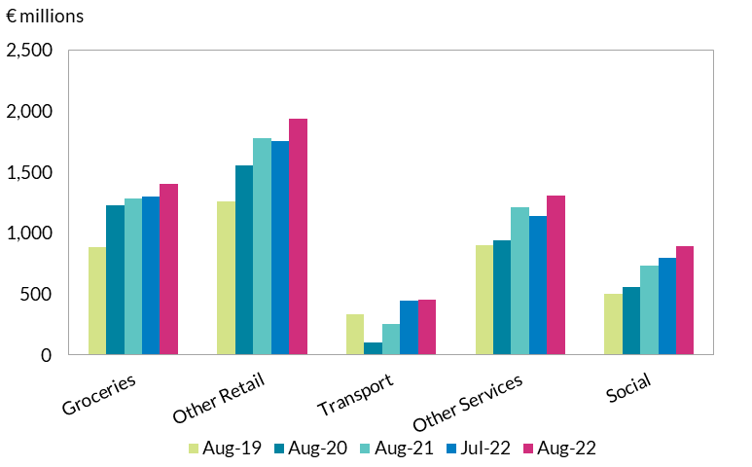
 | Groceries | Other Retail | Transport | Other Services | Social |  | Utilities
Aug-19 | 881 | 1,260 | 332 | 898 | 502 |  | 192
Aug-20 | 1,229 | 1,555 | 101 | 944 | 555 |  | 253
Aug-21 | 1,284 | 1,777 | 256 | 1,208 | 736 |  | 259
Jul-22 | 1,301 | 1,757 | 442 | 1,140 | 796 |  | 262
Aug-22 | 1,400 | 1,938 | 452 | 1,311 | 896 |  | 262

MoM | 7.6% | 10.3% | 2.2% | 15.0% | 12.5% |  | -0.1%
YoY | 9.0% | 9.1% | 77.0% | 8.5% | 21.7% |  | 1.0%

prev for reference
 | Groceries | Other Retail | Transport | Other Services | Social | Source: Central Bank of Ireland
Jul-19 | 950923 | 1313345 | 401585 | 862835 | 527584
Jul-20 | 1240634 | 1598114 | 118116 | 929554 | 498269
Jul-21 | 1307967 | 1692793 | 213327 | 1091193 | 621394
Jun-22 | 1306493 | 1833664 | 472765 | 1144808 | 778344
Jul-22 | 1300755 | 1756784 | 442377 | 1140143 | 795999

MoM | -0.4% | -4.2% | -6.4% | -0.4% | 2.3%
YoY | -0.6% | 3.8% | 107.4% | 4.5% | 28.1%

3m smoothed

C3
Deposit growth continues to outpace euro area average with higher monthly flows despite continued spending and inflation
Figure 3: Deposits from Households; net flows, and annual rate of change and Irish inflation

 | Monthly net flows (lhs) | Annual rate of change % (rhs) |  | [U2] - Euro area (changing composition) |  | Annual rate of change in CPI index
2015-01 | 331 | 0.1 | 2015-01-01 | 2.4 | 2015-01-01 | -0.6
2015-02 | 204 | 0.6 | 2015-02-01 | 2.3 | 2015-02-01 | -0.5
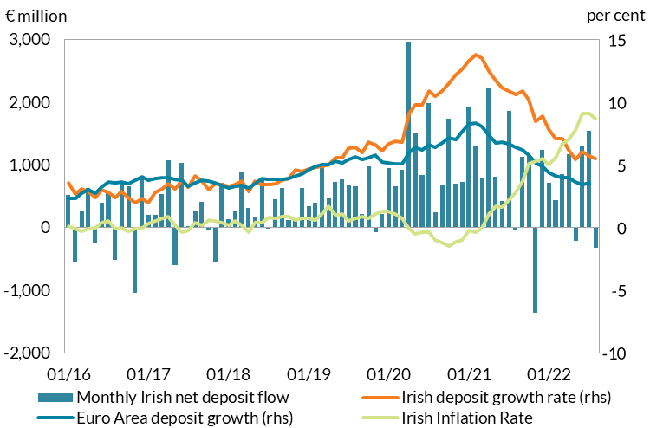
2015-03 | -60 | 0.6 | 2015-03-01 | 2.2 | 2015-03-01 | -0.6
2015-04 | 782 | 1.3 | 2015-04-01 | 2.4 | 2015-04-01 | -0.7
2015-05 | 268 | 1.7 | 2015-05-01 | 2.3 | 2015-05-01 | -0.3
2015-06 | -226 | 1.5 | 2015-06-01 | 2.2 | 2015-06-01 | -0.1
2015-07 | 655 | 2.3 | 2015-07-01 | 2.3 | 2015-07-01 | -0.2
2015-08 | -129 | 1.7 | 2015-08-01 | 1.9 | 2015-08-01 | 0.0
2015-09 | 258 | 2.2 | 2015-09-01 | 2.1 | 2015-09-01 | -0.3
2015-10 | 1,115 | 2.6 | 2015-10-01 | 2.3 | 2015-10-01 | -0.2
2015-11 | -653 | 2.7 | 2015-11-01 | 1.9 | 2015-11-01 | -0.2
2015-12 | 485 | 3.3 | 2015-12-01 | 2.2 | 2015-12-01 | 0.1
2016-01 | 523 | 3.6 | 2016-01-01 | 2.4 | 2016-01-01 | 0.1
2016-02 | -541 | 2.7 | 2016-02-01 | 2.3 | 2016-02-01 | -0.1
2016-03 | 273 | 3.1 | 2016-03-01 | 2.7 | 2016-03-01 | -0.3
2016-04 | 625 | 2.9 | 2016-04-01 | 3.0 | 2016-04-01 | -0.1
2016-05 | -249 | 2.4 | 2016-05-01 | 2.7 | 2016-05-01 | 0.0
2016-06 | 395 | 3.0 | 2016-06-01 | 3.2 | 2016-06-01 | 0.4
2016-07 | 559 | 2.8 | 2016-07-01 | 3.6 | 2016-07-01 | 0.5
2016-08 | -519 | 2.4 | 2016-08-01 | 3.5 | 2016-08-01 | -0.1 | Source: Central Bank of Ireland, CSO, ECB
2016-09 | 731 | 2.9 | 2016-09-01 | 3.7 | 2016-09-01 | 0.0
2016-10 | 652 | 2.4 | 2016-10-01 | 3.5 | 2016-10-01 | -0.3
2016-11 | -1,042 | 2.0 | 2016-11-01 | 3.8 | 2016-11-01 | -0.1
2016-12 | 799 | 2.3 | 2016-12-01 | 4.1 | 2016-12-01 | 0.0
2017-01 | 204 | 2.0 | 2017-01-01 | 3.7 | 2017-01-01 | 0.3
2017-02 | 209 | 2.8 | 2017-02-01 | 3.9 | 2017-02-01 | 0.5
2017-03 | 540 | 3.1 | 2017-03-01 | 4.0 | 2017-03-01 | 0.7
2017-04 | 1,075 | 3.5 | 2017-04-01 | 4.0 | 2017-04-01 | 0.9
2017-05 | -601 | 3.1 | 2017-05-01 | 3.9 | 2017-05-01 | 0.2
2017-06 | 1,037 | 3.8 | 2017-06-01 | 3.7 | 2017-06-01 | -0.4
2017-07 | 27 | 3.2 | 2017-07-01 | 3.3 | 2017-07-01 | -0.2
2017-08 | 273 | 4.1 | 2017-08-01 | 3.6 | 2017-08-01 | 0.4
2017-09 | 411 | 3.7 | 2017-09-01 | 3.8 | 2017-09-01 | 0.2
2017-10 | -47 | 3.0 | 2017-10-01 | 3.7 | 2017-10-01 | 0.6
2017-11 | -548 | 3.5 | 2017-11-01 | 3.5 | 2017-11-01 | 0.5
2017-12 | 719 | 3.4 | 2017-12-01 | 3.3 | 2017-12-01 | 0.4
2018-01 | 139 | 3.3 | 2018-01-01 | 3.2 | 2018-01-01 | 0.2
2018-02 | 275 | 3.4 | 2018-02-01 | 3.3 | 2018-02-01 | 0.5
2018-03 | 889 | 3.7 | 2018-03-01 | 3.4 | 2018-03-01 | 0.2
2018-04 | 309 | 2.9 | 2018-04-01 | 3.1 | 2018-04-01 | -0.4
2018-05 | 157 | 3.7 | 2018-05-01 | 3.5 | 2018-05-01 | 0.4
2018-06 | 770 | 3.4 | 2018-06-01 | 3.9 | 2018-06-01 | 0.4
2018-07 | -14 | 3.4 | 2018-07-01 | 3.8 | 2018-07-01 | 0.8
2018-08 | 450 | 3.5 | 2018-08-01 | 3.9 | 2018-08-01 | 0.7
2018-09 | 633 | 3.8 | 2018-09-01 | 3.9 | 2018-09-01 | 0.9
2018-10 | 123 | 3.9 | 2018-10-01 | 3.9 | 2018-10-01 | 0.9
2018-11 | 148 | 4.6 | 2018-11-01 | 4.1 | 2018-11-01 | 0.6
2018-12 | 625 | 4.5 | 2018-12-01 | 4.2 | 2018-12-01 | 0.7
2019-01 | 334 | 4.7 | 2019-01-01 | 4.6 | 2019-01-01 | 0.7
2019-02 | 397 | 4.8 | 2019-02-01 | 4.9 | 2019-02-01 | 0.6
2019-03 | 1,007 | 4.9 | 2019-03-01 | 5.0 | 2019-03-01 | 1.1
2019-04 | 472 | 5.0 | 2019-04-01 | 5.0 | 2019-04-01 | 1.7
2019-05 | 728 | 5.6 | 2019-05-01 | 5.3 | 2019-05-01 | 1.0
2019-06 | 768 | 5.6 | 2019-06-01 | 5.1 | 2019-06-01 | 1.1
2019-07 | 692 | 6.3 | 2019-07-01 | 5.4 | 2019-07-01 | 0.5
2019-08 | 653 | 6.4 | 2019-08-01 | 5.6 | 2019-08-01 | 0.7
2019-09 | 213 | 6.0 | 2019-09-01 | 5.4 | 2019-09-01 | 0.9
2019-10 | 982 | 6.8 | 2019-10-01 | 5.6 | 2019-10-01 | 0.7
2019-11 | -70 | 6.6 | 2019-11-01 | 5.8 | 2019-11-01 | 1.1
2019-12 | 212 | 6.1 | 2019-12-01 | 5.3 | 2019-12-01 | 1.3
2020-01 | 943 | 6.7 | 2020-01-01 | 5.1 | 2020-01-01 | 1.3
2020-02 | 662 | 6.9 | 2020-02-01 | 5.1 | 2020-02-01 | 1.1
2020-03 | 922 | 6.8 | 2020-03-01 | 5.1 | 2020-03-01 | 0.7
2020-04 | 2,970 | 9.1 | 2020-04-01 | 6.0 | 2020-04-01 | -0.1
2020-05 | 1,519 | 9.8 | 2020-05-01 | 6.4 | 2020-05-01 | -0.5
2020-06 | 845 | 9.8 | 2020-06-01 | 6.2 | 2020-06-01 | -0.4
2020-07 | 1,983 | 10.9 | 2020-07-01 | 6.6 | 2020-07-01 | -0.4
2020-08 | 248 | 10.5 | 2020-08-01 | 6.4 | 2020-08-01 | -1.0
2020-09 | 685 | 10.9 | 2020-09-01 | 6.7 | 2020-09-01 | -1.2
2020-10 | 1,732 | 11.5 | 2020-10-01 | 7.2 | 2020-10-01 | -1.5
2020-11 | 706 | 12.2 | 2020-11-01 | 7.0 | 2020-11-01 | -1.1
2020-12 | 727 | 12.6 | 2020-12-01 | 7.7 | 2020-12-01 | -1.0
2021-01 | 1,915 | 13.3 | 2021-01-01 | 8.2 | 2021-01-01 | -0.2
2021-02 | 1,298 | 13.8 | 2021-02-01 | 8.3 | 2021-02-01 | -0.4
2021-03 | 799 | 13.5 | 2021-03-01 | 8.1 | 2021-03-01 | 0.0
2021-04 | 2,235 | 12.5 | 2021-04-01 | 7.4 | 2021-04-01 | 1.1
2021-05 | 807 | 11.7 | 2021-05-01 | 6.8 | 2021-05-01 | 1.7
2021-06 | 429 | 11.2 | 2021-06-01 | 6.8 | 2021-06-01 | 1.6
2021-07 | 1,859 | 10.9 | 2021-07-01 | 6.7 | 2021-07-01 | 2.2
2021-08 | -30 | 10.6 | 2021-08-01 | 6.4 | 2021-08-01 | 2.8
2021-09 | 1,126 | 10.9 | 2021-09-01 | 6.2 | 2021-09-01 | 3.7
2021-10 | 1,138 | 10.2 | 2021-10-01 | 5.8 | 2021-10-01 | 5.1
2021-11 | -1,355 | 8.5 | 2021-11-01 | 5.2 | 2021-11-01 | 5.3
2021-12 | 1,243 | 8.9 | 2021-12-01 | 4.9 | 2021-12-01 | 5.5
2022-01 | 720 | 7.8 | 2022-01-01 | 4.4 | 2022-01-01 | 5.0
2022-02 | 439 | 7.1 | 2022-02-01 | 4.1 | 2022-02-01 | 5.6
2022-03 | 857 | 7.1 | 2022-03-01 | 4.0 | 2022-03-01 | 6.7
2022-04 | 1,167 | 6.2 | 2022-04-01 | 4.0 | 2022-04-01 | 7.0
2022-05 | -212 | 5.4 | 2022-05-01 | 3.7 | 2022-05-01 | 7.8
2022-06 | 1,305 | 6.0 | 2022-06-01 | 3.4 | 2022-06-01 | 9.1
2022-07 | 1,550 | 5.7 | 2022-07-01 | 3.6 | 2022-07-01 | 9.1
2022-08 | -323 | 5.5 | 2022-08-02 |  | 2022-08-02 | 8.7
2022-09

Year to July |  | year to august
2018 | 2,525 | 2,975
2019 | 4,398 | 5,051
2020 | 9,844 | 10,092
2021 | 9,342 | 9,312
2022 | 5,825 | 5,502

C4
Recovery in new household lending in the year to July 2022 from pandemic lows
Figure 4: New household lending (monthly average January to July)

Retail Interest Rates and Volumes - Loans and Deposits, New Business
New business household lending

 |  | Household loans for house purchase
 |  | o/w new lending ex. renegotiations | year to July average | Loans for consumer purposes | year to July average |  | Chart series
Volumes (€ million)
 |  |  |  |  |  |  |  | 2019 | 2020 | 2021 | 2022
2019-01-31 | 2019-01-31 | 556 |  | 189 |  |  | mortgages | 658 | 516 | 618 | 685
 | 2019-02-28 | 552 |  | 190 |  |  | consumer | 172 | 153 | 159 | 194
 | 2019-03-29 | 609 |  | 150
 | 2019-04-30 | 598 |  | 156
 | 2019-05-31 | 730 |  | 165 |  |  | Index_mortgage | 100 | 78.390106314 | 93.859839445 | 103.97049251
 | 2019-06-28 | 713 |  | 140 |  |  | Index_consumer | 100 | 88.815244408 | 91.963545982 | 112.42750621
 | 2019-07-31 | 851 | 658 | 217 | 172
 | 2019-08-30 | 753 |  | 181
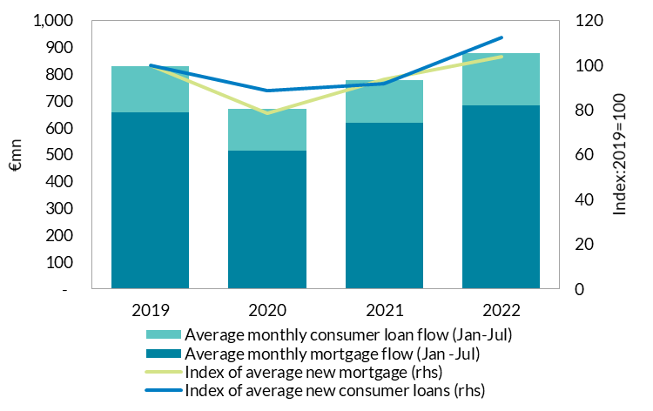
 | 2019-09-30 | 780 |  | 169
 | 2019-10-31 | 810 |  | 173
 | 2019-11-29 | 817 |  | 163
 | 2019-12-31 | 831 |  | 128
2020-01-31 | 2020-01-31 | 536 |  | 228
 | 2020-02-28 | 574 |  | 211
 | 2020-03-31 | 673 |  | 167
 | 2020-04-30 | 407 |  | 58
 | 2020-05-29 | 377 |  | 77
 | 2020-06-30 | 490 |  | 127
 | 2020-07-31 | 556 | 516 | 204 | 153
 | 2020-08-31 | 468 |  | 165
 | 2020-09-30 | 672 |  | 156
 | 2020-10-30 | 748 |  | 134
 | 2020-11-30 | 822 |  | 114
 | 2020-12-31 | 955 |  | 101
2021 | 2021-01-29 | 500 |  | 157
 | 2021-02-26 | 617 |  | 146 |  | Source: Central Bank of Ireland
 | 2021-03-31 | 678 |  | 158
 | 2021-04-30 | 553 |  | 151
 | 2021-05-31 | 573 |  | 152
 | 2021-06-30 | 687 |  | 151
 | 2021-07-30 | 718 | 618 | 195 | 159
 | 2021-08-31 | 704 |  | 156
 | 2021-09-30 | 803 |  | 146
 | 2021-10-29 | 785 |  | 132
 | 2021-11-30 | 843 |  | 132
 | 2021-12-31 | 955 |  | 104
2022 | 2022-01-31 | 530 |  | 191
 | 2022-02-28 | 626 |  | 206
 | 2022-03-31 | 669 |  | 205
 | 2022-04-29 | 605 |  | 184
 | 2022-05-31 | 695 |  | 198
 | 2022-06-30 | 827 |  | 169
 | 2022-07-29 | 840 | 685 | 204 | 194

C5
Irish mortgage rates remain high in July but fall relative to previous year, unlike many euro area countries
Figure 5: Weighted average interest rates on lending for house purchase across the euro area, July 2022

 | 2022Jul | 2021Jul | Change | Basis Point Change
Greece | 3.02 | 2.79 | 0.23 | 23
Latvia | 2.95 | 2.54 | 0.41 | 41
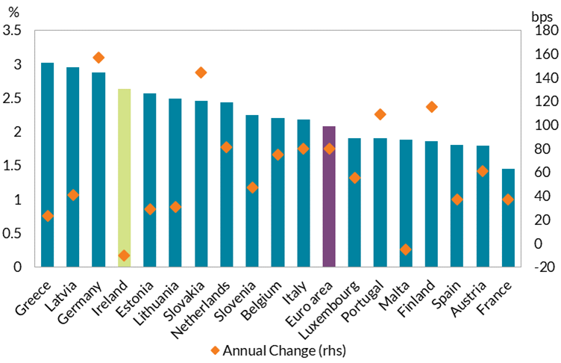
Germany | 2.87 | 1.3 | 1.57 | 157
Ireland | 2.63 | 2.73 | -0.1 | -10
Estonia | 2.57 | 2.28 | 0.29 | 29
Lithuania | 2.49 | 2.18 | 0.31 | 31
Slovakia | 2.46 | 1.02 | 1.44 | 144
Netherlands | 2.43 | 1.62 | 0.81 | 81
Slovenia | 2.24 | 1.77 | 0.47 | 47
Belgium | 2.2 | 1.45 | 0.75 | 75
Italy | 2.18 | 1.38 | 0.8 | 80
Euro area | 2.08 | 1.28 | 0.8 | 80
Luxembourg | 1.9 | 1.35 | 0.55 | 55
Portugal | 1.9 | 0.81 | 1.09 | 109
Malta | 1.88 | 1.93 | -0.05 | -5
Finland | 1.86 | 0.71 | 1.15 | 115
Spain | 1.8 | 1.43 | 0.37 | 37
Austria | 1.79 | 1.18 | 0.61 | 61
France | 1.45 | 1.08 | 0.37 | 37
 |  |  |  |  | Source: Central Bank of Ireland, ECB

C6
NFC banks loans growing again following pandemic period contraction
Figure 6: Net flows of loans to Non-Financial Corporations

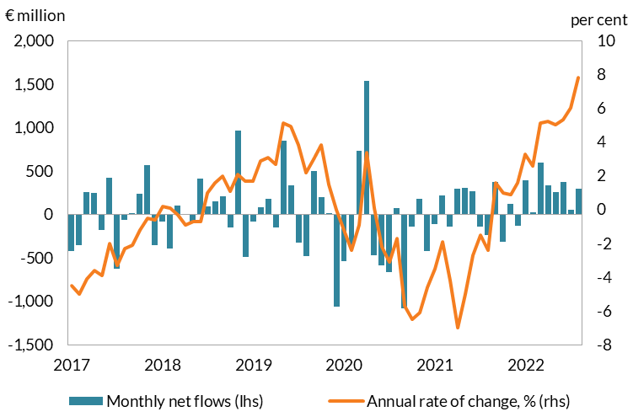
 | Monthly net flows (lhs) | Annual rate of change, % (rhs)
2015 | (427) | -6.3 | 2015-01-01
 | (30) | -6.2 | 2015-02-01
 | (770) | -6.9 | 2015-03-01
 | (365) | -6.7 | 2015-04-01
 | 342 | -6.3 | 2015-05-01
 | (889) | -6.7 | 2015-06-01
 | 171 | -5.3 | 2015-07-01
 | (142) | -5.2 | 2015-08-01
 | (271) | -5.1 | 2015-09-01
 | (636) | -6.8 | 2015-10-01
 | 350 | -6.5 | 2015-11-01
 | (852) | -6.3 | 2015-12-01
2016 | 86 | -5.5 | 2016-01-01
 | (118) | -5.7 | 2016-02-01
 | (145) | -4.7 | 2016-03-01
 | 19 | -4.0 | 2016-04-01
 | (58) | -4.8 | 2016-05-01
 | (446) | -4.1 | 2016-06-01
 | (77) | -4.6 | 2016-07-01 | Source: Central Bank of Ireland
 | (516) | -5.4 | 2016-08-01
 | (71) | -5.1 | 2016-09-01
 | (169) | -4.3 | 2016-10-01
 | 316 | -4.2 | 2016-11-01
 | (333) | -3.3 | 2016-12-01
2017 | (421) | -4.5 | 2017-01-01
 | (359) | -5.0 | 2017-02-01
 | 259 | -4.1 | 2017-03-01
 | 244 | -3.6 | 2017-04-01
 | (182) | -3.9 | 2017-05-01
 | 423 | -2.0 | 2017-06-01
 | (630) | -3.3 | 2017-07-01
 | (64) | -2.3 | 2017-08-01
 | 13 | -2.1 | 2017-09-01
 | 233 | -1.2 | 2017-10-01
 | 570 | -0.5 | 2017-11-01
 | (357) | -0.6 | 2017-12-01
2018 | (84) | 0.2 | 2018-01-01
 | (394) | 0.1 | 2018-02-01
 | 97 | -0.3 | 2018-03-01
 | (1) | -0.9 | 2018-04-01
 | (104) | -0.7 | 2018-05-01
 | 411 | -0.7 | 2018-06-01
 | 89 | 1.0 | 2018-07-01
 | 149 | 1.6 | 2018-08-01
 | 206 | 2.0 | 2018-09-01
 | (148) | 1.1 | 2018-10-01
 | 963 | 2.1 | 2018-11-01
 | (495) | 1.7 | 2018-12-01
2019 | (86) | 1.7 | 2019-01-01
 | 81 | 2.9 | 2019-02-01
 | 178 | 3.1 | 2019-03-01
 | (151) | 2.7 | 2019-04-01
 | 844 | 5.1 | 2019-05-01
 | 333 | 4.9 | 2019-06-01
 | (328) | 3.8 | 2019-07-01
 | (486) | 2.2 | 2019-08-01
 | 499 | 3.0 | 2019-09-01
 | 196 | 3.8 | 2019-10-01
 | 7 | 1.5 | 2019-11-01
 | (1,061) | 0.0 | 2019-12-01
2020 | (537) | -1.2 | 2020-01-01
 | (378) | -2.4 | 2020-02-01
 | 728 | -0.9 | 2020-03-01
 | 1,539 | 3.4 | 2020-04-01
 | (472) | 0.1 | 2020-05-01
 | (589) | -2.2 | 2020-06-01
 | (665) | -3.1 | 2020-07-01
 | 75 | -1.7 | 2020-08-01
 | (1,081) | -5.7 | 2020-09-01
 | (142) | -6.5 | 2020-10-01
 | 178 | -6.1 | 2020-11-01
 | (421) | -4.6 | 2020-12-01
2021 | (111) | -3.5 | 2021-01-01
 | 219 | -1.9 | 2021-02-01
 | (142) | -4.2 | 2021-03-01
 | 291 | -7.0 | 2021-04-01
 | 300 | -5.0 | 2021-05-01
 | 265 | -2.7 | 2021-06-01
 | (141) | -1.5 | 2021-07-01
 | (241) | -2.4 | 2021-08-01
 | 375 | 1.6 | 2021-09-01
 | (316) | 1.0 | 2021-10-01
 | 121 | 0.9 | 2021-11-01
 | (130) | 1.6 | 2021-12-01
2022 | 391 | 3.3 | 2022-01-01
 | 19 | 2.6 | 2022-02-01
 | 595 | 5.1 | 2022-03-01
 | 331 | 5.2 | 2022-04-01
 | 252 | 5.0 | 2022-05-01
 | 375 | 5.3 | 2022-06-01
 | 53 | 6.0 | 2022-07-01
Aug | 295 | 7.8 | 2022-08-01

D1
Figure 1: Transition from GDP to GNI*, 2021 values (€bil)

 | GDP | Factor Income | GNP | Subsidies | Taxes | GNI | Factor Income | R&D Depreciation | AL Depreciation | GNI*
2021 | €426.28 | -€103.60 | €322.69 | €1.53 | -€0.74 | €323.48 | -€9.98 | -€69.83 | -€9.80 | €233.88

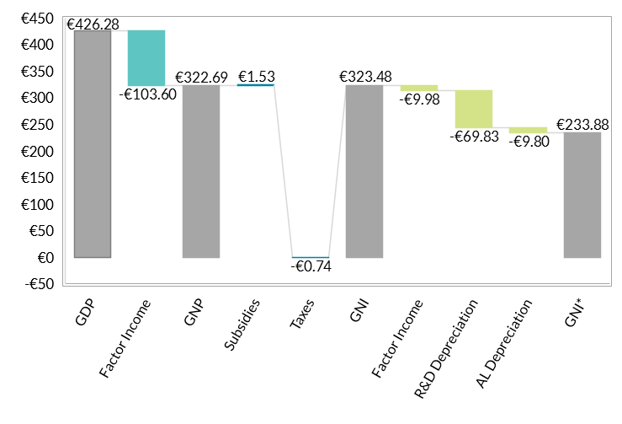

 | Source: CBI calculations using CSO National Accounts data

D2
Figure 2: Forecast estimates of GNI* Growth, 2004-2021

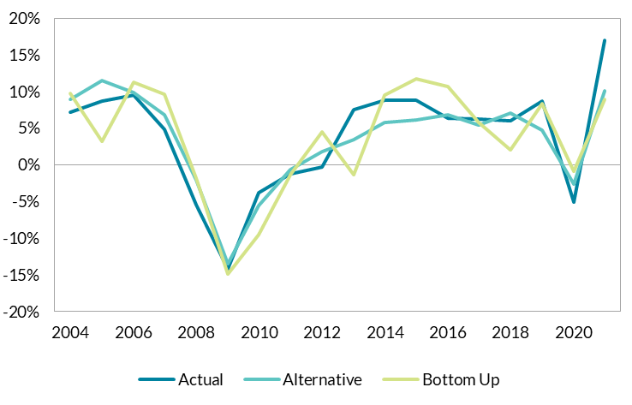
date | Actual | Alternative | Bottom Up
2004 | 7.1% | 9% | 10%
2005 | 8.7% | 12% | 3%
2006 | 9.5% | 10% | 11%
2007 | 4.8% | 7% | 10%
2008 | -5.4% | -2% | -2%
2009 | -14.2% | -14% | -15%
2010 | -3.8% | -6% | -10%
2011 | -1.2% | -1% | -1%
2012 | -0.3% | 2% | 4%
2013 | 7.5% | 3% | -1%
2014 | 8.8% | 6% | 10%
2015 | 8.8% | 6% | 12%
2016 | 6.4% | 7% | 11%
2017 | 6.2% | 5% | 6%
2018 | 6.0% | 7% | 2%
2019 | 8.6% | 5% | 8%
2020 | -5.1% | -3% | -1%
2021 | 16.9% | 10% | 9%
 |  |  |  | Source: Author’s calculations using the CSO National Accounts database and the ECB Trade Consistency Exercise.

D3
Figure 3: Forecast estimates of CA*, 2004-2021

date | CA* | Alternative CA* Estimate
2003 | 1613 | 928.30202436
2004 | 481 | -1007.8763
2005 | -5069 | -4821.6331447
2006 | -8058 | -5530.3397689
2007 | -10533 | -8718.595933
2008 | -11689 | -13061.404144
2009 | -5749 | -8861.25144
2010 | -4491 | -4016.7301423
2011 | -2808 | -3340.9640499
2012 | -5330 | -5323.8188056
2013 | -1070 | 831.35394276
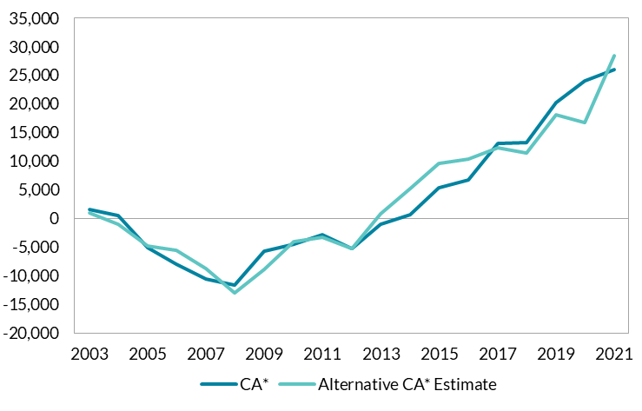
2014 | 692 | 5174.3834379
2015 | 5331 | 9609.3195046
2016 | 6655 | 10427.366715
2017 | 13033 | 12277.855193
2018 | 13316 | 11432.171636
2019 | 20235 | 18065.553543
2020 | 23972 | 16757.303395
2021 | 25970 | 28378.247657

 |  |  | Source: Author’s calculations using from CSO National Accounts data.

E1
Sharp rise in net inward migration to above pre-pandemic levels
Figure 1: Decomposition of Changes in Population

 | 1987 | 1988 | 1989 | 1990 | 1991 | 1992 | 1993 | 1994 | 1995 | 1996 | 1997 | 1998 | 1999 | 2000 | 2001 | 2002 | 2003 | 2004 | 2005 | 2006 | 2007 | 2008 | 2009 | 2010 | 2011 | 2012 | 2013 | 2014 | 2015 | 2016 | 2017 | 2018 | 2019 | 2020 | 2021 | 2022
Natural increase | 29 | 26.2 | 22.6 | 19.1 | 22 | 21.4 | 20 | 16.6 | 17.2 | 16.7 | 19 | 21.5 | 21.2 | 21.8 | 24.8 | 28.8 | 31.9 | 33.3 | 33.5 | 34.2 | 38.2 | 44.9 | 46.7 | 48.8 | 47.5 | 44.5 | 39.6 | 39.2 | 36.5 | 35.6 | 33.1 | 30.5 | 30.8 | 27.1 | 22.8 | 27.7
Net migration | -23 | -41.9 | -43.9 | -22.9 | -2 | 7.4 | -0.4 | -4.7 | -1.9 | 8 | 19.2 | 17.4 | 17.3 | 26 | 32.8 | 41.3 | 30.7 | 32 | 55.1 | 71.8 | 104.8 | 64.3 | 1.6 | -27.5 | -27.4 | -25.7 | -18.7 | -8.5 | 5.9 | 16.2 | 19.8 | 34 | 33.7 | 28.9 | 11.2 | 61.1
Population change | 5.9 | -15.8 | -21.2 | -3.7 | 19.9 | 28.8 | 19.6 | 11.8 | 15.4 | 24.8 | 38.2 | 38.8 | 38.5 | 47.9 | 57.7 | 70 | 62.6 | 65.3 | 88.6 | 106 | 142.9 | 109.2 | 48.3 | 21.4 | 20.1 | 18.8 | 21 | 30.8 | 42.3 | 51.8 | 52.9 | 64.5 | 64.5 | 55.9 | 34 | 88.8

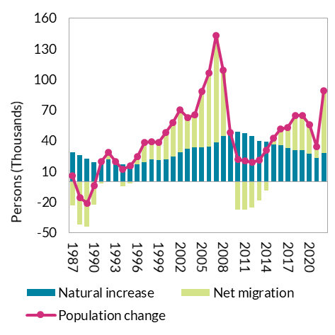

 |  |  |  |  | Source: CSO

E2
Sharp rise in net inward migration to above pre-pandemic levels
Figure 2: Decomposition of Changes in Net Migration

 | 1987 | 1988 | 1989 | 1990 | 1991 | 1992 | 1993 | 1994 | 1995 | 1996 | 1997 | 1998 | 1999 | 2000 | 2001 | 2002 | 2003 | 2004 | 2005 | 2006 | 2007 | 2008 | 2009 | 2010 | 2011 | 2012 | 2013 | 2014 | 2015 | 2016 | 2017 | 2018 | 2019 | 2020 | 2021 | 2022
Immigrants | 17.2 | 19.2 | 26.7 | 33.3 | 33.3 | 40.7 | 34.7 | 30.1 | 31.2 | 39.2 | 44.5 | 46 | 48.9 | 52.6 | 59 | 66.9 | 60 | 58.5 | 84.6 | 107.8 | 151.1 | 113.5 | 73.7 | 41.8 | 53.3 | 57.3 | 62.7 | 66.5 | 75.9 | 82.3 | 84.6 | 90.3 | 88.6 | 85.4 | 65.2 | 120.7 | 55.5 | 0.85122699387
Emigrants | -40.2 | -61.1 | -70.6 | -56.3 | -35.3 | -33.4 | -35.1 | -34.8 | -33.1 | -31.2 | -25.3 | -28.6 | -31.5 | -26.6 | -26.2 | -25.6 | -29.3 | -26.5 | -29.4 | -36 | -46.3 | -49.2 | -72 | -69.2 | -80.6 | -83 | -81.3 | -75 | -70 | -66.2 | -64.8 | -56.3 | -54.9 | -56.5 | -54 | -59.6 | 5.6 | 0.1037037037
Net migration | -23 | -41.9 | -43.9 | -22.9 | -2 | 7.4 | -0.4 | -4.7 | -1.9 | 8 | 19.2 | 17.4 | 17.3 | 26 | 32.8 | 41.3 | 30.7 | 32 | 55.1 | 71.8 | 104.8 | 64.3 | 1.6 | -27.5 | -27.4 | -25.7 | -18.7 | -8.5 | 5.9 | 16.2 | 19.8 | 34 | 33.7 | 28.9 | 11.2 | 61.1

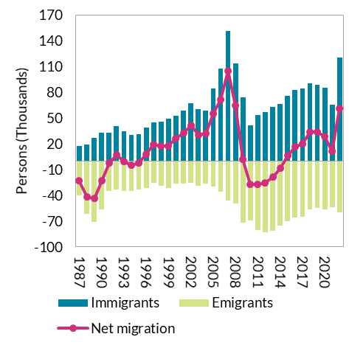

 |  |  |  |  |  |  | Source: CSO

E3
Non-EU countries have become increasingly important for migration to Ireland
Figure 3: Net Migration by nationality

 |  | 2006 | 2007 | 2008 | 2009 | 2010 | 2011 | 2012 | 2013 | 2014 | 2015 | 2016 | 2017 | 2018 | 2019 | 2020 | 2021 | 2022
 | Irish | 3.6 | 17.8 | 10.7 | 3.8 | -11 | -22.4 | -29.6 | -26.6 | -22.2 | -15.9 | -8.7 | -3.4 | 0.1 | -2.1 | 0.6 | 7.4 | 1.3
 | UK | 7.7 | 0.6 | 3.1 | 0 | -0.5 | -0.5 | -2.8 | -2.6 | -1.6 | -0.6 | 0.7 | 2.1 | 3.2 | 4.2 | 3 | 1.3 | 0.4
 | EU14 | 7.6 | 2.9 | 3.6 | 4.1 | -2.8 | -3.1 | 1 | 1.6 | 3.1 | 4.2 | 5.7 | 4.1 | 4.8 | 8.1 | 4 | 0 | 8
 | EU15-27 | 42.7 | 72.7 | 37.5 | -9.4 | -9.7 | -3.8 | -1.3 | 0.1 | 3.5 | 5.1 | 6.4 | 1.3 | 5.1 | 4.1 | 2.2 | 3.9 | 6.9
 | Rest of World | 10.2 | 10.8 | 9.6 | 3.1 | -3.3 | 2.5 | 7 | 8.9 | 8.8 | 13.1 | 12.2 | 15.7 | 20.9 | 19.4 | 19 | -1.3 | 44.5
 | Total | 71.8 | 104.8 | 64.3 | 1.7 | -27.4 | -27.3 | -25.7 | -18.6 | -8.5 | 5.9 | 16.1 | 19.8 | 34 | 33.7 | 28.9 | 11.2 | 61.1

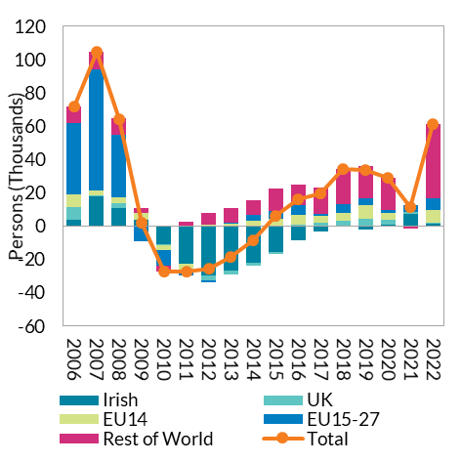

 |  |  |  |  |  |  |  |  |  | Source: CSO

E4
Non-EU countries have become increasingly important for migration to Ireland
Figure 4: Monthly employment permits
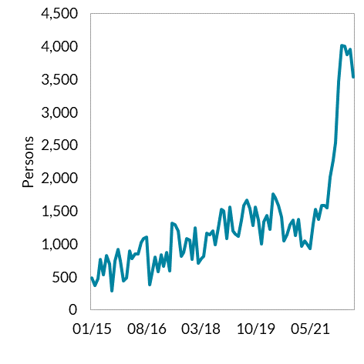
 | Jan-15 | 481
 | Feb-15 | 371
 | Mar-15 | 472
 | Apr-15 | 770
 | May-15 | 534
 | Jun-15 | 822
 | Jul-15 | 693
 | Aug-15 | 291
 | Sep-15 | 742
 | Oct-15 | 918
 | Nov-15 | 738
 | Dec-15 | 435
 | Jan-16 | 482
 | Feb-16 | 896
 | Mar-16 | 773
 | Apr-16 | 851
 | May-16 | 850
 | Jun-16 | 1020
 | Jul-16 | 1081
 | Aug-16 | 1100 | Source: Dept. of Enterprise, Trade and Employment
 | Sep-16 | 386
 | Oct-16 | 562
 | Nov-16 | 797
 | Dec-16 | 575
 | Jan-17 | 842
 | Feb-17 | 658
 | Mar-17 | 871
 | Apr-17 | 594
 | May-17 | 1315
 | Jun-17 | 1288
 | Jul-17 | 1199
 | Aug-17 | 812
 | Sep-17 | 869
 | Oct-17 | 1087
 | Nov-17 | 1054
 | Dec-17 | 765
 | Jan-18 | 1240
 | Feb-18 | 709
 | Mar-18 | 774
 | Apr-18 | 813
 | May-18 | 1169
 | Jun-18 | 1146
 | Jul-18 | 1199
 | Aug-18 | 993
 | Sep-18 | 1241
 | Oct-18 | 1522
 | Nov-18 | 1505
 | Dec-18 | 1087
 | Jan-19 | 1558
 | Feb-19 | 1202
 | Mar-19 | 1156
 | Apr-19 | 1114
 | May-19 | 1360
 | Jun-19 | 1588
 | Jul-19 | 1661
 | Aug-19 | 1533
 | Sep-19 | 1285
 | Oct-19 | 1562
 | Nov-19 | 1367
 | Dec-19 | 1002
 | Jan-20 | 1335
 | Feb-20 | 1428
 | Mar-20 | 1222
 | Apr-20 | 1765
 | May-20 | 1703
 | Jun-20 | 1583
 | Jul-20 | 1405
 | Aug-20 | 1046
 | Sep-20 | 1143
 | Oct-20 | 1291
 | Nov-20 | 1366
 | Dec-20 | 1132
 | Jan-21 | 1369
 | Feb-21 | 965
 | Mar-21 | 1049
 | Apr-21 | 1000
 | May-21 | 933
 | Jun-21 | 1307
 | Jul-21 | 1529
 | Aug-21 | 1376
 | Sep-21 | 1588
 | Oct-21 | 1588
 | Nov-21 | 1553
 | Dec-21 | 2018
 | Jan-22 | 2278
 | Feb-22 | 2540
 | Mar-22 | 3459
 | Apr-22 | 4011
 | May-22 | 3996
 | Jun-22 | 3875
 | Jul-22 | 3957
 | Aug-22 | 3537

E5
Net inward migration of highly educated persons is adding to the skills base of the labour force
Figure 5: Net Migration by educational attainment

 |  | 2009 | 2010 | 2011 | 2012 | 2013 | 2014 | 2015 | 2016 | 2017 | 2018 | 2019 | 2020 | 2021 | 2022
 | Higher secondary and below | -9.7 | -11.7 | -12.8 | -12.1 | -14.9 | -8.4 | -2.4 | -2 | -3.4 | 5.6 | 2.3 | -2.6 | -1.6 | 5.2
 | Post leaving cert | -0.2 | -4.6 | -0.9 | -2.4 | -3.3 | -1.4 | -0.6 | 5.1 | 1.3 | 4.8 | 2.1 | 0 | 2.8 | -0.1
 | Third level | 8.1 | -8.4 | -13.4 | -6.8 | 2.1 | 4.9 | 6.2 | 16.8 | 20.7 | 22.7 | 24.7 | 30.5 | 10 | 39.6
 | Not stated | 1.3 | -2.5 | -1.2 | -1.6 | 0.9 | 0.1 | 4.4 | -3.4 | 0.7 | -3.3 | 0.9 | -0.3 | -2.1 | 3.8
 | All persons | -0.5 | -27.2 | -28.3 | -22.8 | -15.2 | -4.8 | 7.5 | 16.5 | 19.2 | 29.8 | 30 | 27.7 | 9.2 | 48.5

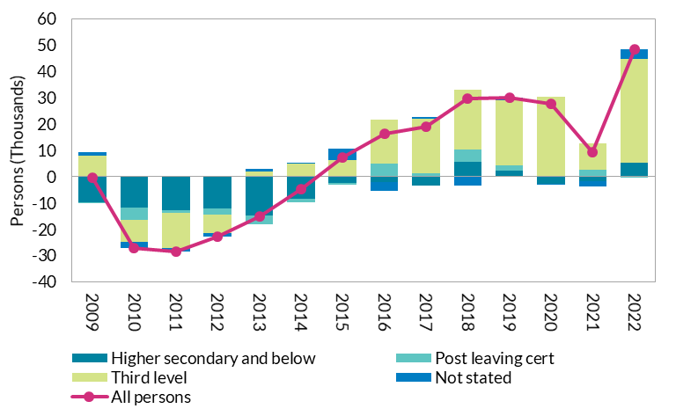

 |  |  |  |  | Source: CSO

E6
Population Outturn Tracks Highest CSO Projection while labour force exceeds projections
Figure 6: Population change compared to 2017 CSO Projections

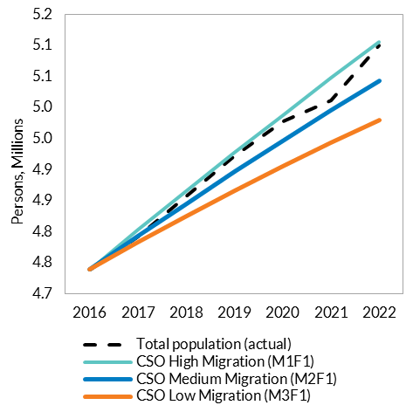
 |  | 2016 | 2017 | 2018 | 2019 | 2020 | 2021 | 2022
 | Total population (actual) | 4739597 | 4792490 | 4857015 | 4921496 | 4977443 | 5011460 | 5100229
 | CSO High Migration (M1F1) | 4739597 | 4803510 | 4865573 | 4926992 | 4987719 | 5047468 | 5106294
 | CSO Medium Migration (M2F1) | 4739597 | 4793516 | 4845368 | 4896353 | 4946406 | 4995233 | 5042879
 | CSO Low Migration (M3F1) | 4739597 | 4783521 | 4825170 | 4865720 | 4905096 | 4943003 | 4979468

 |  |  |  |  |  |  |  |  | Source: CSO and author’s calculations

E7
Population Outturn Tracks Highest CSO Projection while labour force exceeds projections
Figure 7: Labour Force change compared to 2017 CSO Projections

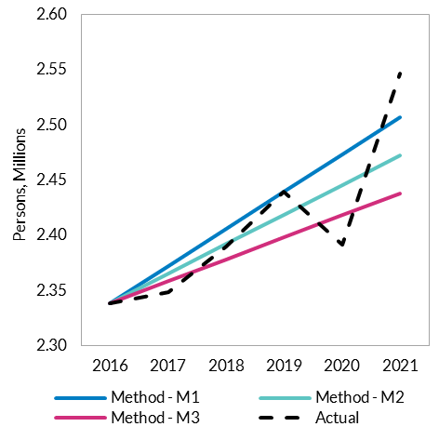
 |  | 2016 | 2017 | 2018 | 2019 | 2020 | 2021
 | Method - M1 | 2338.6 | 2372.32 | 2406.04 | 2439.76 | 2473.48 | 2507.2
 | Method - M2 | 2338.6 | 2365.44 | 2392.28 | 2419.12 | 2445.96 | 2472.8
 | Method - M3 | 2338.6 | 2358.58 | 2378.56 | 2398.54 | 2418.52 | 2438.5
 | Actual | 2338.6 | 2349.125 | 2390.125 | 2439.825 | 2392.175 | 2546.975

 |  |  |  |  |  |  |  | Source: CSO and author’s calculations

F1
Majority of indicators point to the labour market performing above trend
Figure 1: Labour Market Indicator Dashboard (Q2 2022)
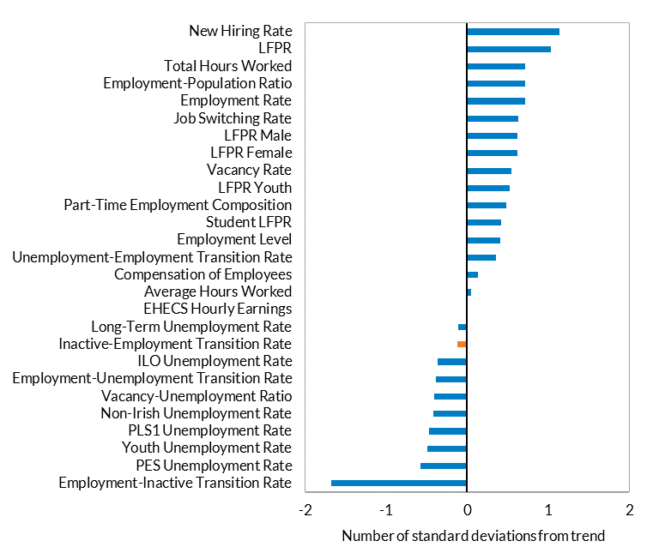
 | t | 2022q2
 | Employment-Inactive Transition Rate | -1.678931
 | PES Unemployment Rate | -0.5755556
 | Youth Unemployment Rate | -0.4956498
 | PLS1 Unemployment Rate | -0.4671381
 | Non-Irish Unemployment Rate | -0.4148325
 | Vacancy-Unemployment Ratio | -0.4051774
 | Employment-Unemployment Transition Rate | -0.3911744
 | ILO Unemployment Rate | -0.3640311
 | Inactive-Employment Transition Rate | -0.117533
 | Long-Term Unemployment Rate | -0.1129366
 | EHECS Hourly Earnings | 0.0028898
 | Average Hours Worked | 0.0433921
 | Compensation of Employees | 0.1331995
 | Unemployment-Employment Transition Rate | 0.3542484
 | Employment Level | 0.408768
 | Student LFPR | 0.4209758
 | Part-Time Employment Composition | 0.4840454
 | LFPR Youth | 0.5251783
 | Vacancy Rate | 0.5471531
 | LFPR Female | 0.6145163
 | LFPR Male | 0.6176755
 | Job Switching Rate | 0.6250781
 | Employment Rate | 0.7121679
 | Employment-Population Ratio | 0.7121679
 | Total Hours Worked | 0.713247
 | LFPR | 1.03226 | Source: CSO and author’s calculations
 | New Hiring Rate | 1.133462

F2
Initial pandemic shock reduced labour activity substantially
Figure 2: Labour Indicator Dashboard (Q2 2020)

 | t | Q2 2020 (Pandemic)
 | LFPR | -3.12908
 | Total Hours Worked | -2.47925
 | Student LFPR | -2.044713
 | LFPR Female | -2.037549
 | LFPR Male | -1.624863
 | LFPR Youth | -1.604382
 | Employment Rate | -1.415143
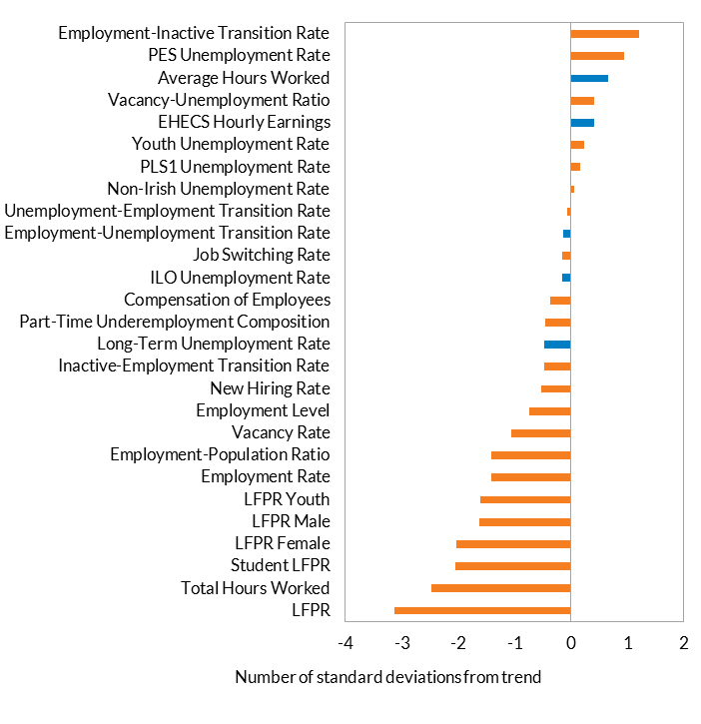
 | Employment-Population Ratio | -1.415143
 | Vacancy Rate | -1.05552
 | Employment Level | -0.735122
 | New Hiring Rate | -0.5262645
 | Inactive-Employment Transition Rate | -0.4848591
 | Long-Term Unemployment Rate | -0.4840843
 | Part-Time Underemployment Composition | -0.461849
 | Compensation of Employees | -0.371729
 | ILO Unemployment Rate | -0.1606107
 | Job Switching Rate | -0.1605097
 | Employment-Unemployment Transition Rate | -0.1425783
 | Unemployment-Employment Transition Rate | -0.0619715
 | Non-Irish Unemployment Rate | 0.0490861
 | PLS1 Unemployment Rate | 0.1604009
 | Youth Unemployment Rate | 0.2265723
 | EHECS Hourly Earnings | 0.4038096
 | Vacancy-Unemployment Ratio | 0.4094895
 | Average Hours Worked | 0.6569347
 | PES Unemployment Rate | 0.9415016
 | Employment-Inactive Transition Rate | 1.21249

 |  |  | Source: CSO and author’s calculations

F3
Initial pandemic shock reduced labour activity substantially
Figure 3: Labour Market Indicator Dashboard (Q4 2019)
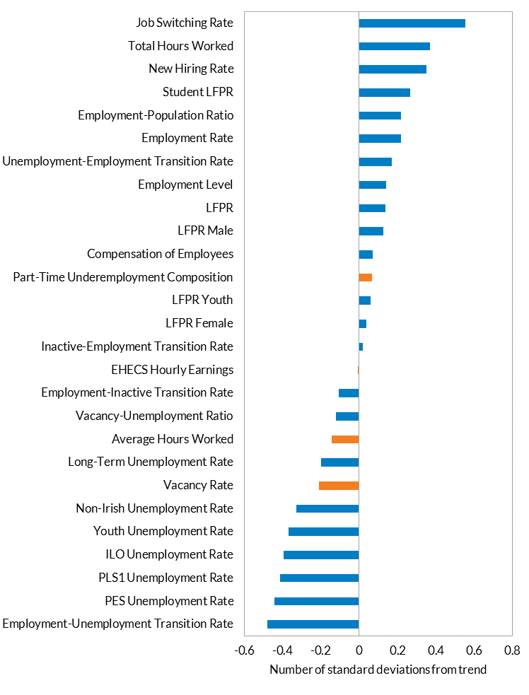
 | t | Q4 2019 (Pre-Pandemic)
 | Employment-Unemployment Transition Rate | -0.4783857
 | PES Unemployment Rate | -0.4421846
 | PLS1 Unemployment Rate | -0.4143095
 | ILO Unemployment Rate | -0.3934949
 | Youth Unemployment Rate | -0.3671944
 | Non-Irish Unemployment Rate | -0.3291361
 | Vacancy Rate | -0.2084833
 | Long-Term Unemployment Rate | -0.2001255
 | Average Hours Worked | -0.1432549
 | Vacancy-Unemployment Ratio | -0.1199431
 | Employment-Inactive Transition Rate | -0.1074063
 | EHECS Hourly Earnings | -0.0060255
 | Inactive-Employment Transition Rate | 0.0174319
 | LFPR Female | 0.037904
 | LFPR Youth | 0.0607543
 | Part-Time Underemployment Composition | 0.0654625
 | Compensation of Employees | 0.0722952
 | LFPR Male | 0.1245629
 | LFPR | 0.1367736
 | Employment Level | 0.1423568
 | Unemployment-Employment Transition Rate | 0.1704527
 | Employment Rate | 0.2194676
 | Employment-Population Ratio | 0.2194676
 | Student LFPR | 0.2646208
 | New Hiring Rate | 0.3514468
 | Total Hours Worked | 0.3680956
 | Job Switching Rate | 0.5545772

 |  |  | Source: CSO and author’s calculations

