B1 a
Evolution of policy relevant and new lending rates: current hiking cycle versus 2005-2008 hiking cycle, euro area
Figure 1a: Hiking cycle 2005-2008

date | ilend_nfc_ag | ilend_hh_ag | MRO
Jan-00 | 5.0045479858 | 6.1927958232 | NA
Feb-00 | 5.1741712966 | 6.2815200369 | NA
Mar-00 | 5.202382287 | 6.2546583834 | NA
Apr-00 | 5.2660550678 | 6.2649896994 | NA
May-00 | 5.5626789637 | 6.4558536085 | NA
Jun-00 | 5.6452477651 | 6.5128182731 | 4.25
Jul-00 | 5.7446612716 | 6.6065118975 | 4.25
Aug-00 | 5.8771104422 | 6.6579716045 | 4.25
Sep-00 | 5.8688719618 | 6.7023111777 | 4.5
Oct-00 | 5.9428563452 | 6.7109173819 | 4.75
Nov-00 | 5.9793272054 | 6.6856268147 | 4.75
Dec-00 | 5.7439596135 | 6.54639487 | 4.75
Jan-01 | 5.6104755956 | 6.3906888678 | 4.75
Feb-01 | 5.6560909203 | 6.3265882608 | 4.75
Mar-01 | 5.5338888326 | 6.241245697 | 4.75
Apr-01 | 5.5452956154 | 6.1968981066 | 4.75
May-01 | 5.5856544938 | 6.2180158986 | 4.5
Jun-01 | 5.4016541005 | 6.1652360566 | 4.5
Jul-01 | 5.3796218705 | 6.145943874 | 4.5
Aug-01 | 5.3151167508 | 6.0457595607 | 4.25
Sep-01 | 5.0578966985 | 5.9149792373 | 3.75
Oct-01 | 4.7745028138 | 5.7266644938 | 3.75
Nov-01 | 4.635128317 | 5.5362305381 | 3.25
Dec-01 | 4.6639429027 | 5.5768181438 | 3.25
Jan-02 | 4.6723861474 | 5.6188525325 | 3.25
Feb-02 | 4.8088700143 | 5.6962352778 | 3.25
Mar-02 | 4.911161622 | 5.8515174169 | 3.25
Apr-02 | 4.9193637207 | 5.9138885335 | 3.25
May-02 | 4.9576155651 | 5.9135738932 | 3.25
Jun-02 | 4.8778860567 | 5.8737433898 | 3.25
Jul-02 | 4.7873002865 | 5.7531346558 | 3.25
Aug-02 | 4.6423692601 | 5.5821891367 | 3.25
Sep-02 | 4.5180333935 | 5.412562672 | 3.25
Oct-02 | 4.4225981172 | 5.3045443481 | 3.25
Nov-02 | 4.3605904592 | 5.2323958594 | 3.25
Dec-02 | 4.2072953679 | 5.1087000758 | 2.75
Jan-03 | 4.1270322877 | 4.8084960245 | 2.75
Feb-03 | 4.0460076823 | 4.6455634844 | 2.75
Mar-03 | 3.9712000761 | 4.5206891216 | 2.5
Apr-03 | 3.9155447384 | 4.4892621165 | 2.5
May-03 | 3.8373813052 | 4.3646618763 | 2.5
Jun-03 | 3.5286523347 | 4.2098512152 | 2
Jul-03 | 3.4971380025 | 4.0947413571 | 2
Aug-03 | 3.5673843386 | 4.1661497228 | 2
Sep-03 | 3.514372893 | 4.1908290125 | 2
Oct-03 | 3.5107652951 | 4.1556945812 | 2
Nov-03 | 3.4431024544 | 4.1749166401 | 2
Dec-03 | 3.5061864233 | 4.2236297425 | 2
Jan-04 | 3.4537766568 | 4.2473034294 | 2
Feb-04 | 3.4395563184 | 4.1108365622 | 2
Mar-04 | 3.377073238 | 4.0150749074 | 2
Apr-04 | 3.4226541039 | 3.9484646497 | 2
May-04 | 3.4220389743 | 3.8974540193 | 2
Jun-04 | 3.385220457 | 3.9341946363 | 2
Jul-04 | 3.4187847886 | 3.959729361 | 2
Aug-04 | 3.3989815518 | 4.043505891 | 2
Sep-04 | 3.4141371656 | 3.9735572359 | 2
Oct-04 | 3.4234675098 | 3.9341552856 | 2
Nov-04 | 3.3981281113 | 3.8631527379 | 2
Dec-04 | 3.4102607943 | 3.8202982796 | 2
Jan-05 | 3.3601684436 | 3.8364817578 | 2
Feb-05 | 3.3787253865 | 3.7546057999 | 2
Mar-05 | 3.3762862107 | 3.7513079451 | 2
Apr-05 | 3.337951447 | 3.7409681948 | 2
May-05 | 3.3434860102 | 3.7050509576 | 2
Jun-05 | 3.2915936143 | 3.6464076166 | 2
Jul-05 | 3.3064391236 | 3.6187927901 | 2
Aug-05 | 3.3404627019 | 3.6482591089 | 2
Sep-05 | 3.2955789605 | 3.5950680612 | 2
Oct-05 | 3.303332734 | 3.5985456045 | 2
Nov-05 | 3.4445619468 | 3.6402103395 | 2
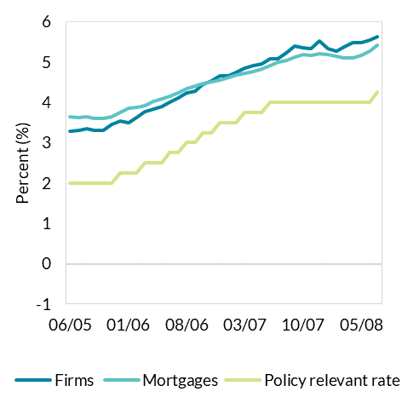
Dec-05 | 3.5329184675 | 3.7486187267 | 2.25
Jan-06 | 3.497067442 | 3.8536988437 | 2.25
Feb-06 | 3.6232519213 | 3.8685280675 | 2.25
Mar-06 | 3.7775064984 | 3.9262273162 | 2.5
Apr-06 | 3.823689166 | 4.0327340931 | 2.5
May-06 | 3.8992550128 | 4.0812350313 | 2.5
Jun-06 | 3.9942380391 | 4.1572652106 | 2.75
Jul-06 | 4.1047486957 | 4.2410519058 | 2.75
Aug-06 | 4.2319279421 | 4.3442621554 | 3
Sep-06 | 4.2738814403 | 4.3969216627 | 3
Oct-06 | 4.4542820258 | 4.4585952339 | 3.25
Nov-06 | 4.5316530687 | 4.5009527325 | 3.25
Dec-06 | 4.6623198968 | 4.5436440576 | 3.5
Jan-07 | 4.6509081085 | 4.6089767062 | 3.5
Feb-07 | 4.7312005427 | 4.683371185 | 3.5
Mar-07 | 4.8491975561 | 4.7243188827 | 3.75
Apr-07 | 4.9070584497 | 4.764547028 | 3.75
May-07 | 4.9475920869 | 4.8212393982 | 3.75 |  | Source: MIR SDW.
Jun-07 | 5.0757224417 | 4.9145993712 | 4
Jul-07 | 5.0860839653 | 4.9934819536 | 4
Aug-07 | 5.2336606056 | 5.0402362321 | 4
Sep-07 | 5.4046021487 | 5.1235516803 | 4
Oct-07 | 5.3421448843 | 5.1817646145 | 4
Nov-07 | 5.3391978911 | 5.1724698637 | 4
Dec-07 | 5.5201878765 | 5.2061956491 | 4
Jan-08 | 5.3323519113 | 5.185949561 | 4
Feb-08 | 5.2604310906 | 5.147126475 | 4
Mar-08 | 5.3652516511 | 5.0989924862 | 4
Apr-08 | 5.4696089733 | 5.1071935094 | 4
May-08 | 5.4721766015 | 5.1592226529 | 4
Jun-08 | 5.5364408047 | 5.270309411 | 4
Jul-08 | 5.629852423 | 5.4208880517 | 4.25

 |  |  |  | Hiking cycle 2
 |  |  |  | Hiking cycle 2
 |  |  |  | Hiking cycle 2
 |  |  |  | Hiking cycle 2
 |  |  |  | Hiking cycle 2
 |  |  |  | Hiking cycle 2
 |  |  |  | Hiking cycle 2
 |  |  |  | Hiking cycle 2
 |  |  |  | Hiking cycle 2
 |  |  |  | Hiking cycle 2
 |  |  |  | Hiking cycle 2
 |  |  |  | Hiking cycle 2

B1 b
Evolution of policy relevant and new lending rates: current hiking cycle versus 2005-2008 hiking cycle, euro area
Figure 1b: Current hiking cycle

date | ilend_nfc_ag | ilend_hh_ag | DFR
Jan-22 | 1.3264713684 | 1.3358432201 | -0.5
Feb-22 | 1.2958373287 | 1.3857632598 | -0.5
Mar-22 | 1.3980999615 | 1.4794043163 | -0.5
Apr-22 | 1.405617353 | 1.6081745009 | -0.5
May-22 | 1.4462965936 | 1.7710320247 | -0.5
Jun-22 | 1.8303707994 | 1.9239797674 | -0.5
Jul-22 | 1.7065727298 | 2.0730045228 | -0.41935483871
Aug-22 | 1.8026745471 | 2.1995954457 | 0
Sep-22 | 2.3873311984 | 2.3800513947 | 0.425
Oct-22 | 2.6783595575 | 2.6123871568 | 0.75
Nov-22 | 3.1148920072 | 2.8090322978 | 1.475
Dec-22 | 3.4339879787 | 2.8768874202 | 1.6774193548

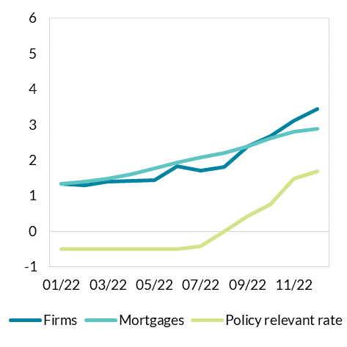

 |  |  |  | Source: MIR SDW.

B2 a
Change in lending rates across products since January 2022, euro area countries.
Figure 2a: Change in lending rates since January 2022 across the euro area. Median and interquartile range across products

 | Outstanding mortgages | 0.74960070249 | 0.081733621927 | 0.94977428168 | 0.022398649167 | 1.5997013096 | 1.0351611348 | 1.1875325087 | 0.041204893521 |  | 0.41552494116 | 0.71255155578 | 1.7818798582 | 0.5126911567 | 1.4978241743 | -0.12167547785 | 0.021850133245 | 1.3320961487 | 0.58274220275 | 0.18409587547
 | New mortgages | 1.6705674127 | 1.5980512504 | 1.2491240385 | 2.158218208 | 2.0435752791 | 1.475133191 | 2.0840864498 | 0.9326597969 | 0.74893530201 | 0.054083979489 | 1.5610129143 | 2.2858755997 | 1.6853008869 | 1.9135180203 | 0.70112850736 | 1.7032460572 | 2.4305651072 | 1.9792983838 | 2.0611474664
 | New loans to firms | 1.6347276614 | 2.1161772841 | 0.79443248584 | 2.1597567442 | 2.0463577735 | 1.9259098507 | 1.9315209873 | 1.916066313 |  | 2.1398958311 | 2.4288841015 | 1.6884432212 |  | 2.155641783 |  | 1.9480022579 | 2.5392175004 | 2.1256558118 | 1.4779144031
 | Outstanding loans to firms | 1.0991279814 | 0.91798228203 | 1.2635215573 | 0.80355204266 | 1.6479012472 | 1.0561995196 | 1.528443234 | 0.72552191793 | 1.5919861355 | 1.4187805645 | 1.4734868249 | 1.6986159845 | 1.3239366664 | 1.263404663 | 0.59846380093 | 1.1314178235 | 1.2738048554 | 1.3214932036 | 1.4325560081

IE
IE
IE

 |  |  |  |  |  | Source: MIR SDW

B2 b
Level of interest rates since January 2015, euro area and Ireland.
Figure 2b: Level of rates over time in Ireland (solid line) and euro area weighted average (dotted line).

date | Mortgages (new) | Mortgages (dotted) | New loans | New loans (dotted)
Jan-15 | 3.5283690722 | 2.4237689309 |  | 2.108205599
Feb-15 | 3.5917374677 | 2.3553549162 |  | 2.0543142221
Mar-15 | 3.6058528662 | 2.2959150912 | 2.862578198 | 2.0648152711
Apr-15 | 3.6017276243 | 2.2466911496 | 2.8674753008 | 2.0441701458
May-15 | 3.4168057065 | 2.2063708899 | 2.7488637937 | 1.9982685207
Jun-15 | 3.4561477169 | 2.214416661 | 2.7100047504 | 1.9723240585
Jul-15 | 3.5108856551 | 2.2669677675 | 2.7834266819 | 1.9290942341
Aug-15 | 3.391143218 | 2.2954934979 | 2.7774557782 | 1.858634758
Sep-15 | 3.4053588131 | 2.3013260525 | 2.758085029 | 1.9604438715
Oct-15 | 3.5282206897 | 2.3036028329 | 2.7959981525 | 1.9122622826
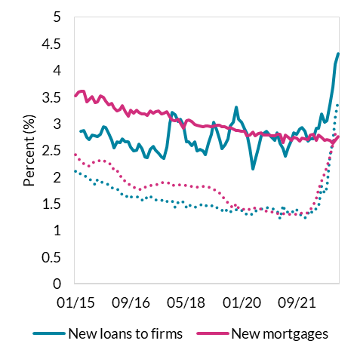
Nov-15 | 3.4959313488 | 2.3224196432 | 2.9411001136 | 1.8949162282
Dec-15 | 3.4185878676 | 2.2773060454 | 2.9300689145 | 1.8775940854
Jan-16 | 3.3574230088 | 2.2677021588 | 2.8178934365 | 1.8513557006
Feb-16 | 3.3793964557 | 2.2237973821 | 2.6890426345 | 1.7937513123
Mar-16 | 3.2982475452 | 2.1213405165 | 2.5460263563 | 1.8027017216
Apr-16 | 3.2378768229 | 2.1191403165 | 2.6562916583 | 1.7862830214
May-16 | 3.270424773 | 2.0373820435 | 2.6540953627 | 1.7213034272
Jun-16 | 3.3335073529 | 1.9613743442 | 2.7168763495 | 1.6765223776
Jul-16 | 3.2255259932 | 1.9293415522 | 2.6588327928 | 1.6662706944
Aug-16 | 3.1422044237 | 1.8763836494 | 2.6671564048 | 1.6069228224
Sep-16 | 3.2592495258 | 1.8529544464 | 2.5585351641 | 1.6369754464
Oct-16 | 3.2052902113 | 1.8108387466 | 2.4901702808 | 1.6272212423
Nov-16 | 3.2484841424 | 1.7860826326 | 2.5131301477 | 1.6254152575
Dec-16 | 3.2174531937 | 1.7771396766 | 2.6230037241 | 1.6277984555
Jan-17 | 3.1857449799 | 1.7747930516 | 2.5305991473 | 1.5776559292
Feb-17 | 3.1829265228 | 1.8173311416 | 2.376249639 | 1.555448532
Mar-17 | 3.1596361991 | 1.8155929279 | 2.3704973849 | 1.6375742308
Apr-17 | 3.2426488127 | 1.8440795383 | 2.5221019834 | 1.6459693977 | Source: MIR SDW
May-17 | 3.2049547419 | 1.8538733024 | 2.5699901236 | 1.5852607568
Jun-17 | 3.2208314439 | 1.8577852503 | 2.5073758752 | 1.5719559418
Jul-17 | 3.2363149088 | 1.8751091786 | 2.4433708484 | 1.5670334117
Aug-17 | 3.1907036219 | 1.9054428385 | 2.3736941753 | 1.5696408995
Sep-17 | 3.1968267452 | 1.9050110661 | 2.347589904 | 1.5361198938
Oct-17 | 3.2235403541 | 1.8926822008 | 2.561818278 | 1.5501257136
Nov-17 | 3.1318674877 | 1.883981836 | 3.0092976666 | 1.558413413
Dec-17 | 3.0688295585 | 1.8461311869 | 3.207233259 | 1.5544430972
Jan-18 | 3.0641165899 | 1.8516863517 | 3.1668970142 | 1.4341958007
Feb-18 | 3.0895852174 | 1.8577206169 | 3.0452876097 | 1.5249417014
Mar-18 | 3.0186192449 | 1.8581129647 | 3.0796345642 | 1.5535993073
Apr-18 | 2.9203355556 | 1.8500709289 | 2.9718306112 | 1.526662227
May-18 | 3.0639501965 | 1.8442543236 | 2.6658874998 | 1.4305234243
Jun-18 | 3.0645367459 | 1.8313094259 | 2.667950046 | 1.4929888359
Jul-18 | 3.0411685116 | 1.8216403912 | 2.5845707196 | 1.4499917601
Aug-18 | 2.9921246004 | 1.8226638825 | 2.6674795692 | 1.4266292496
Sep-18 | 2.9710821062 | 1.8103870397 | 2.4885264459 | 1.4574511319
Oct-18 | 2.9548332727 | 1.8148008859 | 2.5132791756 | 1.4791768784
Nov-18 | 2.9478834477 | 1.8332243274 | 2.4914016329 | 1.5031485692
Dec-18 | 2.9514839357 | 1.8100761576 | 2.4158496285 | 1.4720843641
Jan-19 | 2.9590093909 | 1.8150784679 | 2.6396904347 | 1.442627442
Feb-19 | 2.9439888393 | 1.7980011967 | 2.8038882347 | 1.4593335139
Mar-19 | 2.9562411972 | 1.774119114 | 3.0354658523 | 1.4702234029
Apr-19 | 2.9665251541 | 1.7360974299 | 2.8941347586 | 1.4340087723
May-19 | 2.9720968504 | 1.7075065217 | 2.7106264935 | 1.3941584809
Jun-19 | 2.9481563766 | 1.6449572612 | 2.5320859563 | 1.369914322
Jul-19 | 2.9427033719 | 1.58371769 | 2.5997542074 | 1.4157748185
Aug-19 | 2.9151467222 | 1.5238736418 | 2.7153124844 | 1.3399828308
Sep-19 | 2.9253995054 | 1.4680205368 | 2.9643857828 | 1.3419530175
Oct-19 | 2.8992461977 | 1.4247753755 | 3.0285160304 | 1.3924338162
Nov-19 | 2.8671848859 | 1.5044139455 | 3.3067058958 | 1.3851627978
Dec-19 | 2.8674290875 | 1.4229739744 | 3.0874304648 | 1.4027534213
Jan-20 | 2.8541703145 | 1.4240495442 | 3.027197357 | 1.3717760169
Feb-20 | 2.8652291339 | 1.3914693864 | 2.9062990664 | 1.3550391348
Mar-20 | 2.7764438654 | 1.3721778655 | 2.8104367393 | 1.2932591685
Apr-20 | 2.7906532508 | 1.399630657 | 2.5276636629 | 1.3034557474
May-20 | 2.8394527586 | 1.4337878767 | 2.15388145 | 1.3083203535
Jun-20 | 2.7786824176 | 1.4167427328 | 2.3264904405 | 1.3546879918
Jul-20 | 2.8173074257 | 1.3992617882 | 2.5326185737 | 1.3936159091
Aug-20 | 2.8308085014 | 1.4011646022 | 2.7694210391 | 1.403139789
Sep-20 | 2.7942751953 | 1.3843178259 | 2.8153014566 | 1.4010203575
Oct-20 | 2.7884623377 | 1.3676302743 | 2.857005421 | 1.4321003285
Nov-20 | 2.7951210526 | 1.3599479498 | 2.7890875123 | 1.4218079779
Dec-20 | 2.7713138023 | 1.3406531391 | 2.7437137074 | 1.421233565
Jan-21 | 2.7816084084 | 1.3476138933 | 2.6862817939 | 1.3840395795
Feb-21 | 2.8020483553 | 1.3247749535 | 2.8243388788 | 1.3714728787
Mar-21 | 2.8001782011 | 1.3136380369 | 2.636913576 | 1.2235437154
Apr-21 | 2.6517899819 | 1.3201572825 | 2.5360385239 | 1.472863551
May-21 | 2.7836771654 | 1.3103111234 | 2.3964939019 | 1.3526134512
Jun-21 | 2.7441363853 | 1.3038598937 | 2.5601441674 | 1.3445326351
Jul-21 | 2.6936605187 | 1.3109825508 | 2.6927397555 | 1.3818156293
Aug-21 | 2.7495899662 | 1.2994942568 | 2.8254336866 | 1.3370365633
Sep-21 | 2.7358666667 | 1.299745666 | 2.8016323233 | 1.3846030588
Oct-21 | 2.6752277436 | 1.3112965036 | 2.9054557786 | 1.3184493609
Nov-21 | 2.7330304878 | 1.3302813429 | 2.9303589431 | 1.2686467801
Dec-21 | 2.7127850953 | 1.3218306466 | 2.8559058124 | 1.2367294562
Jan-22 | 2.7080149236 | 1.3358432201 | 2.6765453315 | 1.3264713684
Feb-22 | 2.78987557 | 1.3857632598 | 2.7143239056 | 1.2958373287
Mar-22 | 2.7971038662 | 1.4794043163 | 2.7198953429 | 1.3980999615
Apr-22 | 2.68818767 | 1.6081745009 | 2.9175989949 | 1.405617353
May-22 | 2.7850643411 | 1.7710320247 | 2.9110436743 | 1.4462965936
Jun-22 | 2.7510205069 | 1.9239797674 | 3.1884840627 | 1.8303707994
Jul-22 | 2.6904172078 | 2.0730045228 | 3.0255388973 | 1.7065727298
Aug-22 | 2.7041411208 | 2.1995954457 | 3.0620571206 | 1.8026745471
Sep-22 | 2.6945936866 | 2.3800513947 | 3.3579427244 | 2.3873311984
Oct-22 | 2.6324643223 | 2.6123871568 | 3.6886259259 | 2.6783595575
Nov-22 | 2.6842056807 | 2.8090322978 | 4.1155364267 | 3.1148920072
Dec-22 | 2.7620989031 | 2.8768874202 | 4.3142444958 | 3.4339879787

B3 a
Demand for loans to firms and households and contributing factors.
Figure 3a: Household demand for loans for house purchase and contributing factors

 |  | Other financing needs | Use of alternative finance | Consumer confidence | General level of interest rates | Housing market prospects | Overall | Other
 | 2022Q1 | 2.5 | -1.3333333333 | 0 | 10 | 3 | 10 | 1.1666666667
 | 2022Q2 | 1 | -0.66666666667 | -18 | -11 | 1 | -10 | 0.33333333333
 | 2022Q3 | -4 | -5.6666666667 | -36 | -55 | -22 | -42 | -9.6666666667
 | 2022Q4 | -4 | -2 | -54 | -77 | -50 | -74 | -6

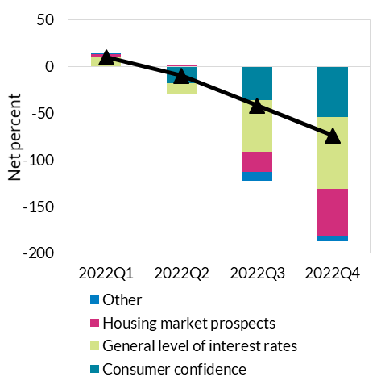

 |  |  |  |  |  |  |  |  | Source: MIR SDW

B3 b
Demand for loans to firms and households and contributing factors.
Figure 3b: Firm demand for loans and contributing factors

 |  | Fixed investment | Working capital needs | General level of interest rates | Use of alternative finance | Other financing needs | Overall | Other
 | 2022Q1 | 9 | 16 | 9 | 2.6 | 4 | 17 | 6.6
 | 2022Q2 | -10 | 39 | 3 | -0.4 | 2 | 12 | 1.6
 | 2022Q3 | -11 | 32 | -3 | -0.2 | 2 | 13 | 1.8
 | 2022Q4 | -25 | 16 | -26 | 1.8 | -1.5 | -11 | 0.3

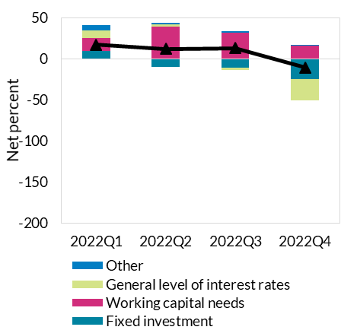

 |  |  | Source: MIR SDW

C1
Card spending levels peaking reflecting sustained high levels of spending and inflationary pressures
Figure 1: Monthly personal card spending and cash withdrawals

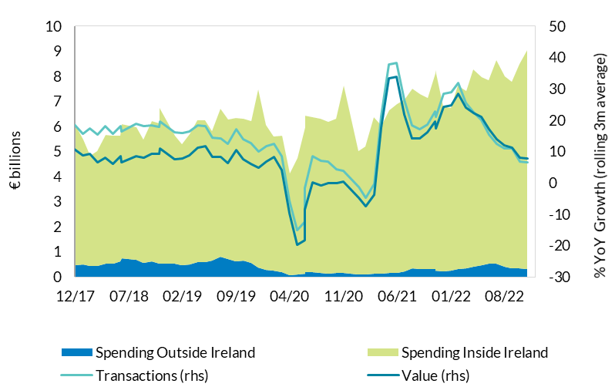
 | Spending Inside Ireland | Spendig Outside Ireland | Annual Growth Rate (3m average) | Transactions
 |  |  | Value | Volume
2017-01-30 | 4,464,914 | 418,357 | 13 | 20
2017-02-28 | 4,102,530 | 352,901 | 9 | 15
2017-03-31 | 4,614,804 | 395,696 | 10 | 16
2017-04-28 | 4,443,615 | 412,755 | 6 | 13
2017-05-31 | 5,034,500 | 478,033 | 10 | 18
2017-06-30 | 4,727,285 | 544,888 | 10 | 18
2017-07-31 | 4,851,061 | 625,168 | 12 | 20
2017-08-31 | 4,929,427 | 581,471 | 9 | 17
2017-09-29 | 4,708,956 | 503,109 | 8 | 16
2017-10-31 | 4,942,807 | 503,088 | 10 | 18
2017-11-30 | 5,142,160 | 489,701 | 10 | 19
2017-12-29 | 5,642,025 | 456,341 | 11 | 19
2018-01-31 | 4,960,401 | 503,914 | 9 | 16
2018-02-28 | 4,372,850 | 445,282 | 9 | 17
2018-03-29 | 4,559,643 | 446,785 | 7 | 15
2018-04-30 | 5,120,250 | 527,961 | 8 | 18
2018-05-31 | 5,097,599 | 539,682 | 6 | 16
2018-06-29 | 5,007,660 | 614,466 | 8 | 18
2018-07-03 | 5,333,627 | 742,427 | 7 | 16 | Source: Central Bank of Ireland
2018-08-31 | 5,294,737 | 668,741 | 9 | 19
2018-09-28 | 4,936,949 | 546,318 | 8 | 18
2018-10-31 | 5,597,782 | 607,965 | 9 | 18
2018-11-30 | 5,591,892 | 535,427 | 9 | 18
2018-12-01 | 6,205,301 | 526,906 | 11 | 20
2019-01-31 | 5,117,500 | 514,452 | 7 | 16
2019-02-28 | 4,817,225 | 470,386 | 8 | 16
2019-03-29 | 5,192,614 | 503,617 | 9 | 16
2019-04-30 | 5,627,393 | 600,661 | 11 | 18
2019-05-31 | 5,640,019 | 602,625 | 12 | 18
2019-06-28 | 5,169,777 | 646,134 | 8 | 14
2019-07-31 | 5,891,775 | 815,609 | 8 | 14
2019-08-30 | 5,564,562 | 717,536 | 6 | 13
2019-09-30 | 5,703,682 | 625,622 | 10 | 17
2019-10-30 | 5,660,350 | 635,234 | 7 | 14
2019-11-29 | 5,668,669 | 553,447 | 6 | 13
2019-12-29 | 7,127,324 | 357,550 | 5 | 10
2020-01-28 | 5,773,087 | 278,332 | 7 | 12
2020-02-27 | 5,348,720 | 251,367 | 8 | 12
2020-03-31 | 5,439,261 | 173,409 | 4 | 8
2020-04-30 | 4,051,589 | 69,071 | (10) | (6)
2020-05-31 | 4,659,782 | 86,071 | (20) | (15)
2020-06-30 | 5,856,632 | 120,723 | (18) | (12)
2020-07-01 | 6,267,063 | 173,751 | (8) | (2)
2020-08-01 | 6,176,036 | 198,854 | 0 | 8
2020-09-01 | 6,150,894 | 167,409 | (1) | 7
2020-10-01 | 6,046,609 | 141,430 | (0) | 7
2020-11-01 | 6,163,597 | 144,883 | (0) | 4
2020-12-01 | 7,466,243 | 157,968 | 1 | 4
2021-01-29 | 4,900,545 | 108,946 | (5) | (1)
2021-02-26 | 5,078,175 | 107,303 | (8) | (5)
2021-03-31 | 6,256,861 | 118,732 | (4) | (0)
2021-04-30 | 5,921,996 | 114,571 | 18 | 21
2021-05-31 | 6,503,254 | 148,631 | 33 | 38
2021-06-30 | 6,709,656 | 171,404 | 34 | 38
2021-07-30 | 6,845,612 | 228,278 | 22 | 26
2021-08-30 | 7,171,699 | 338,878 | 14 | 18
2021-09-30 | 6,964,017 | 312,851 | 14 | 17
2021-10-30 | 6,836,857 | 301,466 | 16 | 19
2021-11-30 | 7,800,632 | 300,341 | 20 | 23
2021-12-01 | 7,993,968 | 258,377 | 17 | 21
2022-01-01 | 6,579,037 | 228,615 | 24 | 28
2022-02-01 | 6,477,749 | 249,480 | 25 | 29
2022-03-01 | 7,319,709 | 304,240 | 28 | 32
2022-04-01 | 7,057,404 | 353,217 | 24 | 26
2022-05-01 | 7,876,429 | 392,963 | 22 | 23
2022-06-01 | 7,509,120 | 458,856 | 21 | 20
2022-07-01 | 7,330,454 | 517,899 | 17 | 15
2022-08-01 | 8,103,688 | 524,741 | 14 | 12
2022-09-01 | 7,587,629 | 415,498 | 12 | 11
2022-10-01 | 7,425,743 | 356,832 | 11 | 11
2022-11-01 | 8,164,044 | 333,924 | 8 | 7
2022-12-01 | 8,738,845 | 312,737 | 8 | 7

C2
Boost in spending across sectors
Figure 2: Card spending

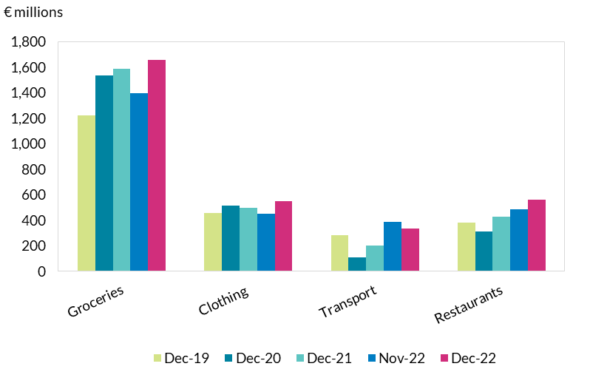
 | Groceries | Clothing | Transport | Restaurants
Dec-19 | 1,223 | 458 | 281 | 380
Dec-20 | 1,536 | 516 | 111 | 314
Dec-21 | 1,585 | 495 | 201 | 427
Nov-22 | 1,397 | 453 | 385 | 485
Dec-22 | 1,657 | 549 | 338 | 562

 |  |  |  |  | Source: Central Bank of Ireland

C3
Irish Household deposit growth declines from pandemic peak, while still outpacing euro area average
Figure 3: Deposits from Households; net flows, and annual rate of change

Monthly net flows (lhs) | Ireland deposit growth (rhs) |  | [U2] - Euro area (changing composition) | Annual rate of change in CPI index
331 | 0.1 | 2015-01-01 | 2.4 | -0.6
204 | 0.6 | 2015-02-01 | 2.3 | -0.5
-60 | 0.6 | 2015-03-01 | 2.2 | -0.6
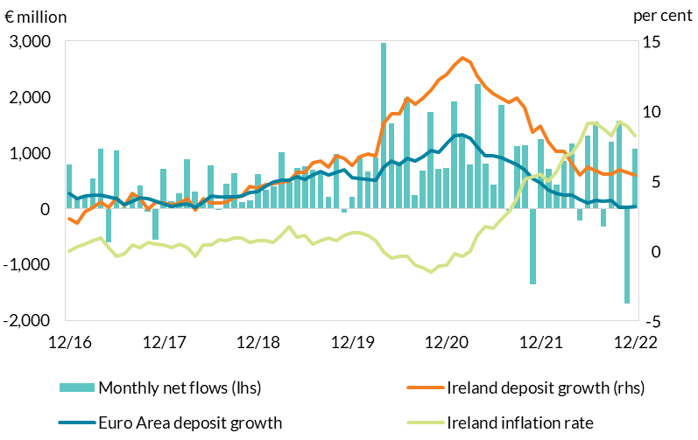
782 | 1.3 | 2015-04-01 | 2.4 | -0.7
268 | 1.7 | 2015-05-01 | 2.3 | -0.3
-226 | 1.5 | 2015-06-01 | 2.2 | -0.1
655 | 2.3 | 2015-07-01 | 2.3 | -0.2
-129 | 1.7 | 2015-08-01 | 1.9 | 0.0
258 | 2.2 | 2015-09-01 | 2.1 | -0.3
1,115 | 2.6 | 2015-10-01 | 2.3 | -0.2
-653 | 2.7 | 2015-11-01 | 1.9 | -0.2
485 | 3.3 | 2015-12-01 | 2.2 | 0.1
523 | 3.6 | 2016-01-01 | 2.4 | 0.1
-541 | 2.7 | 2016-02-01 | 2.3 | -0.1
273 | 3.1 | 2016-03-01 | 2.7 | -0.3
625 | 2.9 | 2016-04-01 | 3.0 | -0.1
-249 | 2.4 | 2016-05-01 | 2.7 | 0.0
395 | 3.0 | 2016-06-01 | 3.2 | 0.4
559 | 2.8 | 2016-07-01 | 3.6 | 0.5
-519 | 2.4 | 2016-08-01 | 3.5 | -0.1
731 | 2.9 | 2016-09-01 | 3.7 | 0.0
652 | 2.4 | 2016-10-01 | 3.5 | -0.3
-1,042 | 2.0 | 2016-11-01 | 3.8 | -0.1 | Source: Central Bank of Ireland, Central Statistics Office and European Central Bank.
799 | 2.3 | 2016-12-01 | 4.1 | 0.0
204 | 2.0 | 2017-01-01 | 3.7 | 0.3
209 | 2.8 | 2017-02-01 | 3.9 | 0.5
540 | 3.1 | 2017-03-01 | 4.0 | 0.7
1,075 | 3.5 | 2017-04-01 | 4.0 | 0.9
-601 | 3.1 | 2017-05-01 | 3.9 | 0.2
1,037 | 3.8 | 2017-06-01 | 3.7 | -0.4
27 | 3.2 | 2017-07-01 | 3.3 | -0.2
273 | 4.1 | 2017-08-01 | 3.6 | 0.4
411 | 3.7 | 2017-09-01 | 3.8 | 0.2
-47 | 3.0 | 2017-10-01 | 3.7 | 0.6
-548 | 3.5 | 2017-11-01 | 3.5 | 0.5
719 | 3.4 | 2017-12-01 | 3.3 | 0.4
139 | 3.3 | 2018-01-01 | 3.2 | 0.2
275 | 3.4 | 2018-02-01 | 3.3 | 0.5
889 | 3.7 | 2018-03-01 | 3.4 | 0.2
309 | 2.9 | 2018-04-01 | 3.1 | -0.4
157 | 3.7 | 2018-05-01 | 3.5 | 0.4
770 | 3.4 | 2018-06-01 | 3.9 | 0.4
-14 | 3.4 | 2018-07-01 | 3.8 | 0.8
450 | 3.5 | 2018-08-01 | 3.9 | 0.7
633 | 3.8 | 2018-09-01 | 3.9 | 0.9
123 | 3.9 | 2018-10-01 | 3.9 | 0.9
148 | 4.6 | 2018-11-01 | 4.1 | 0.6
625 | 4.5 | 2018-12-01 | 4.2 | 0.7
334 | 4.7 | 2019-01-01 | 4.6 | 0.7
397 | 4.8 | 2019-02-01 | 4.9 | 0.6
1,007 | 4.9 | 2019-03-01 | 5.0 | 1.1
472 | 5.0 | 2019-04-01 | 5.0 | 1.7
728 | 5.6 | 2019-05-01 | 5.3 | 1.0
768 | 5.6 | 2019-06-01 | 5.1 | 1.1
692 | 6.3 | 2019-07-01 | 5.4 | 0.5
653 | 6.4 | 2019-08-01 | 5.6 | 0.7
213 | 6.0 | 2019-09-01 | 5.4 | 0.9
982 | 6.8 | 2019-10-01 | 5.6 | 0.7
-70 | 6.6 | 2019-11-01 | 5.8 | 1.1
212 | 6.1 | 2019-12-01 | 5.3 | 1.3
943 | 6.7 | 2020-01-01 | 5.1 | 1.3
662 | 6.9 | 2020-02-01 | 5.1 | 1.1
922 | 6.8 | 2020-03-01 | 5.1 | 0.7
2,970 | 9.1 | 2020-04-01 | 6.0 | -0.1
1,519 | 9.8 | 2020-05-01 | 6.4 | -0.5
845 | 9.8 | 2020-06-01 | 6.2 | -0.4
1,983 | 10.9 | 2020-07-01 | 6.6 | -0.4
248 | 10.5 | 2020-08-01 | 6.4 | -1.0
685 | 10.9 | 2020-09-01 | 6.7 | -1.2
1,732 | 11.5 | 2020-10-01 | 7.2 | -1.5
706 | 12.2 | 2020-11-01 | 7.0 | -1.1
727 | 12.6 | 2020-12-01 | 7.7 | -1.0
1,915 | 13.3 | 2021-01-01 | 8.2 | -0.2
1,298 | 13.8 | 2021-02-01 | 8.3 | -0.4
799 | 13.5 | 2021-03-01 | 8.1 | 0.0
2,235 | 12.5 | 2021-04-01 | 7.4 | 1.1
807 | 11.7 | 2021-05-01 | 6.8 | 1.7
429 | 11.2 | 2021-06-01 | 6.8 | 1.6
1,859 | 10.9 | 2021-07-01 | 6.7 | 2.2
-30 | 10.6 | 2021-08-01 | 6.4 | 2.8
1,126 | 10.9 | 2021-09-01 | 6.2 | 3.7
1,138 | 10.2 | 2021-10-01 | 5.8 | 5.1
-1,355 | 8.5 | 2021-11-01 | 5.2 | 5.3
1,243 | 8.9 | 2021-12-01 | 4.9 | 5.5
720 | 7.8 | 2022-01-01 | 4.4 | 5.0
439 | 7.1 | 2022-02-01 | 4.1 | 5.6
857 | 7.1 | 2022-03-01 | 4.0 | 6.7
1,167 | 6.2 | 2022-04-01 | 4.0 | 7.0
-212 | 5.4 | 2022-05-01 | 3.7 | 7.8
1,305 | 6.0 | 2022-06-01 | 3.4 | 9.1
1,550 | 5.7 | 2022-07-01 | 3.6 | 9.1
-323 | 5.5 | 2022-08-01 | 3.5 | 8.7
1205 | 5.5 | 2022-09-01 | 3.6 | 8.2
1572 | 5.8 | 2022-10-01 | 3.1 | 9.2
-1693 | 5.6 | 2022-11-01 | 3.1 | 8.9
1079 | 5.4 | 2022-12-01 | 3.2 | 8.2

Year to December
2018 | 4,504
2019 | 6,388
2020 | 13,942
2021 | 11,464
2022 | 7,666

C4
New Household Bank Lending recovering from pandemic lows and remaining strong through 2022
Figure 4: New Household Lending by purpose

 |  |  | 2019 | 2020 | 2021 | 2022
 |  | mortgages | 717 | 607 | 701 | 885
 |  | consumer | 168 | 145 | 148 | 186

 |  | Index_mortgage | 100 | 84.627906977 | 97.860465116 | 123.45348837
 |  | Index_consumer | 100 | 86.194952994 | 88.075210292 | 110.3908956

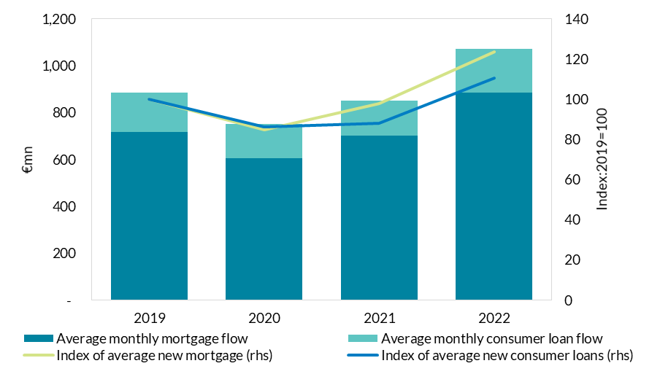

 | Source: Central Bank of Ireland

C5
Changing Pass-through dynamics of Euro Area New mortgage lending rates
Figure 5: Mortgage Rates Cross-Country comparison

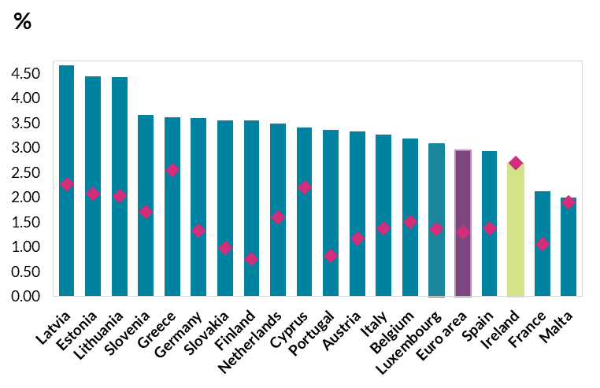
 |  | December 2022 |  | December 2021
 | Top | 4.65 | Latvia | 2.26
 |  | 4.44 | Estonia | 2.0731
 |  | 4.42 | Lithuania | 2.03
 |  | 3.65 | Slovenia | 1.71
 |  | 3.60 | Greece | 2.5491
 |  | 3.60 | Germany | 1.3307
 |  | 3.55 | Slovakia | 0.98
 |  | 3.55 | Finland | 0.7631
 |  | 3.48 | Netherlands | 1.60
 |  | 3.40 | Cyprus | 2.1999
 |  | 3.35 | Portugal | 0.82
 |  | 3.32 | Austria | 1.1678
 |  | 3.27 | Italy | 1.3805
 |  | 3.19 | Belgium | 1.4953
 |  | 3.07 | Luxembourg | 1.36 | Source: Central Bank of Ireland
 |  | 2.95 | Euro area | 1.29
 |  | 2.92 | Spain | 1.3768
 |  | 2.69 | Ireland | 2.6925
 |  | 2.12 | France | 1.0628
 | Bottom | 1.98 | Malta | 1.90

 | December 2022 |  |  | #REF!
 | 4.65 | 0
 | 4.44 | 0
 | 4.42 | 0
 | 3.65 | 0
 | 3.60 | 0
 | 3.60 | 0
 | 3.55 | 0
 | 3.55 | 0
 | 3.48 | 0
 | 3.40 | 0
 | 3.35 | 0
 | 3.32 | 0
 | 3.27 | 0
 | 3.19 | 0
 | 3.07 | 0
 | 2.95 | 0 |  | 0
 | 2.92 | 0
 | 2.69 | 0
 | 2.12 | 0
 | 1.98 | 0

C6
Reversal of recent Bank NFC net lending during the last quarter of 2022
Figure 6: Net flows of loans to Non-financial Corporations

 | Loans - monthly net flows (lhs) | Loans - Annual rate of change, % (rhs) | New Loans - Weighted average interest rate
2015 | (427) | -6.3 | 2.54
 | (30) | -6.2 | 3.01
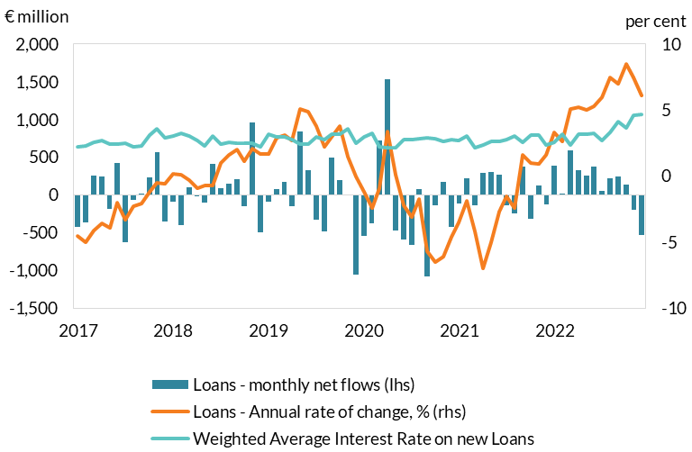
 | (770) | -6.9 | 3.04
 | (365) | -6.7 | 2.55
 | 342 | -6.3 | 2.65
 | (889) | -6.7 | 2.93
 | 171 | -5.3 | 2.77
 | (142) | -5.2 | 2.63
 | (271) | -5.1 | 2.87
 | (636) | -6.8 | 2.89
 | 350 | -6.5 | 3.07
 | (852) | -6.3 | 2.84
2016 | 86 | -5.5 | 2.55
 | (118) | -5.7 | 2.68
 | (145) | -4.7 | 2.41
 | 19 | -4.0 | 2.88
 | (58) | -4.8 | 2.67
 | (446) | -4.1 | 2.60
 | (77) | -4.6 | 2.71
 | (516) | -5.4 | 2.70
 | (71) | -5.1 | 2.27
 | (169) | -4.3 | 2.50 | Source: Central Bank of Ireland
 | 316 | -4.2 | 2.77
 | (333) | -3.3 | 2.60
2017 | (421) | -4.5 | 2.22
 | (359) | -5.0 | 2.31
 | 259 | -4.1 | 2.58
 | 244 | -3.6 | 2.68
 | (182) | -3.9 | 2.45
 | 423 | -2.0 | 2.39
 | (630) | -3.3 | 2.49
 | (64) | -2.3 | 2.24
 | 13 | -2.1 | 2.32
 | 233 | -1.2 | 3.13
 | 570 | -0.5 | 3.58
 | (357) | -0.6 | 2.91
2018 | (84) | 0.2 | 3.01
 | (394) | 0.1 | 3.22
 | 97 | -0.3 | 3.01
 | (1) | -0.9 | 2.69
 | (104) | -0.7 | 2.30
 | 411 | -0.7 | 3.02
 | 89 | 1.0 | 2.43
 | 149 | 1.6 | 2.55
 | 206 | 2.0 | 2.48
 | (148) | 1.1 | 2.51
 | 963 | 2.1 | 2.48
 | (495) | 1.7 | 2.26
2019 | (86) | 1.7 | 3.18
 | 81 | 2.9 | 2.98
 | 178 | 3.1 | 2.95
 | (151) | 2.7 | 2.76
 | 844 | 5.1 | 2.42
 | 333 | 4.9 | 2.41
 | (328) | 3.8 | 2.96
 | (486) | 2.2 | 2.77
 | 499 | 3.0 | 3.16
 | 196 | 3.8 | 3.15
 | 7 | 1.5 | 3.61
 | (1,061) | 0.0 | 2.50
2020 | (537) | -1.2 | 2.97
 | (378) | -2.4 | 3.24
 | 728 | -0.9 | 2.22
 | 1,539 | 3.4 | 2.12
 | (472) | 0.1 | 2.12
 | (589) | -2.2 | 2.73
 | (665) | -3.1 | 2.74
 | 75 | -1.7 | 2.83
 | (1,081) | -5.7 | 2.87
 | (142) | -6.5 | 2.87
 | 178 | -6.1 | 2.63
 | (421) | -4.6 | 2.74
2021 | (111) | -3.5 | 2.69
 | 219 | -1.9 | 3.04
 | (142) | -4.2 | 2.17
 | 291 | -7.0 | 2.39
 | 300 | -5.0 | 2.62
 | 265 | -2.7 | 2.66
 | (141) | -1.5 | 2.79
 | (241) | -2.4 | 3.02
 | 375 | 1.6 | 2.59
 | (316) | 1.0 | 3.10
 | 121 | 0.9 | 3.10
 | (130) | 1.6 | 2.37
2022 | 391 | 3.3 | 2.56
 | 19 | 2.6 | 3.21
 | 595 | 5.1 | 2.39
 | 331 | 5.2 | 3.16
 | 252 | 5.0 | 3.19
 | 375 | 5.3 | 3.22
 | 53 | 6.0 | 2.67
 | 217 | 7.5 | 3.30
 | 241 | 7 | 4.11
 | 133 | 8.5 | 3.66
 | -197 | 7.5 | 4.58
 | -535 | 6.1 | 4.70

D1
UK GDP growth projections for 2023-2029 have been revised downwards over time
Figure 1: Average GDP growth projection for 2023-2029

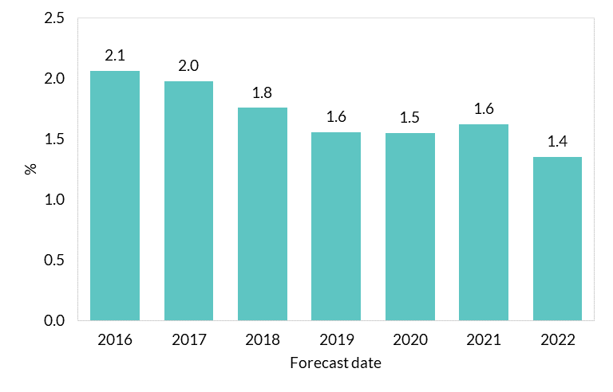
Forecast date | Average GDP growth projection for 2023-2029
2016 | 2.1
2017 | 2.0
2018 | 1.8
2019 | 1.6
2020 | 1.5
2021 | 1.6
2022 | 1.4

 |  | Source: ONS and NIESR.

D2
Contributions to UK GDP growth and long-run projections
Figure 2: Historical and projected contributions to UK GDP growth
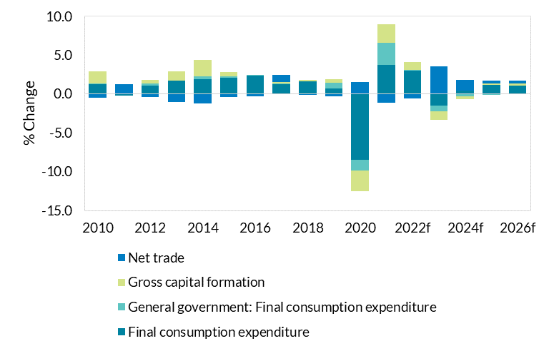
 | Final consumption expenditure | General government: Final consumption expenditure | Gross capital formation | Net trade
2010 | 1.3 | 0.0 | 1.6 | -0.5
2011 | -0.2 | 0.0 | 0.1 | 1.2
2012 | 1.1 | 0.3 | 0.4 | -0.4
2013 | 1.7 | 0.0 | 1.2 | -1.0
2014 | 1.9 | 0.4 | 2.1 | -1.2
2015 | 2.0 | 0.2 | 0.5 | -0.4
2016 | 2.3 | 0.2 | 0.0 | -0.3
2017 | 1.3 | 0.1 | 0.2 | 0.9
2018 | 1.6 | 0.1 | 0.2 | -0.1
2019 | 0.7 | 0.8 | 0.5 | -0.3
2020 | -8.5 | -1.4 | -2.7 | 1.5
2021 | 3.7 | 2.8 | 2.4 | -1.1
2022f | 3 | 0.1 | 1 | -0.6
2023f | -1.5 | -0.7 | -1.1 | 3.5
2024f | 0.4 | -0.3 | -0.4 | 1.4
2025f | 1.2 | -0.1 | 0.1 | 0.4
2026f | 1.1 | 0.0 | 0.2 | 0.4 | Source: ONS and NIESR.

D3
UK shocks impact on Irish economy
Figure 3: Irish output response to UK shocks (% deviation from baseline)

 | Bus. Inv. | Priv. Cons | Equities | Gov. Cons | Foreign
2023 | 0.0 | 0.0 | 0.0 | 0.0 | 0.0
2024 | -0.1 | 0.0 | -0.1 | -0.1 | 0.0
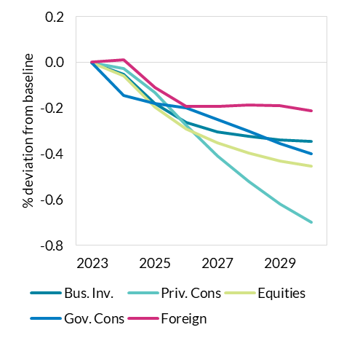
2025 | -0.2 | -0.1 | -0.2 | -0.2 | -0.1
2026 | -0.3 | -0.3 | -0.3 | -0.2 | -0.2
2027 | -0.3 | -0.4 | -0.4 | -0.2 | -0.2
2028 | -0.3 | -0.5 | -0.4 | -0.3 | -0.2
2029 | -0.3 | -0.6 | -0.4 | -0.4 | -0.2
2030 | -0.3 | -0.7 | -0.5 | -0.4 | -0.2

 |  |  |  |  |  | Source: authors' calculations.

D4
UK shocks impact on Irish economy
Figure 4: Irish employment response to UK shocks (% deviation from baseline)

 | Bus. Inv. | Priv. Cons | Equities | Gov. Cons | Foreign
2023 | 0.0 | 0.0 | 0.0 | 0.0 | 0.0
2024 | 0.0 | 0.0 | 0.0 | 0.0 | 0.0
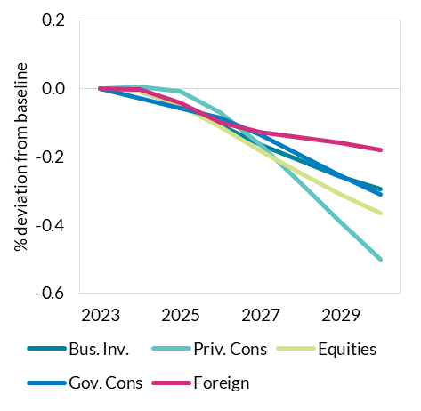
2025 | 0.0 | 0.0 | 0.0 | -0.1 | 0.0
2026 | -0.1 | -0.1 | -0.1 | -0.1 | -0.1
2027 | -0.2 | -0.2 | -0.2 | -0.1 | -0.1
2028 | -0.2 | -0.3 | -0.2 | -0.2 | -0.1
2029 | -0.3 | -0.4 | -0.3 | -0.3 | -0.2
2030 | -0.3 | -0.5 | -0.4 | -0.3 | -0.2

 |  |  |  |  |  | Source: authors' calculations.

E1
Contributions to Inflation revisions.
Figure 1: Inflation forecast errors & Revisions to inflation forecasts

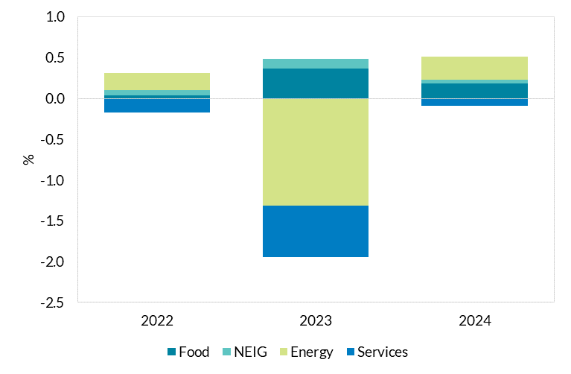
Contributions | HICP | Food | NEIG | Energy | Services
2022 | 0.1 | 0.0 | 0.1 | 0.2 | -0.2
2023 | -1.3 | 0.4 | 0.1 | -1.3 | -0.6
2024 | 0.4 | 0.2 | 0.0 | 0.3 | -0.1

 |  |  |  |  |  | Source: Central Bank of Ireland calculations

E2
Oil and Gas futures are substantially lower
Figure 2: Brent Crude Futures

 |  | Barrel/euro QB4 2022 | Barrel/euro QB1 2023
 | Jan-22 | 77.8 | 77.781939698
 | Feb-22 | 88.0 | 87.96057098
 | Mar-22 | 111.3 | 111.31804479
 | Apr-22 | 96.8 | 96.755860296
 | May-22 | 107.8 | 107.76059503
 | Jun-22 | 120.5 | 120.49404598
 | Jul-22 | 115.1 | 115.05260646
 | Aug-22 | 102.9 | 103.52172532
 | Sep-22 | 91.5 | 95.372745923
 | Oct-22 | 92.3 | 96.744192809
 | Nov-22 | 91.3 | 91.059493468
 | Dec-22 | 90.1 | 78.624599604
 | Jan-23 | 88.9 | 78.194143121
 | Feb-23 | 87.9 | 77.343040683
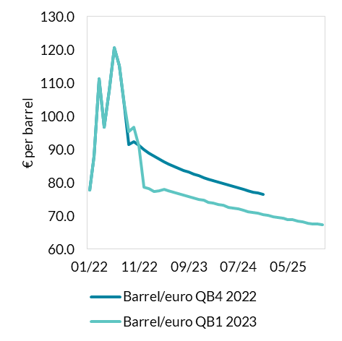
 | Mar-23 | 87.0 | 77.644403934
 | Apr-23 | 86.3 | 77.902767723
 | May-23 | 85.5 | 77.626181062
 | Jun-23 | 84.9 | 77.158396911
 | Jul-23 | 84.3 | 76.735163632
 | Aug-23 | 83.7 | 76.320283641
 | Sep-23 | 83.2 | 75.897050361
 | Oct-23 | 82.7 | 75.477529654
 | Nov-23 | 82.1 | 75.055224518
 | Dec-23 | 81.6 | 74.642200813
 | Jan-24 | 81.0 | 74.059326911
 | Feb-24 | 80.5 | 73.806871972
 | Mar-24 | 80.1 | 73.470884149
 | Apr-24 | 79.7 | 73.191513059
 | May-24 | 79.2 | 72.64483674
 | Jun-24 | 78.8 | 72.368250079
 | Jul-24 | 78.3 | 72.050825119
 | Aug-24 | 77.9 | 71.713909153
 | Sep-24 | 77.5 | 71.244268716
 | Oct-24 | 77.2 | 71.095765811
 | Nov-24 | 76.8 | 70.809897719 | Source: Refinitiv Eikon
 | Dec-24 | 76.4 | 70.453490746
 | Jan-25 |  | 70.109149635
 | Feb-25 |  | 69.786155817
 | Mar-25 |  | 69.47244343
 | Apr-25 |  | 69.22555735
 | May-25 |  | 68.974958698
 | Jun-25 |  | 68.788401923
 | Jul-25 |  | 68.461695532
 | Aug-25 |  | 68.159120863
 | Sep-25 |  | 67.903881495
 | Oct-25 |  | 67.671845705
 | Nov-25 |  | 67.497354792
 | Dec-25 |  | 67.259750144

E3
Oil and Gas futures are substantially lower
Figure 3: TTR Gas Futures

 |  | QB4 2022 | QB1 2023
 | Jan-22 | 85.1 | 85.1
 | Feb-22 | 80.0 | 80.0
 | Mar-22 | 129.3 | 129.3
 | Apr-22 | 101.2 | 101.2
 | May-22 | 88.5 | 88.5
 | Jun-22 | 108.0 | 108.0
 | Jul-22 | 171.8 | 171.8
 | Aug-22 | 218.9 | 235.6
 | Sep-22 | 254.1 | 191.3
 | Oct-22 | 214.3 | 72.7
 | Nov-22 | 224.5 | 96.7
 | Dec-22 | 226.3 | 117.1
 | Jan-23 | 226.0 | 62.4
 | Feb-23 | 224.3 | 55.5
 | Mar-23 | 221.2 | 54.8
 | Apr-23 | 209.3 | 55.5
 | May-23 | 201.2 | 55.9
 | Jun-23 | 198.3 | 56.3
 | Jul-23 | 197.0 | 56.6
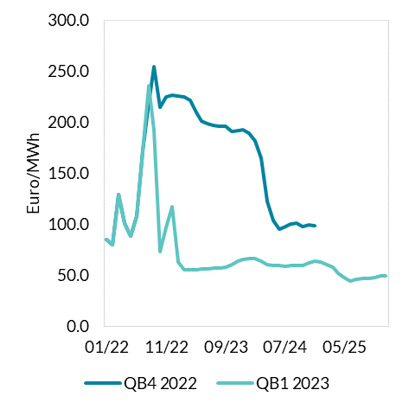
 | Aug-23 | 196.2 | 57.0
 | Sep-23 | 195.6 | 57.7
 | Oct-23 | 191.2 | 60.2
 | Nov-23 | 191.4 | 64.0
 | Dec-23 | 192.7 | 65.7
 | Jan-24 | 189.4 | 66.1
 | Feb-24 | 181.1 | 65.9
 | Mar-24 | 164.2 | 64.0
 | Apr-24 | 121.9 | 60.0
 | May-24 | 103.2 | 59.2
 | Jun-24 | 94.8 | 59.1
 | Jul-24 | 97.3 | 58.6
 | Aug-24 | 100.3 | 59.1
 | Sep-24 | 101.3 | 59.7
 | Oct-24 | 97.6 | 59.4
 | Nov-24 | 99.1 | 62.1
 | Dec-24 | 98.4 | 63.7
 | Jan-25 |  | 62.577
 | Feb-25 |  | 60.5963 | Source: Refinitiv Eikon
 | Mar-25 |  | 58.0339
 | Apr-25 |  | 51.3696
 | May-25 |  | 47.4332
 | Jun-25 |  | 44.3119
 | Jul-25 |  | 45.7252
 | Aug-25 |  | 46.9491
 | Sep-25 |  | 47.0951
 | Oct-25 |  | 47.8294
 | Nov-25 |  | 48.9795
 | Dec-25 |  | 49.0711

E4
Services inflation in H2 2022 has been lower than implied by domestic developments
Figure 4

No Data Available
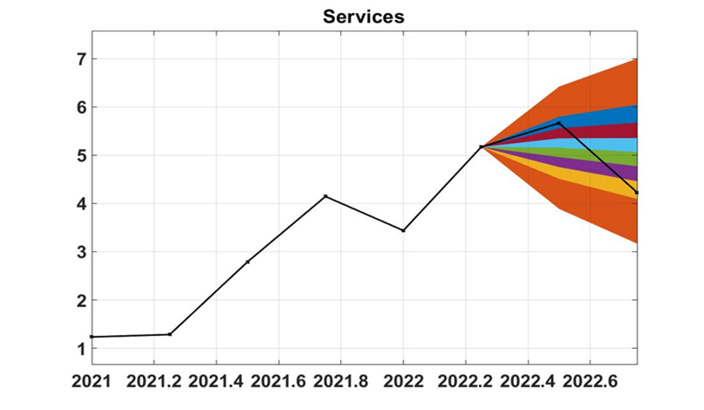

 | Source: Central Bank of Ireland calculations

E5
Services Inflation Contributions & Measures taken reduced services inflation
Figure 5: Contributions to Services Inflation

 |  | Services | Communication | Housing | Miscellaneous | Recreation | Holidays and accommodation | Transport
 | Jan-22 | 3.1 | 0.2 | 1.2 | 0.2 | 1.1 | 0.6 | 0.4
 | Feb-22 | 3.2 | 0.1 | 1.3 | 0.1 | 1.1 | 0.5 | 0.6
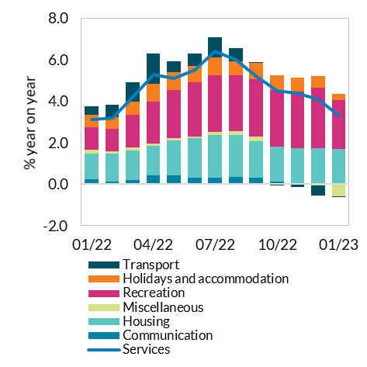
 | Mar-22 | 4.2 | 0.2 | 1.4 | 0.1 | 1.6 | 0.6 | 1.0
 | Apr-22 | 5.3 | 0.4 | 1.4 | 0.1 | 2.0 | 0.8 | 1.5
 | May-22 | 5.1 | 0.4 | 1.7 | 0.1 | 2.3 | 0.9 | 0.5
 | Jun-22 | 5.5 | 0.3 | 1.9 | 0.1 | 2.6 | 0.8 | 0.6
 | Jul-22 | 6.4 | 0.3 | 2.0 | 0.1 | 2.7 | 0.9 | 1.0
 | Aug-22 | 6 | 0.3 | 2.0 | 0.2 | 2.7 | 0.7 | 0.6
 | Sep-22 | 5.2 | 0.3 | 1.7 | 0.2 | 2.8 | 0.8 | 0.0
 | Oct-22 | 4.5 | 0.1 | 1.7 | 0.0 | 2.7 | 0.7 | 0.0
 | Nov-22 | 4.4 | 0.0 | 1.7 | 0.0 | 2.7 | 0.7 | -0.1
 | Dec-22 | 4.1 | 0.1 | 1.7 | -0.1 | 2.9 | 0.5 | -0.5
 | Jan-23 | 3.3 | 0.0 | 1.6 | -0.6 | 2.3 | 0.3 | -0.1

 |  |  |  |  |  |  |  |  | Source: Eurostat

 |  |  |  |  |  |  |  |  |  | Jan

E6
Services Inflation Contributions & Measures taken reduced services inflation
Figure 6: Discretionary Measures

 |  | Transport services | Rail | Bus and coach | Third Level fees | Motor vehicle insurance | Package Holidays
 | Jan-21 | -11.1 | 0 | 0 | 0.2 | -5.9 | 5.9
 | Feb-21 | -19.1 | 0 | 0 | 0.2 | -5.9 | 5.9
 | Mar-21 | -29.2 | 0 | 0 | 0.2 | -5.6 | 5.8
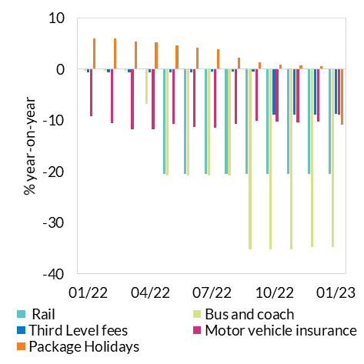
 | Apr-21 | -26.2 | 0 | -0.2 | 0.3 | -5 | 5.8
 | May-21 | -15 | 0 | -0.2 | 0.3 | -6.7 | 5.9
 | Jun-21 | -17.5 | 0 | -0.2 | 0.3 | -6.1 | 6
 | Jul-21 | 7.2 | 0 | -0.2 | 0.3 | -6.5 | 5.9
 | Aug-21 | 22.4 | 0 | -0.2 | 0.3 | -6.3 | 5.9
 | Sep-21 | 17.1 | 0 | 0 | 0.3 | -8.2 | 5.9
 | Oct-21 | 31.1 | 0 | 0 | -0.6 | -8.4 | 5.9
 | Nov-21 | 28.3 | 0 | 0 | -0.6 | -8 | 5.8
 | Dec-21 | 29.3 | 0 | -0.4 | -0.6 | -8.4 | 5.9
 | Jan-22 | 10.5 | 0 | -0.4 | -0.6 | -9.2 | 5.9
 | Feb-22 | 16 | 0 | -0.4 | -0.6 | -10.5 | 5.9
 | Mar-22 | 25.6 | 0 | -0.4 | -0.6 | -11.7 | 5.4
 | Apr-22 | 34.7 | 0 | -6.8 | -0.6 | -11.7 | 5.2
 | May-22 | 8.1 | -20.5 | -20.8 | -0.6 | -10.7 | 4.6
 | Jun-22 | 7.8 | -20.5 | -20.8 | -0.6 | -11.3 | 4.1
 | Jul-22 | 14 | -20.5 | -20.8 | -0.5 | -11.4 | 3.8
 | Aug-22 | 9.5 | -20.5 | -20.8 | -0.5 | -10.7 | 2.2
 | Sep-22 | -1.9 | -20.5 | -35.3 | -0.5 | -10.1 | 1.3 | Source: Eurostat
 | Oct-22 | -3.8 | -20.5 | -35.3 | -8.9 | -10.2 | 0.9
 | Nov-22 | -8.2 | -20.5 | -35.3 | -8.9 | -10.4 | 0.7
 | Dec-22 | -16.4 | -20.5 | -34.8 | -8.9 | -10.2 | 0.6
 | Jan-23 |  | -20.5 | -34.8 | -8.8 | -8.9 | -10.8

E7
Base effects will remain a prominent feature of services inflation over the forecast horizon
Figure 7: Base effects in Services Inflation

YearQuarter | SERV | Base effect | Actual inflation YoY
2017Q1 | 103.36666667
2017Q2 | 105.3
2017Q3 | 106.66666667
2017Q4 | 105.16666667
2018Q1 | 105.7 | 1.8703643986 | 2.2573363431
2018Q2 | 106.73333333 | 1.2978790757 | 1.3611902501
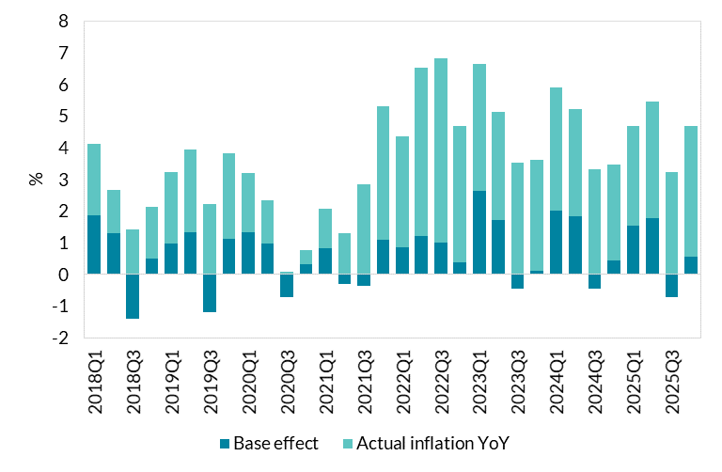
2018Q3 | 108.16666667 | -1.40625 | 1.40625
2018Q4 | 106.86666667 | 0.50713153724 | 1.616481775
2019Q1 | 108.06666667 | 0.97760958688 | 2.2390413119
2019Q2 | 109.5 | 1.3429106808 | 2.5921299188
2019Q3 | 110.56666667 | -1.2018489985 | 2.218798151
2019Q4 | 109.76666667 | 1.1228945727 | 2.713661884
2020Q1 | 110.1 | 1.3263417643 | 1.8815545959
2020Q2 | 111 | 0.97412480974 | 1.3698630137
2020Q3 | 110.66666667 | -0.72354537232 | 0.090443171541
2020Q4 | 110.26666667 | 0.30367446098 | 0.45551169147
2021Q1 | 111.46666667 | 0.8174386921 | 1.2412957917
2021Q2 | 112.43333333 | -0.3003003003 | 1.2912912913
2021Q3 | 113.8 | -0.36144578313 | 2.8313253012
2021Q4 | 114.93333333 | 1.0882708585 | 4.2321644498
2022Q1 | 115.36666667 | 0.86722488038 | 3.4988038278
2022Q2 | 118.4 | 1.2155351319 | 5.3068485028
2022Q3 | 120.43333333 | 0.99589923843 | 5.8289396602
2022Q4 | 119.9 | 0.37703016241 | 4.3213457077
2023Q1 | 120.01699566 | 2.6292978908 | 4.0309121541
2023Q2 | 122.4409038 | 1.7173423423 | 3.4129255087
2023Q3 | 124.6895127 | -0.44284528093 | 3.5340542729
2023Q4 | 124.12307274 | 0.097577694014 | 3.5221624189
2024Q1 | 124.66748202 | 2.0196374138 | 3.8748565083 | Source: Central Bank of Ireland calculations
2024Q2 | 126.56928188 | 1.8364850503 | 3.3717311399
2024Q3 | 128.82616545 | -0.45428035085 | 3.3175626895
2024Q4 | 127.88893645 | 0.43860441903 | 3.033975578
2025Q1 | 128.61514895 | 1.525497933 | 3.1665570411
2025Q2 | 131.21606255 | 1.7831210935 | 3.6713336721
2025Q3 | 132.98823959 | -0.72751446867 | 3.2307676998
2025Q4 | 133.13958523 | 0.56784622549 | 4.1056317476

F1
Long term decline of average actual hours worked has continued in post-pandemic period
Figure1: Growth of Total Actual Hours Worked and Employment

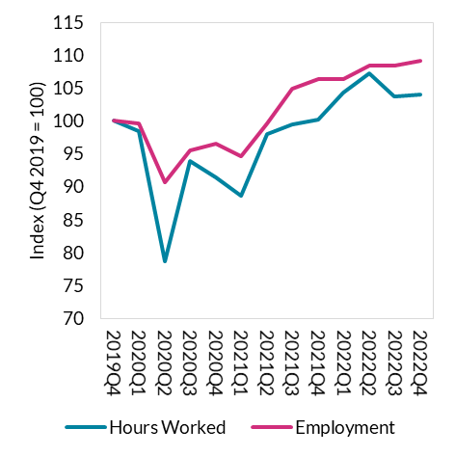
 | Hours Worked | Employment
2019Q4 | 100 | 100
2020Q1 | 98.46 | 99.57
2020Q2 | 78.71 | 90.70
2020Q3 | 93.87 | 95.45
2020Q4 | 91.36 | 96.59
2021Q1 | 88.69 | 94.63
2021Q2 | 97.94 | 99.65
2021Q3 | 99.46 | 104.83
2021Q4 | 100.17 | 106.31
2022Q1 | 104.33 | 106.30
2022Q2 | 107.18 | 108.37
2022Q3 | 103.69 | 108.36
2022Q4 | 104.04 | 109.21

 |  |  | Source : CSO

F2
Long term decline of average actual hours worked has continued in post-pandemic period
Figure 2: Average Actual Hours Worked per week by persons in employment

1998Q4 | 36.82
1999Q1 | 36.72
1999Q2 | 36.60
1999Q3 | 36.43
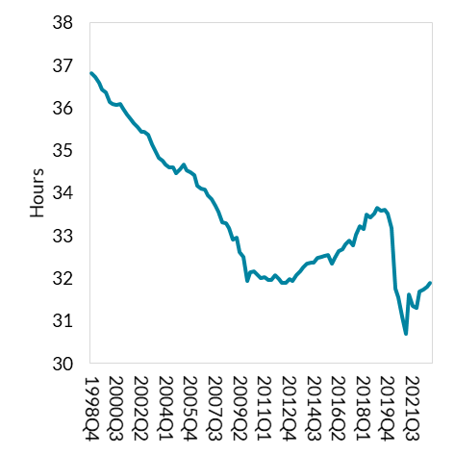
1999Q4 | 36.35
2000Q1 | 36.13
2000Q2 | 36.09
2000Q3 | 36.07
2000Q4 | 36.09
2001Q1 | 35.98
2001Q2 | 35.84
2001Q3 | 35.74
2001Q4 | 35.65
2002Q1 | 35.54
2002Q2 | 35.45
2002Q3 | 35.43
2002Q4 | 35.36
2003Q1 | 35.15
2003Q2 | 35.00
2003Q3 | 34.83
2003Q4 | 34.76
2004Q1 | 34.66
2004Q2 | 34.61
2004Q3 | 34.59
2004Q4 | 34.46 | Source: CSO
2005Q1 | 34.56 | Note: Data includes both employees and the self-employed. Data calculated on four-quarter rolling average basis
2005Q2 | 34.66 | Data calculated on four-quarter rolling average basis
2005Q3 | 34.53
2005Q4 | 34.48
2006Q1 | 34.42
2006Q2 | 34.16
2006Q3 | 34.11
2006Q4 | 34.07
2007Q1 | 33.95
2007Q2 | 33.86
2007Q3 | 33.70
2007Q4 | 33.55
2008Q1 | 33.30
2008Q2 | 33.28
2008Q3 | 33.17
2008Q4 | 32.90
2009Q1 | 32.94
2009Q2 | 32.61
2009Q3 | 32.51
2009Q4 | 31.93
2010Q1 | 32.13
2010Q2 | 32.17
2010Q3 | 32.08
2010Q4 | 32.01
2011Q1 | 32.03
2011Q2 | 31.96
2011Q3 | 31.95
2011Q4 | 32.08
2012Q1 | 31.99
2012Q2 | 31.90
2012Q3 | 31.90
2012Q4 | 31.98
2013Q1 | 31.92
2013Q2 | 32.07
2013Q3 | 32.17
2013Q4 | 32.26
2014Q1 | 32.34
2014Q2 | 32.36
2014Q3 | 32.37
2014Q4 | 32.48
2015Q1 | 32.49
2015Q2 | 32.53
2015Q3 | 32.55
2015Q4 | 32.35
2016Q1 | 32.48
2016Q2 | 32.63
2016Q3 | 32.68
2016Q4 | 32.79
2017Q1 | 32.89
2017Q2 | 32.76
2017Q3 | 33.02
2017Q4 | 33.22
2018Q1 | 33.16
2018Q2 | 33.50
2018Q3 | 33.43
2018Q4 | 33.51
2019Q1 | 33.64
2019Q2 | 33.59
2019Q3 | 33.61
2019Q4 | 33.51
2020Q1 | 33.17
2020Q2 | 31.75
2020Q3 | 31.55
2020Q4 | 31.11
2021Q1 | 30.68
2021Q2 | 31.63
2021Q3 | 31.34
2021Q4 | 31.31
2022Q1 | 31.68
2022Q2 | 31.73
2022Q3 | 31.79
2022Q4 | 31.88

F3
Average actual hours worked down across all work location types as productivity growth remains positive
Figure 3: Average Actual Hours Worked by level of Remote Working

 |  | Remote | Hybrid | Fully On-Site
 | 2019Q1 | 41.34 | 40.9 | 38.6
 | 2019Q2 | 42.29 | 40.94 | 38.9
 | 2019Q3 | 41.23 | 41.21 | 38.9
 | 2019Q4 | 40.98 | 40.64 | 38.54
 | 2020Q1 | 40.92 | 40.11 | 38.35
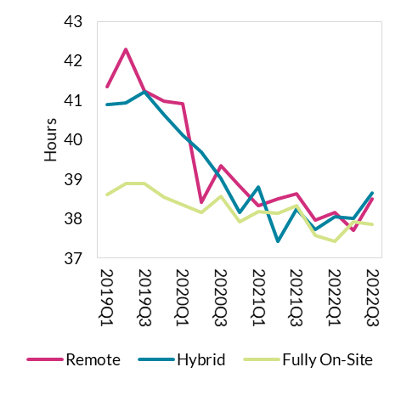
 | 2020Q2 | 38.41 | 39.69 | 38.15
 | 2020Q3 | 39.34 | 39.02 | 38.57
 | 2020Q4 | 38.83 | 38.15 | 37.92
 | 2021Q1 | 38.34 | 38.8 | 38.17
 | 2021Q2 | 38.5 | 37.43 | 38.14
 | 2021Q3 | 38.63 | 38.24 | 38.34
 | 2021Q4 | 37.96 | 37.72 | 37.58
 | 2022Q1 | 38.15 | 38.04 | 37.42
 | 2022Q2 | 37.7 | 38 | 37.92
 | 2022Q3 | 38.5 | 38.65 | 37.86

 |  |  |  |  | Source: CSO and author's calculations
 |  |  |  |  | Note: Data are for full-time employees only

F4
Average actual hours worked down across all work location types as productivity growth remains positive
Figure 4: Change in Labour Market and Economic Activity (Q4 2019 – Q3 2022)

 | Modified Domestic Demand |  | Domestic GVA | Total Actual Hours Worked | Average Hours Worked | Employment
 | 3.0 | 3.1 | 1.7 | 3.7 | -4.3 | 8.4

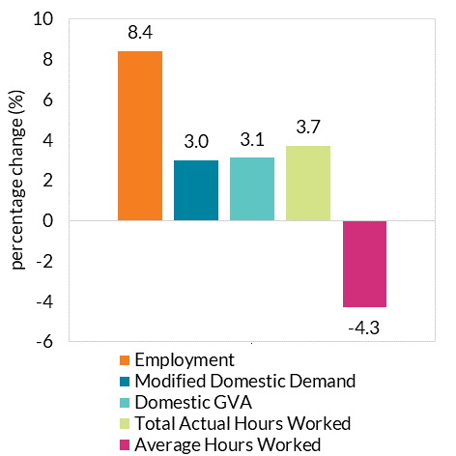

 |  |  |  |  |  |  | Source: CSO

